Dividend Data Analysis
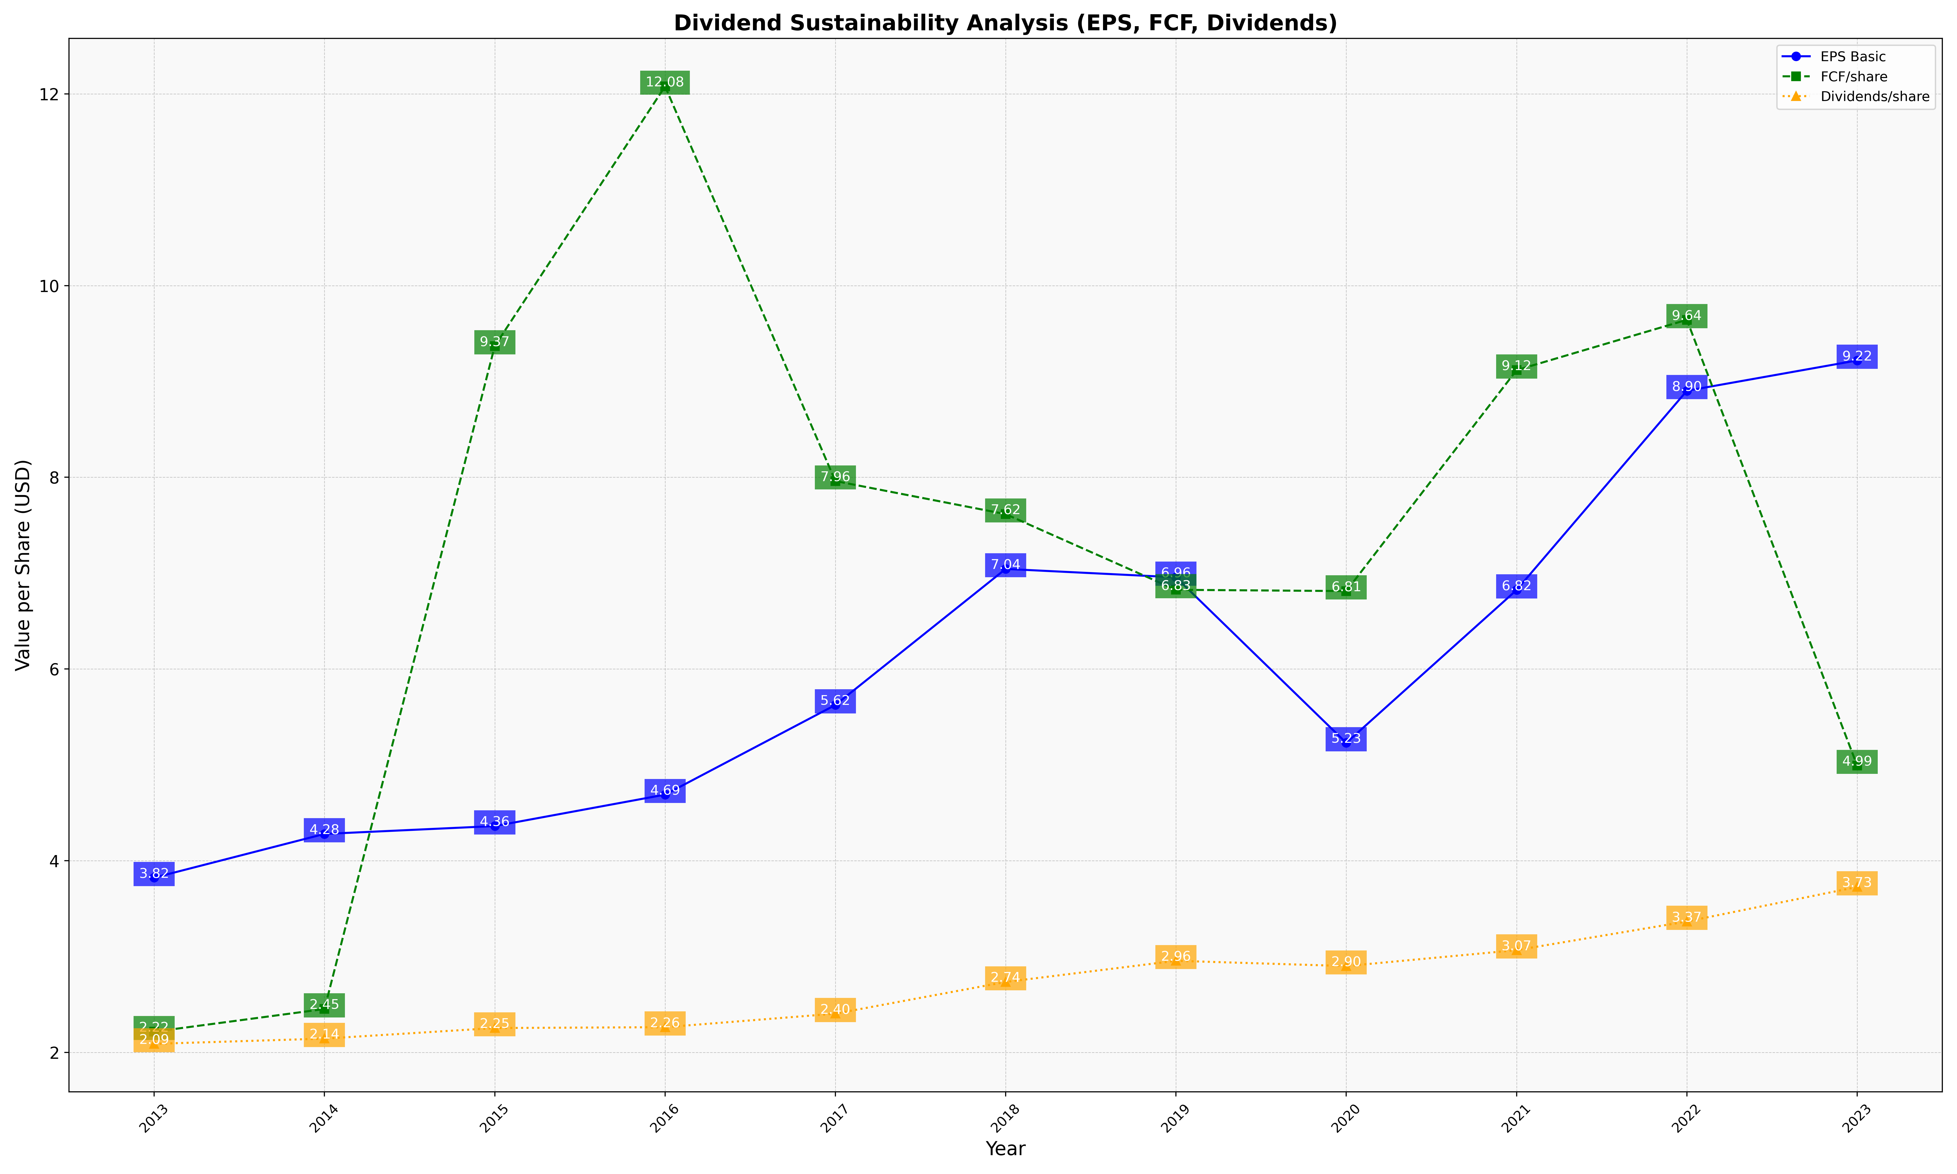
fiscal_date_ending | eps_per_share | free_cash_flow_per_share | dividend_per_share
2013 | 3.8229883948 | 2.2163696947 | 2.0895305058
2014 | 4.2794701349 | 2.4527591376 | 2.1442378703
2015 | 4.3614884039 | 9.3694382542 | 2.2545678578
2016 | 4.68943634 | 12.078245721 | 2.2634361689
2017 | 5.6245115774 | 7.9607105865 | 2.4046087743
2018 | 7.0440208148 | 7.6156544025 | 2.7351649632
2019 | 6.9566025184 | 6.8262349029 | 2.9560161995
2020 | 5.2291765028 | 6.8129512118 | 2.9010820162
2021 | 6.8238648833 | 9.1174850873 | 3.0672656045
2022 | 8.9025489414 | 9.6428690338 | 3.3660880058
2023 | 9.2190637662 | 4.9925460663 | 3.7262730501

