Dividend Data Analysis
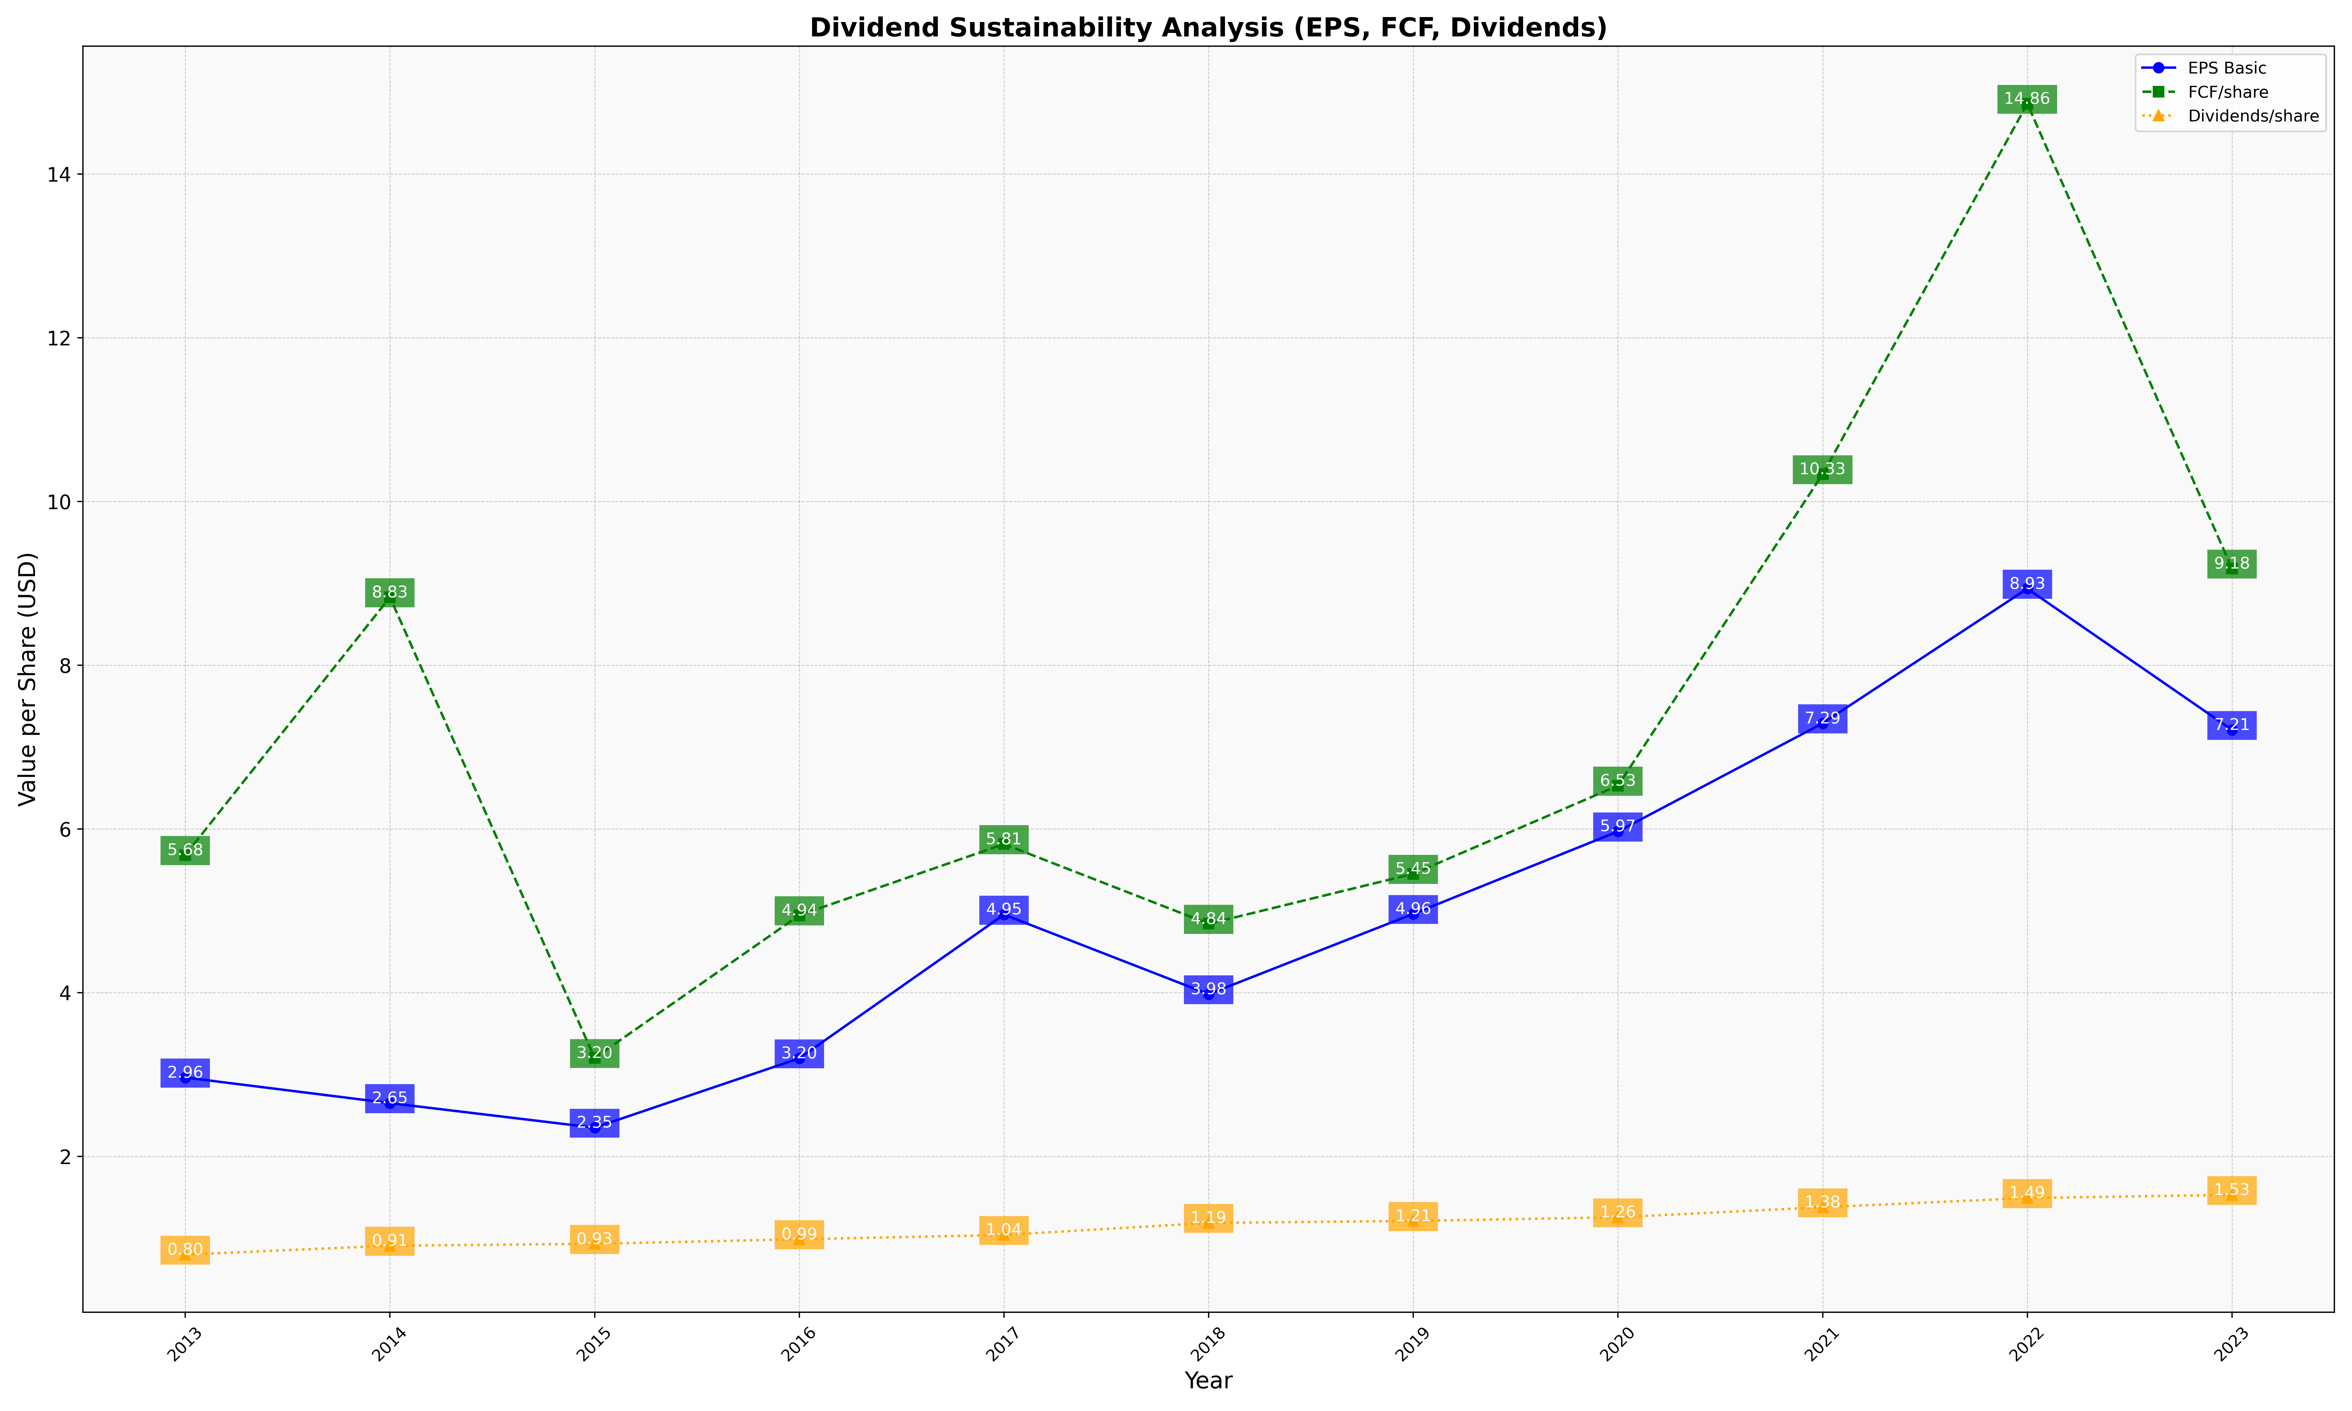
fiscal_date_ending | eps_per_share | free_cash_flow_per_share | dividend_per_share
2013 | 2.9624355477 | 5.680627445 | 0.79980120845
2014 | 2.6498836384 | 8.829028818 | 0.9084562332
2015 | 2.3498287303 | 3.2015513044 | 0.9305745285
2016 | 3.1969243044 | 4.9443102514 | 0.98721528226
2017 | 4.9525012431 | 5.813790122 | 1.0397035855
2018 | 3.9805386388 | 4.8405832073 | 1.186528831
2019 | 4.9615453756 | 5.4507749319 | 1.2105681894
2020 | 5.9679976743 | 6.5279231809 | 1.255687108
2021 | 7.289121046 | 10.332163589 | 1.3782550176
2022 | 8.9339264201 | 14.856102116 | 1.4907054731
2023 | 7.2089443602 | 9.1793226969 | 1.5291182148

