Dividend Data Analysis
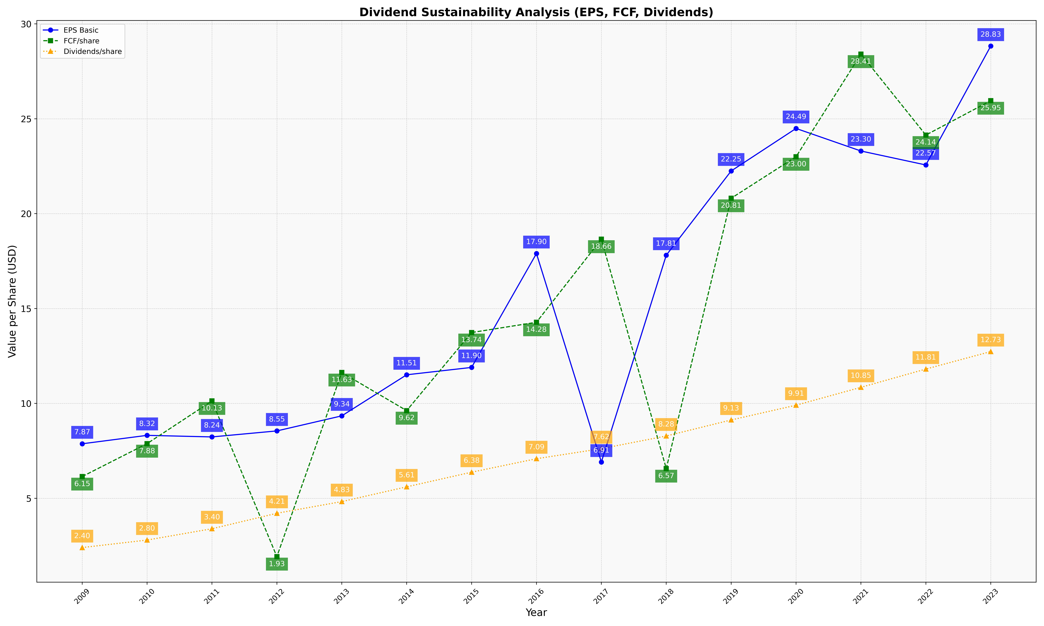
fiscal_date_ending | eps_per_share | free_cash_flow_per_share | dividend_per_share
2009 | 7.8734110169 | 6.1467161017 | 2.4046610169
2010 | 8.3179190751 | 7.8815028902 | 2.8005780347
2011 | 8.2351116625 | 10.130272953 | 3.3964019851
2012 | 8.5514018692 | 1.9283489097 | 4.2118380062
2013 | 9.3448275862 | 11.630094044 | 4.8275862069
2014 | 11.50955414 | 9.6210191083 | 5.6050955414
2015 | 11.897689769 | 13.735973597 | 6.3762376238
2016 | 17.899653979 | 14.276816609 | 7.0865051903
2017 | 6.911971831 | 18.658450704 | 7.6161971831
2018 | 17.811507236 | 6.5654782916 | 8.2845040593
2019 | 22.25 | 20.810714286 | 9.1285714286
2020 | 24.491039427 | 23 | 9.9068100358
2021 | 23.302583026 | 28.409594096 | 10.848708487
2022 | 22.566929134 | 24.141732283 | 11.811023622
2023 | 28.833333333 | 25.954166667 | 12.733333333

