Dividend Data Analysis
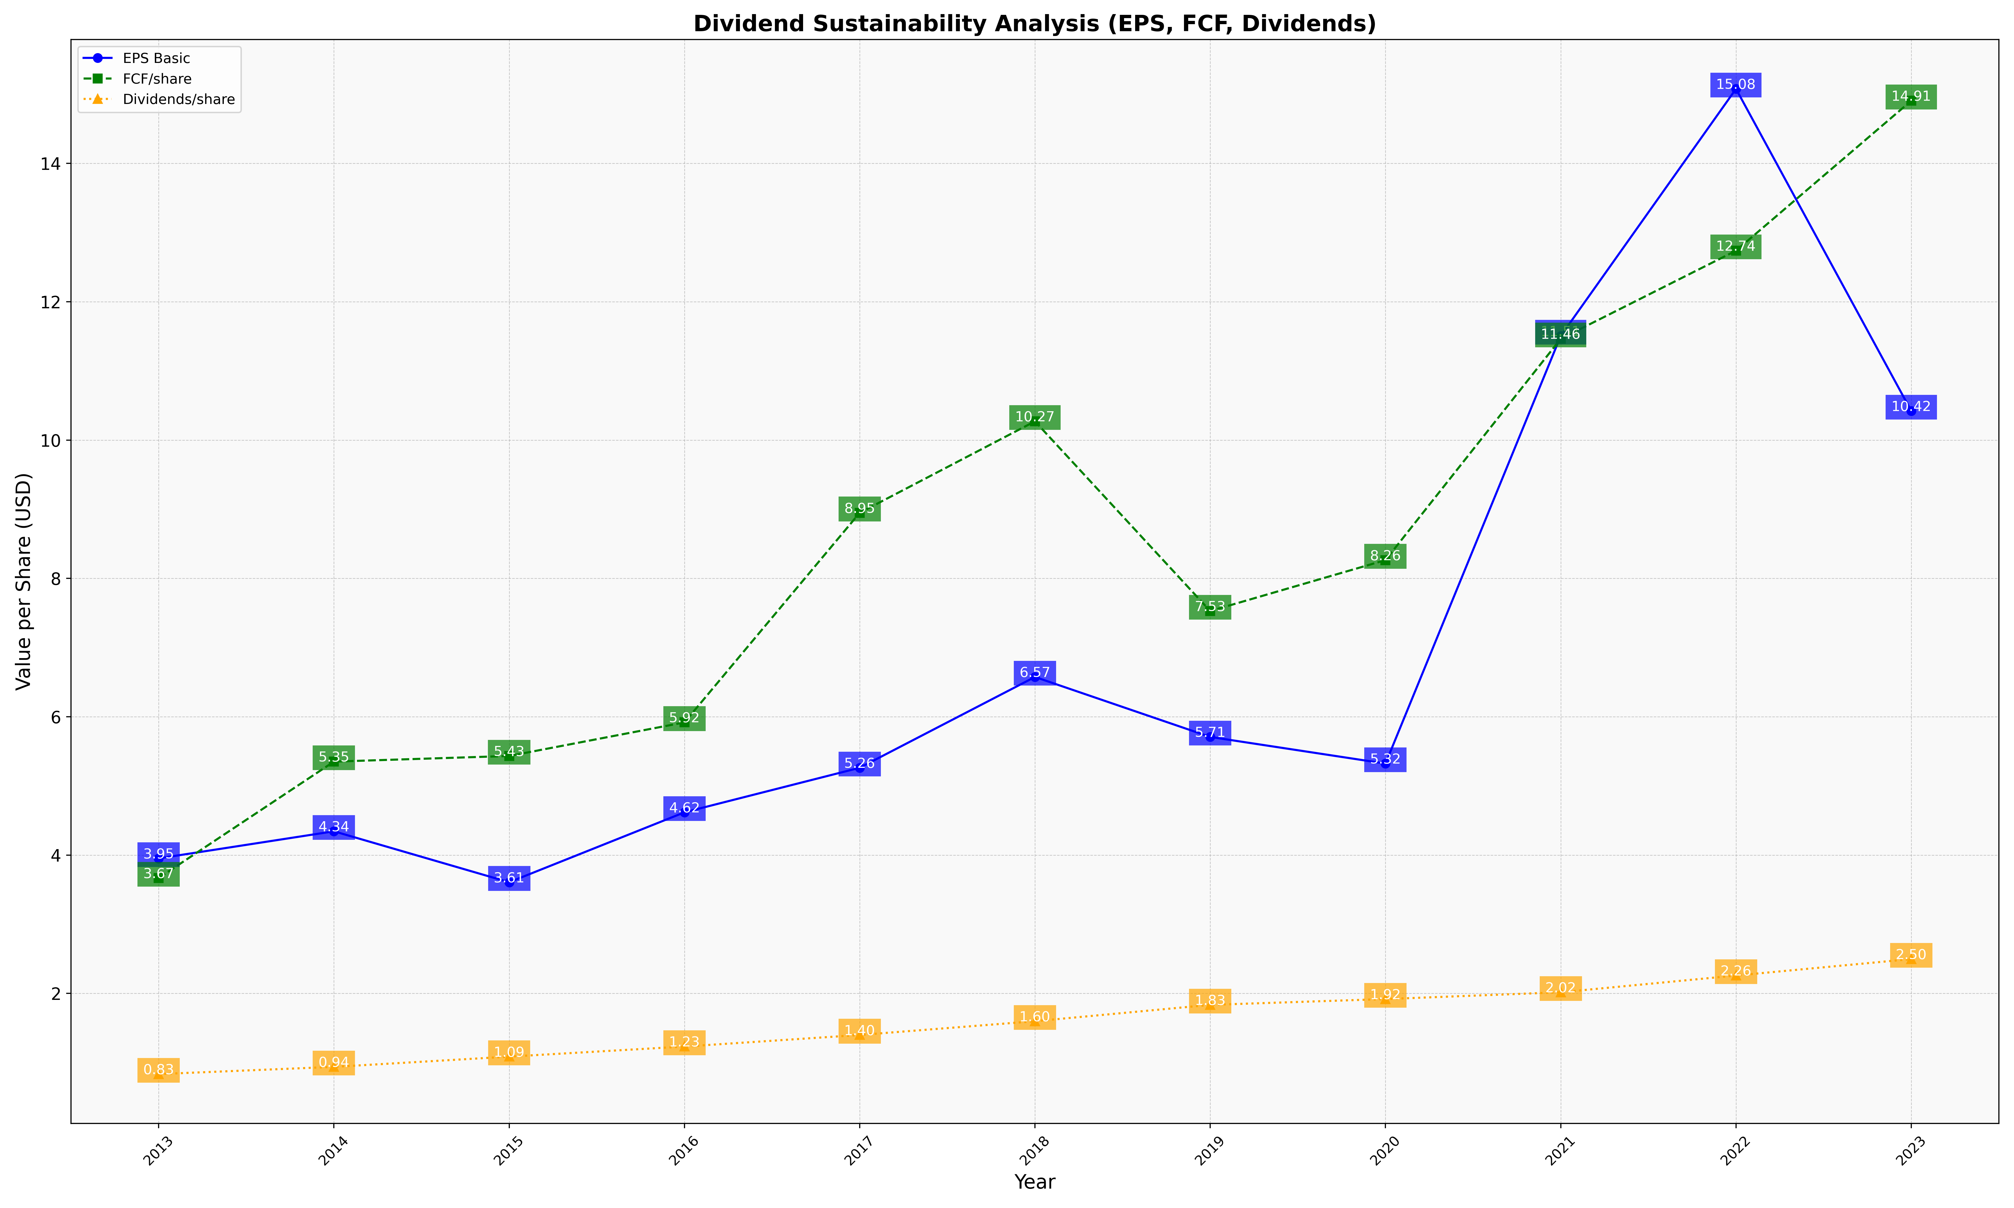
fiscal_date_ending | eps_per_share | free_cash_flow_per_share | dividend_per_share
2013 | 3.9516650969 | 3.6681443424 | 0.83329286746
2014 | 4.343489143 | 5.3512140451 | 0.93754722327
2015 | 3.6067425828 | 5.4327714217 | 1.0856444143
2016 | 4.617861855 | 5.9179503072 | 1.231541789
2017 | 5.2620947521 | 8.9483215882 | 1.3987462268
2018 | 6.5749730313 | 10.271085541 | 1.5978664749
2019 | 5.7080357876 | 7.5282360667 | 1.8340720676
2020 | 5.3224961101 | 8.2646793874 | 1.9179018917
2021 | 11.505959621 | 11.464444985 | 2.0161355712
2022 | 15.078196946 | 12.738387592 | 2.2583003474
2023 | 10.42024737 | 14.906393061 | 2.4962252028

