Dividend Data Analysis
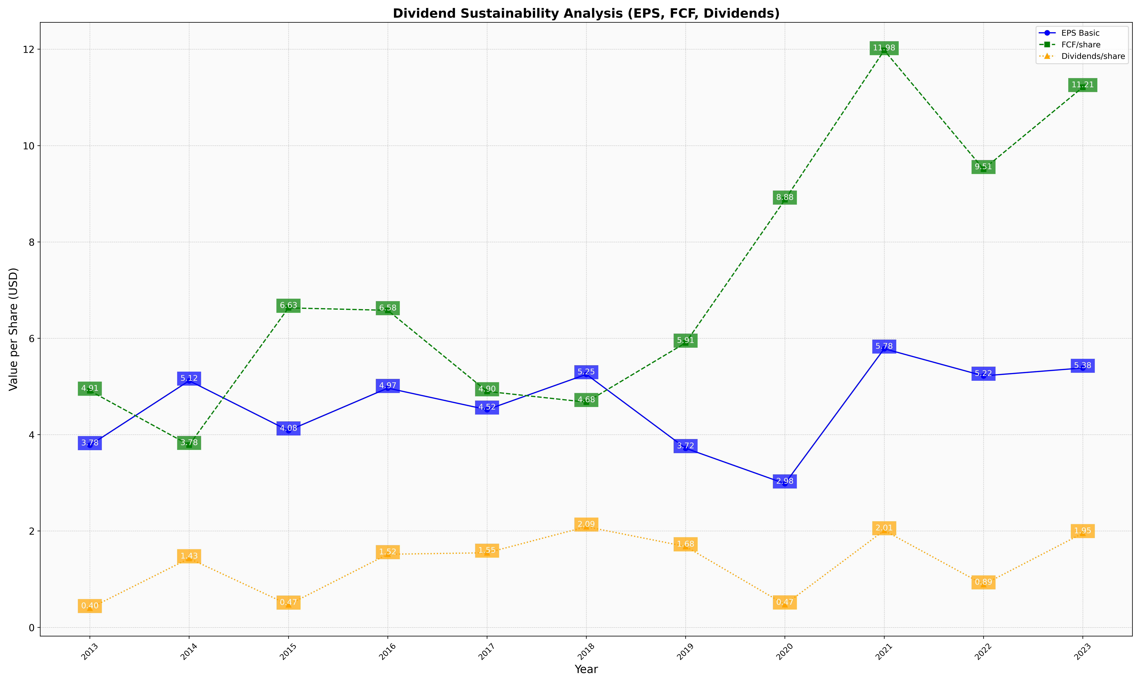
fiscal_date_ending | eps_per_share | free_cash_flow_per_share | dividend_per_share
2013 | 3.7806324339 | 4.910235569 | 0.39866700009
2014 | 5.1194474086 | 3.7848868293 | 1.4318790273
2015 | 4.0848498543 | 6.6317114945 | 0.47064324062
2016 | 4.9665659322 | 6.5807683457 | 1.5182237471
2017 | 4.5187398163 | 4.8978704266 | 1.5487736429
2018 | 5.2522235199 | 4.675072314 | 2.0898349254
2019 | 3.7181010282 | 5.9065739936 | 1.6803216598
2020 | 2.9842235477 | 8.8767814901 | 0.47320078178
2021 | 5.7839495364 | 11.97729357 | 2.0123023915
2022 | 5.2204965411 | 9.5103273116 | 0.88903975526
2023 | 5.3844756609 | 11.211135373 | 1.9546530822

