Dividend Data Analysis
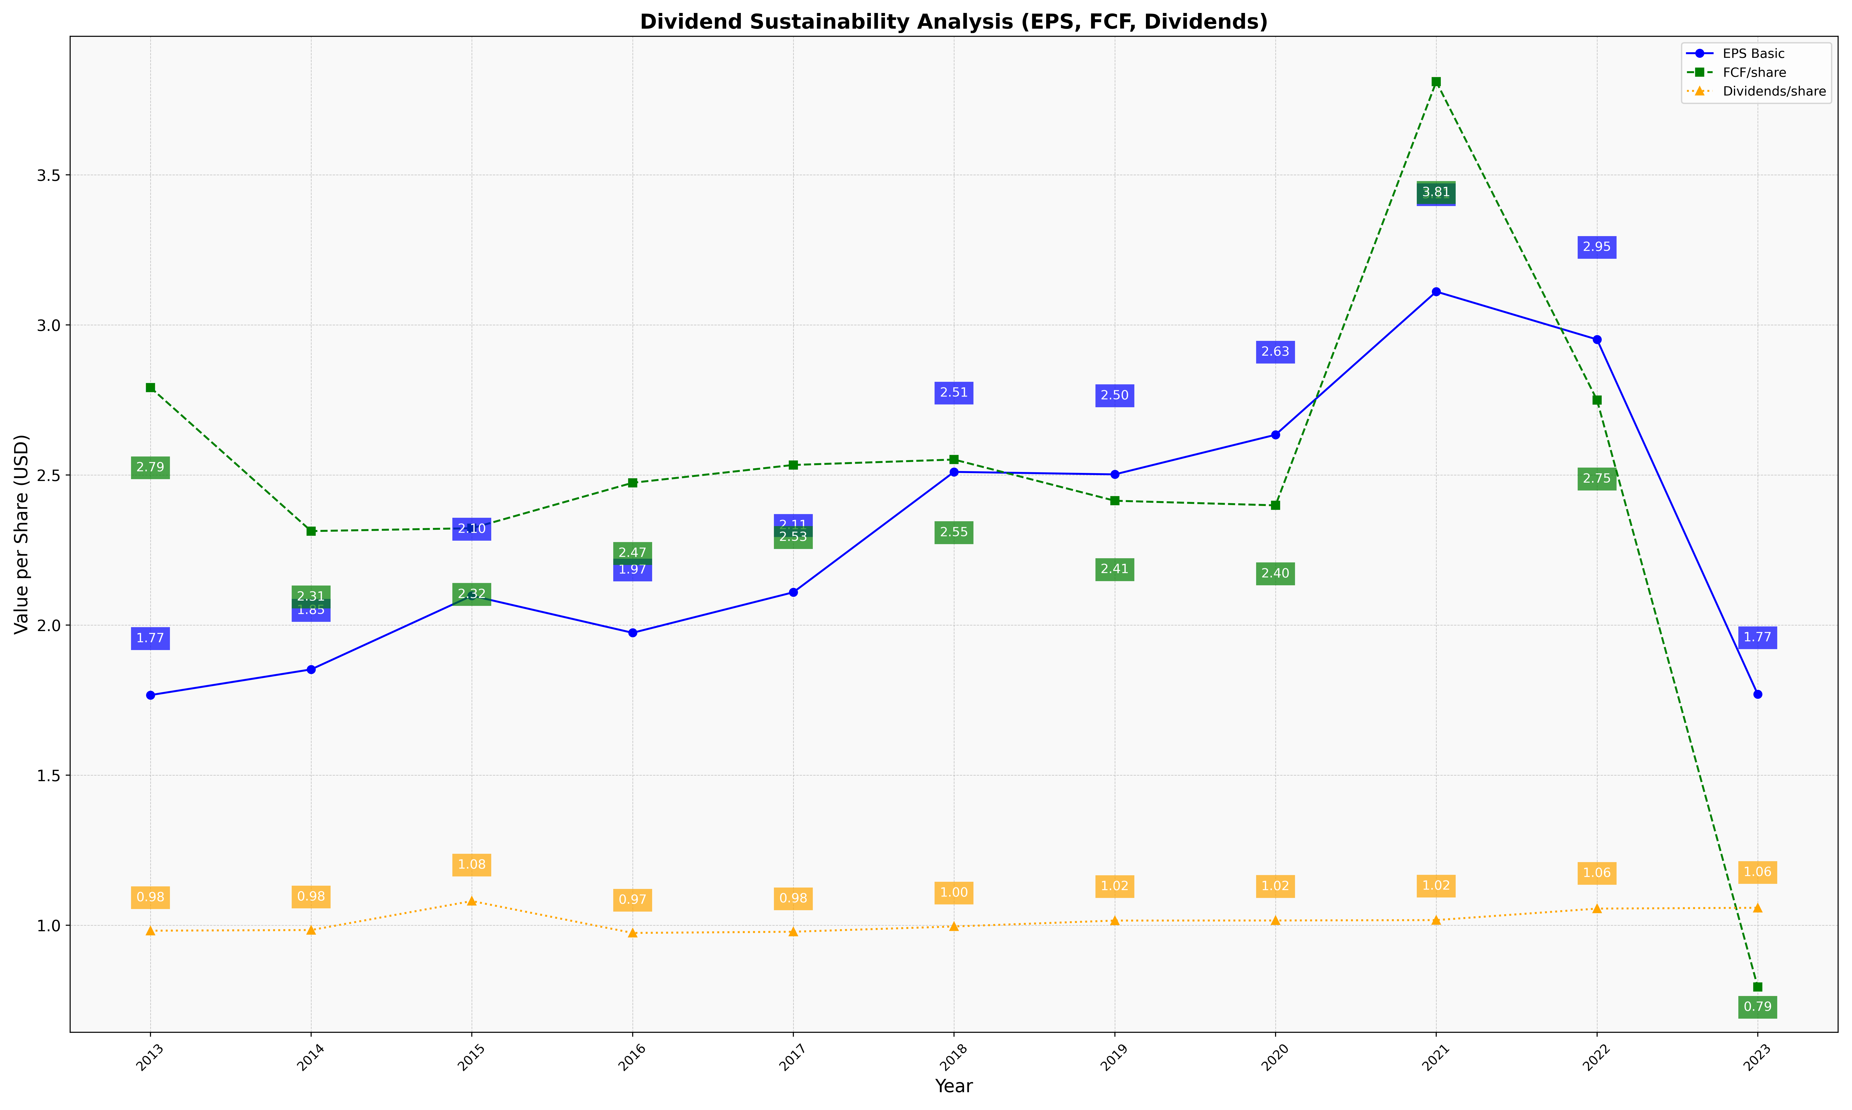
fiscal_date_ending | eps_per_share | free_cash_flow_per_share | dividend_per_share
2013 | 1.7664937591 | 2.791376236 | 0.98143945534
2014 | 1.8520574011 | 2.3129311028 | 0.98366764449
2015 | 2.0976439568 | 2.3224462023 | 1.0802075359
2016 | 1.973962208 | 2.4738878143 | 0.973962208
2017 | 2.1090255304 | 2.5332614168 | 0.97799352751
2018 | 2.5101363039 | 2.5512350377 | 0.99557185359
2019 | 2.5018359036 | 2.4139795714 | 1.0151545497
2020 | 2.6338300755 | 2.3986839559 | 1.0154183601
2021 | 3.1108130031 | 3.8103824796 | 1.0167841767
2022 | 2.9514334099 | 2.7496673521 | 1.0550381033
2023 | 1.7690135874 | 0.79401211693 | 1.0577613082

