Dividend Data Analysis
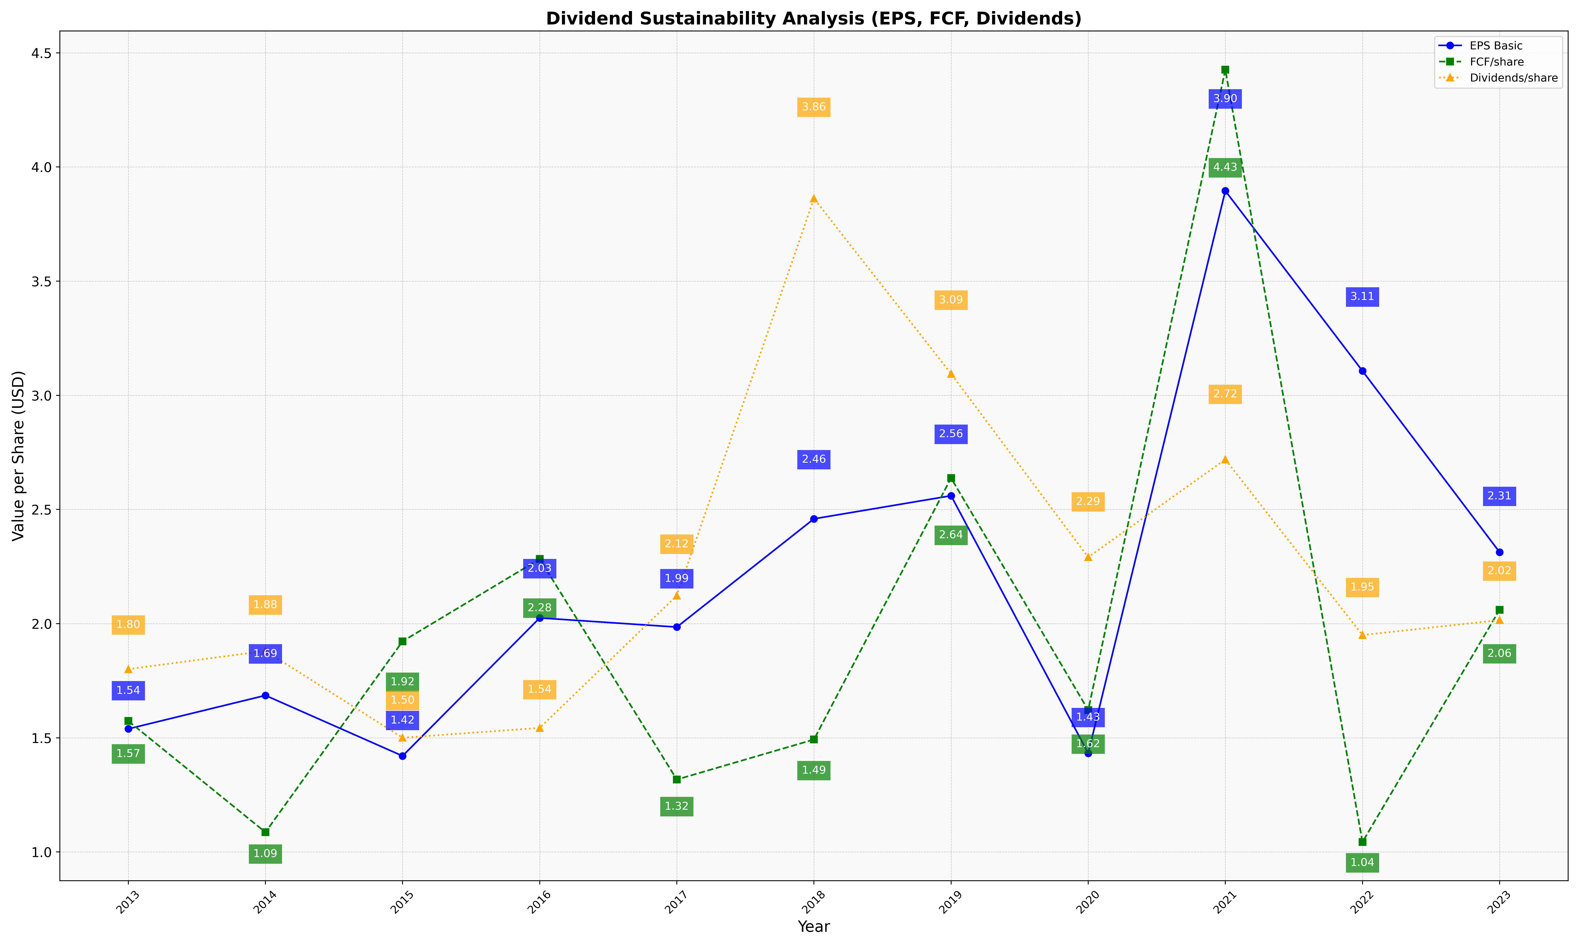
fiscal_date_ending | eps_per_share | free_cash_flow_per_share | dividend_per_share
2013 | 1.5392784687 | 1.5736935527 | 1.8008602234
2014 | 1.6857585351 | 1.0864670225 | 1.8805885541
2015 | 1.4205738959 | 1.9227296357 | 1.5003712801
2016 | 2.0251704614 | 2.283154376 | 1.5433491642
2017 | 1.9850810704 | 1.3173058352 | 2.1227039154
2018 | 2.4591608958 | 1.4925622884 | 3.8622273115
2019 | 2.5602961234 | 2.6377396561 | 3.0944130615
2020 | 1.4324774687 | 1.6213945066 | 2.2911147585
2021 | 3.8954575765 | 4.4263480984 | 2.7190402974
2022 | 3.1069185075 | 1.0436864436 | 1.9500117843
2023 | 2.3131737025 | 2.0609004831 | 2.0155687386

