Dividend Data Analysis
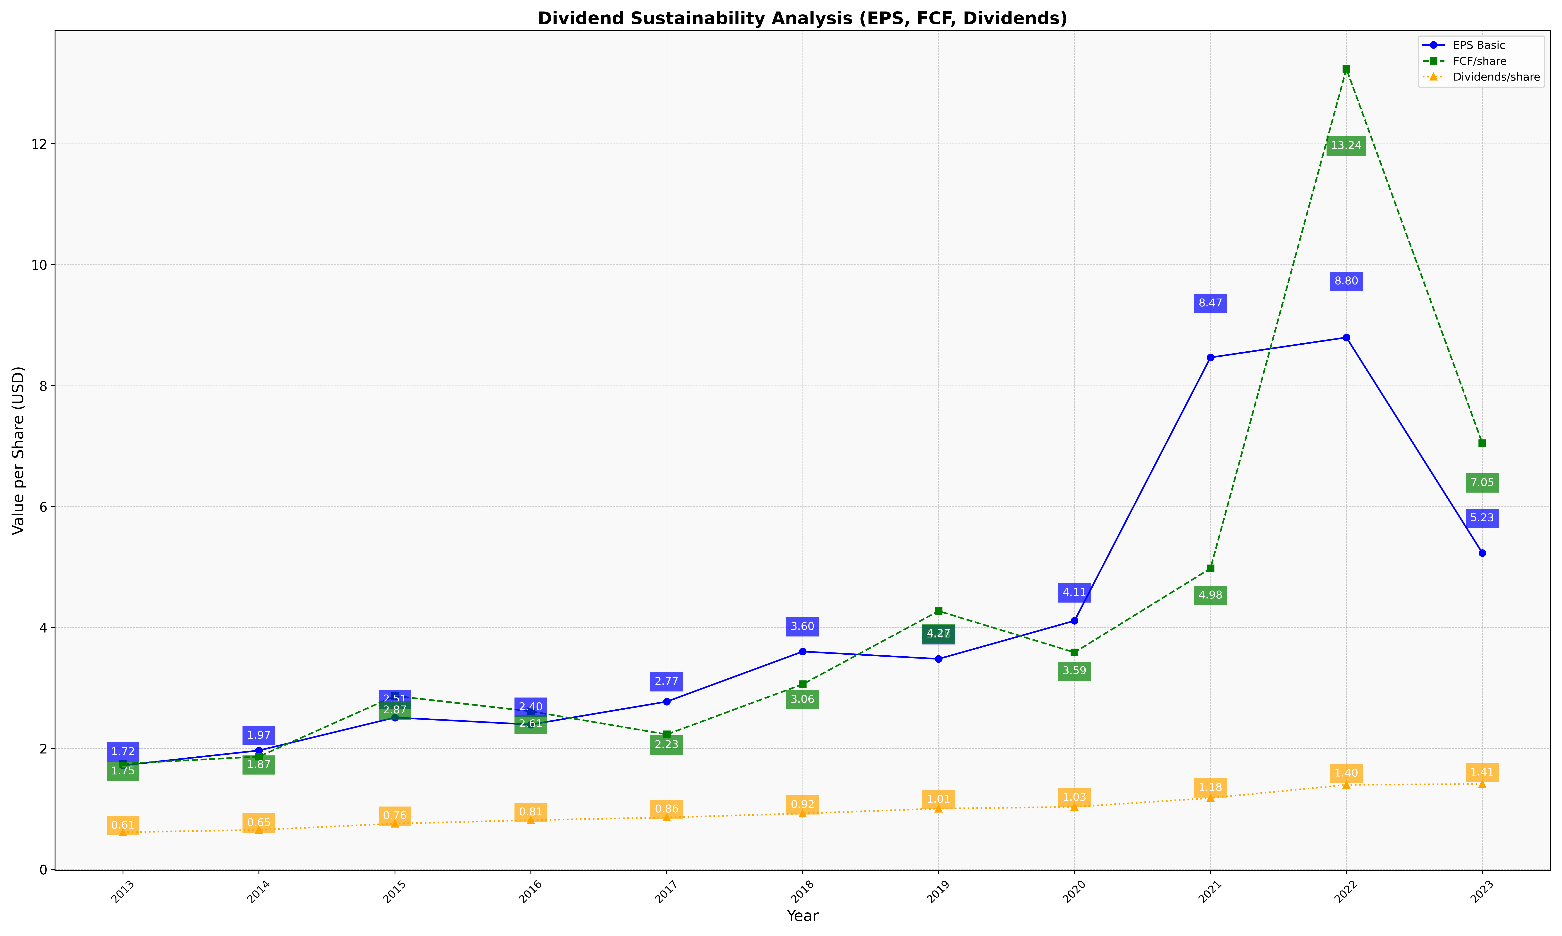
fiscal_date_ending | eps_per_share | free_cash_flow_per_share | dividend_per_share
2013 | 1.7206638334 | 1.7483059514 | 0.61442123705
2014 | 1.9664847936 | 1.8652929115 | 0.65292608845
2015 | 2.5112897999 | 2.8680595605 | 0.75683676888
2016 | 2.3952751352 | 2.6141267785 | 0.81430247363
2017 | 2.7744735619 | 2.2317518455 | 0.85839749623
2018 | 3.6029362054 | 3.0616847921 | 0.92454919514
2019 | 3.4806510948 | 4.2722465246 | 1.0054886748
2020 | 4.1120181459 | 3.5879948492 | 1.0332852907
2021 | 8.4653549429 | 4.977256145 | 1.1805334609
2022 | 8.7964008217 | 13.238359697 | 1.3980934853
2023 | 5.2332239723 | 7.0473704697 | 1.4118554766

