Dividend Data Analysis
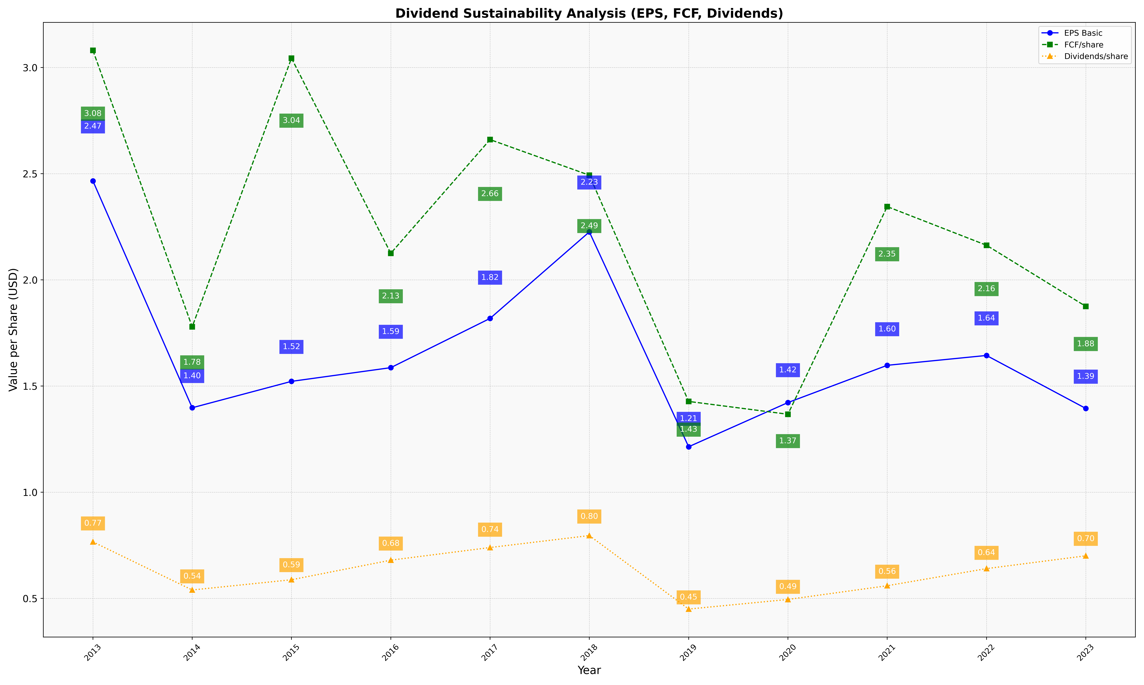
fiscal_date_ending | eps_per_share | free_cash_flow_per_share | dividend_per_share
2013 | 2.4657746674 | 3.0806238409 | 0.76613846206
2014 | 1.3977075904 | 1.7789913714 | 0.53964350942
2015 | 1.5220396207 | 3.0439124526 | 0.5878095454
2016 | 1.5865803775 | 2.1251975673 | 0.68002142718
2017 | 1.8184933054 | 2.6605951018 | 0.73958295407
2018 | 2.2258394399 | 2.4927841373 | 0.79585455246
2019 | 1.2140983268 | 1.4275077176 | 0.44977299856
2020 | 1.4221948531 | 1.3671750298 | 0.49499538533
2021 | 1.5976056401 | 2.3450392489 | 0.55962041459
2022 | 1.6440554094 | 2.1629942511 | 0.64026834294
2023 | 1.3945665737 | 1.8753201259 | 0.70062292397

