Dividend Data Analysis
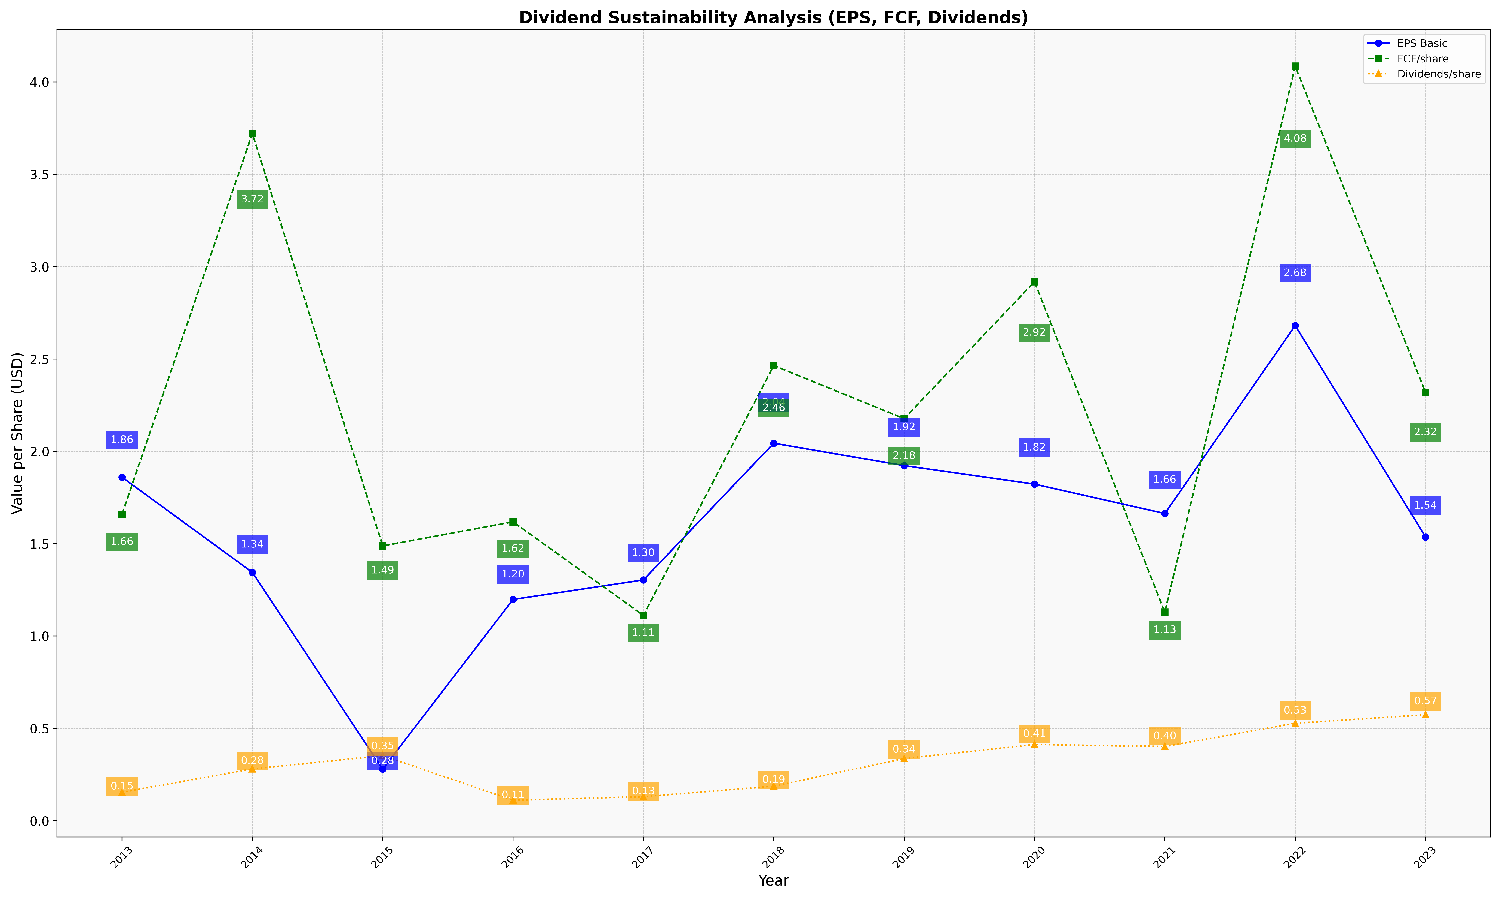
fiscal_date_ending | eps_per_share | free_cash_flow_per_share | dividend_per_share
2013 | 1.8598524849 | 1.6593001601 | 0.15464767261
2014 | 1.3448662341 | 3.7204023915 | 0.28075815713
2015 | 0.27948813396 | 1.4879590247 | 0.35291987803
2016 | 1.1983195531 | 1.6180458364 | 0.11157537738
2017 | 1.3037582936 | 1.1118745125 | 0.13061846427
2018 | 2.0442972075 | 2.4646539298 | 0.18738550625
2019 | 1.9228462954 | 2.1773880037 | 0.33684017356
2020 | 1.8224841212 | 2.9178674426 | 0.412929062
2021 | 1.6632477952 | 1.1292230663 | 0.40220443353
2022 | 2.6811230549 | 4.0848139607 | 0.52802018608
2023 | 1.5366187554 | 2.3189786786 | 0.57415638449

