Dividend Data Analysis
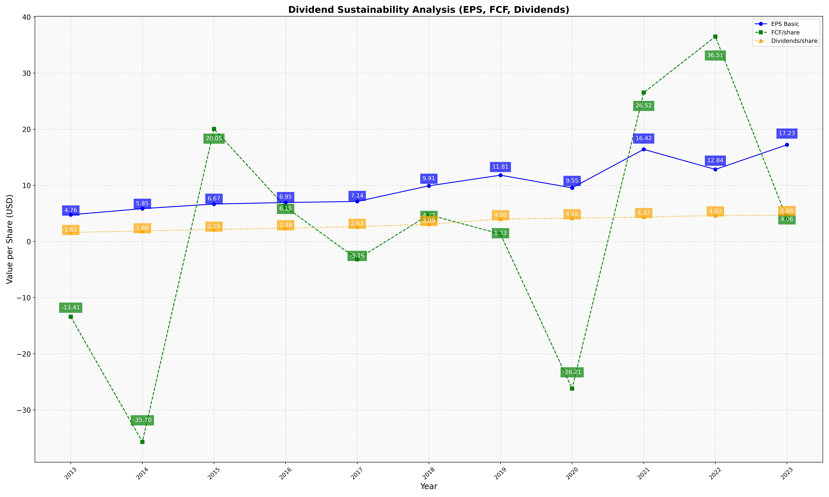
fiscal_date_ending | eps_per_share | free_cash_flow_per_share | dividend_per_share
2013 | 4.7618540507 | -13.410718564 | 1.6123106414
2014 | 5.8536125767 | -35.700172284 | 1.881662539
2015 | 6.6717619763 | 20.053500751 | 2.1490378054
2016 | 6.9451308548 | 6.1451196226 | 2.3800965967
2017 | 7.1354333927 | -3.1608910168 | 2.6254634631
2018 | 9.9133036205 | 4.7664692594 | 3.085963734
2019 | 11.812905318 | 1.326848249 | 4.0022697795
2020 | 9.5530268249 | -26.205155112 | 4.1614743884
2021 | 16.417241262 | 26.522196936 | 4.3673788254
2022 | 12.840297185 | 36.507054734 | 4.6220434872
2023 | 17.225891678 | 4.061391921 | 4.6801779879

