Dividend Data Analysis
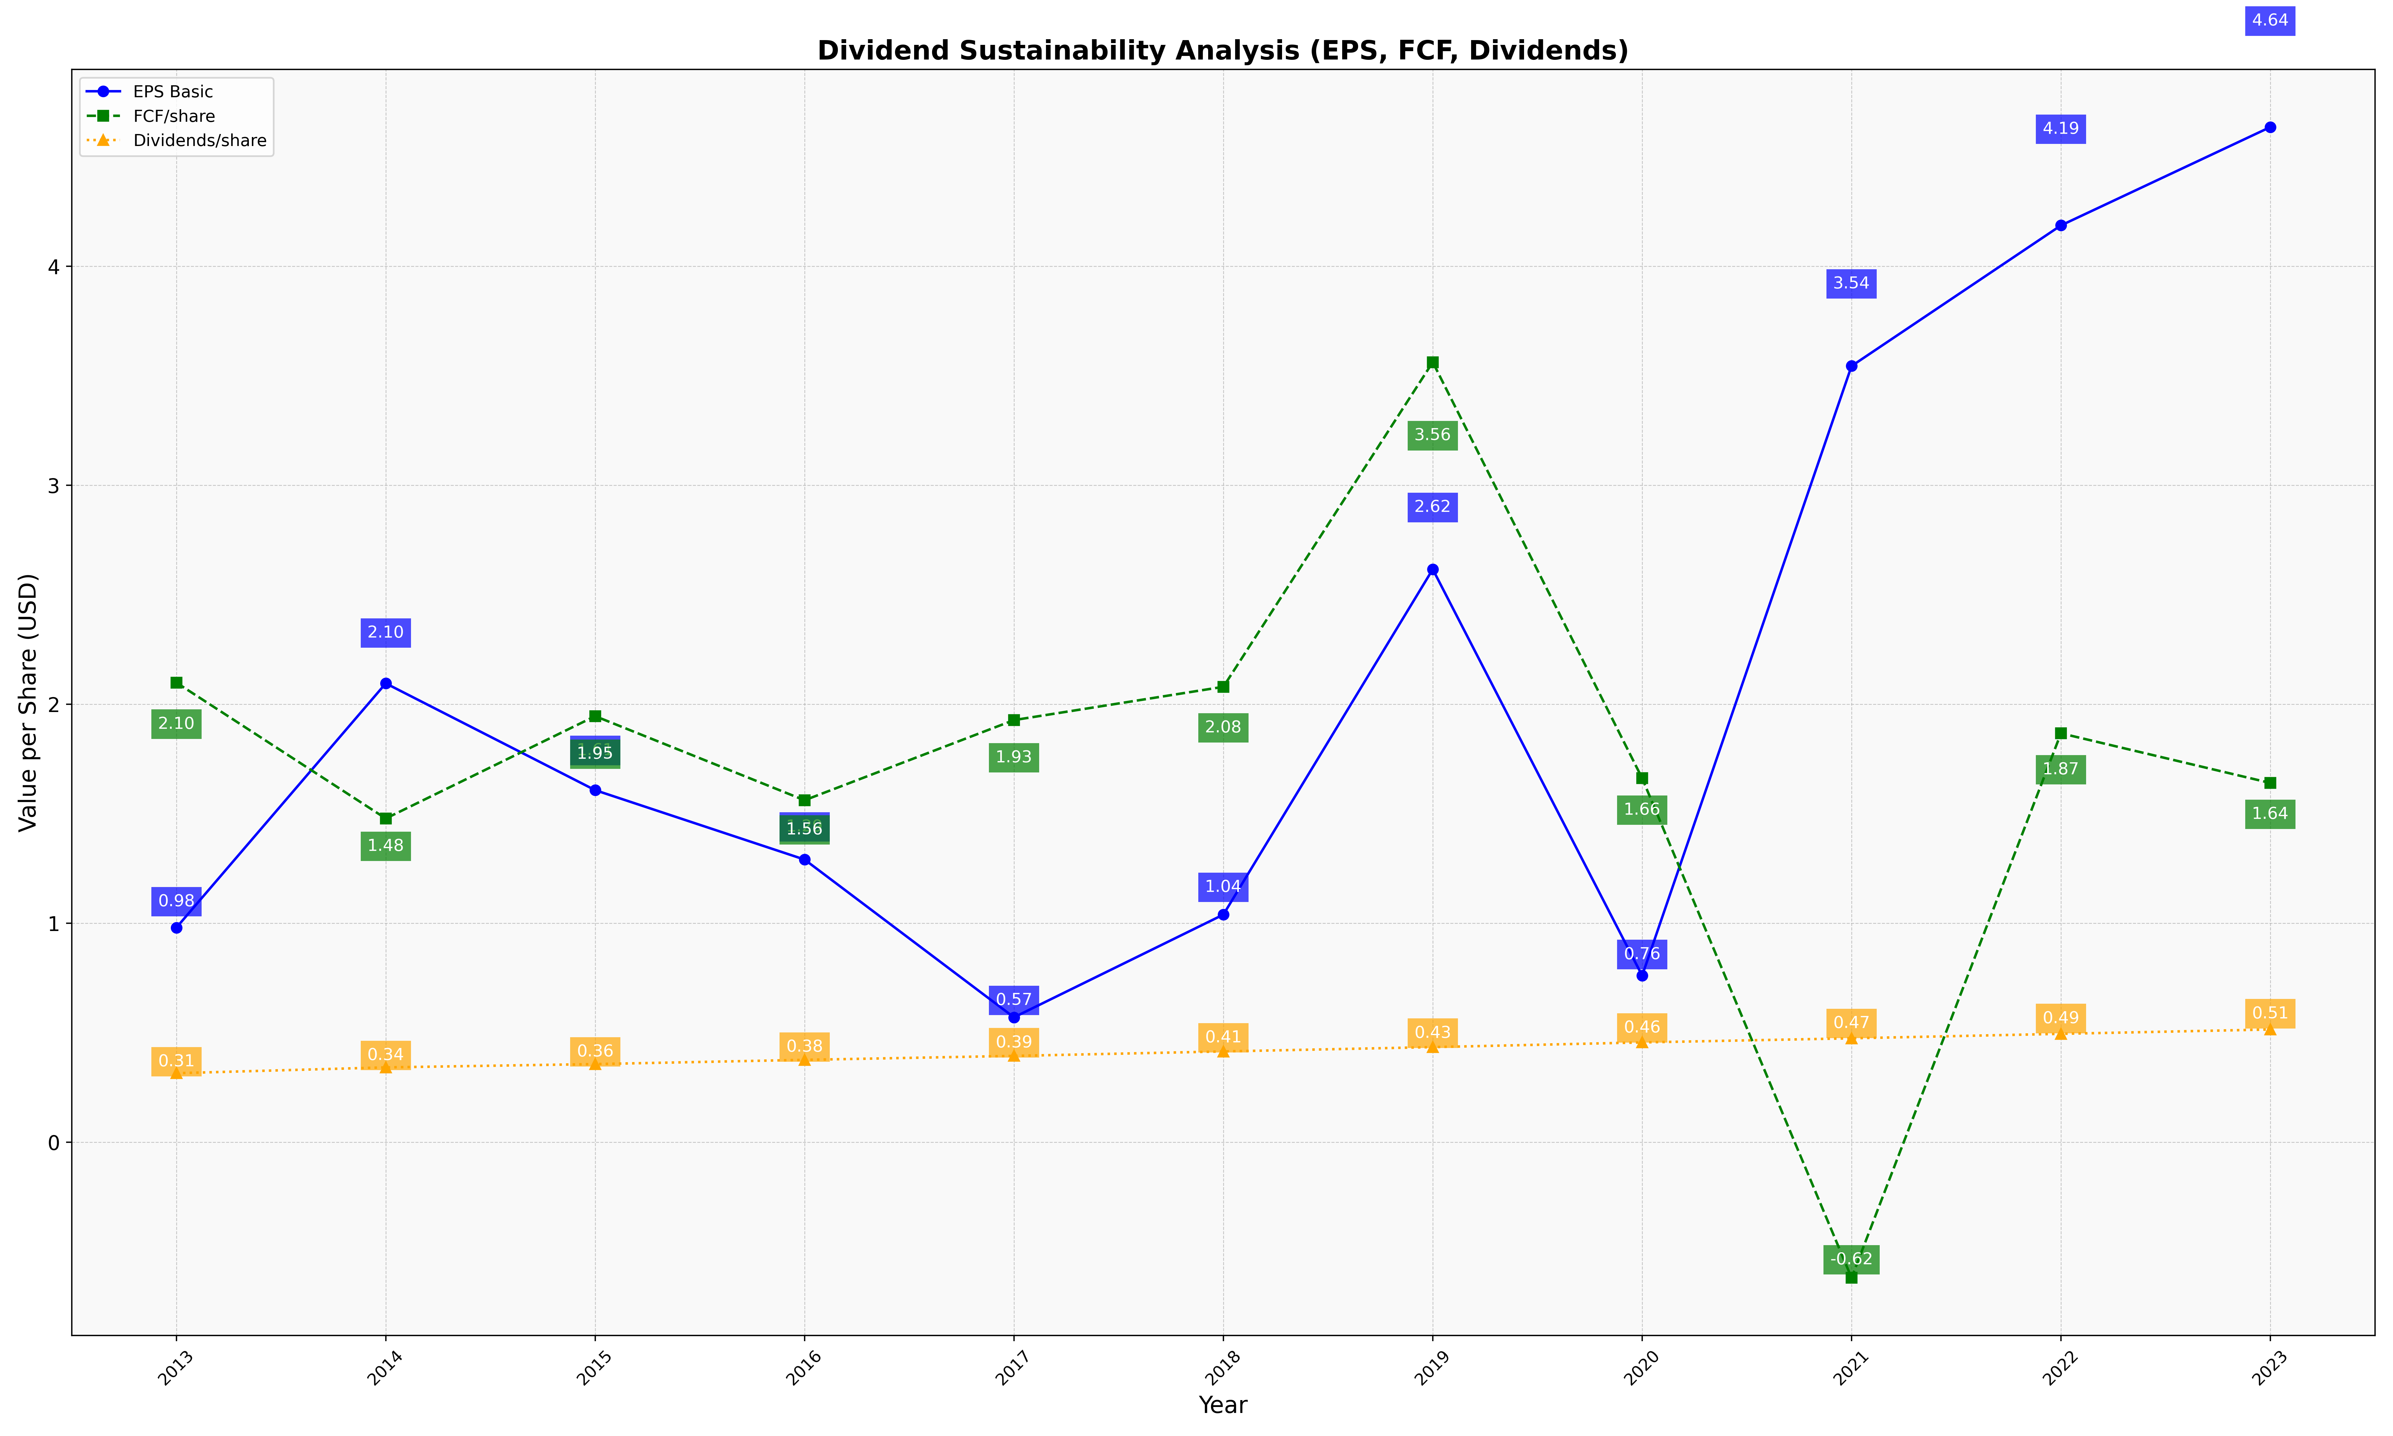
fiscal_date_ending | eps_per_share | free_cash_flow_per_share | dividend_per_share
2013 | 0.97969075663 | 2.0986864427 | 0.31491444913
2014 | 2.0953399314 | 1.4781916745 | 0.34142338489
2015 | 1.6075784843 | 1.9456108778 | 0.35652869426
2016 | 1.2906137184 | 1.5614721219 | 0.37585238668
2017 | 0.57007019465 | 1.9275650919 | 0.39393637676
2018 | 1.0391585601 | 2.0796010074 | 0.41425114809
2019 | 2.6164551379 | 3.5622090459 | 0.43396873622
2020 | 0.76070058054 | 1.6620584473 | 0.45542654728
2021 | 3.5446542111 | -0.6196322019 | 0.47427369657
2022 | 4.1868731133 | 1.8672704256 | 0.49469276463
2023 | 4.6360509616 | 1.6404592356 | 0.51450855011

