Dividend Data Analysis
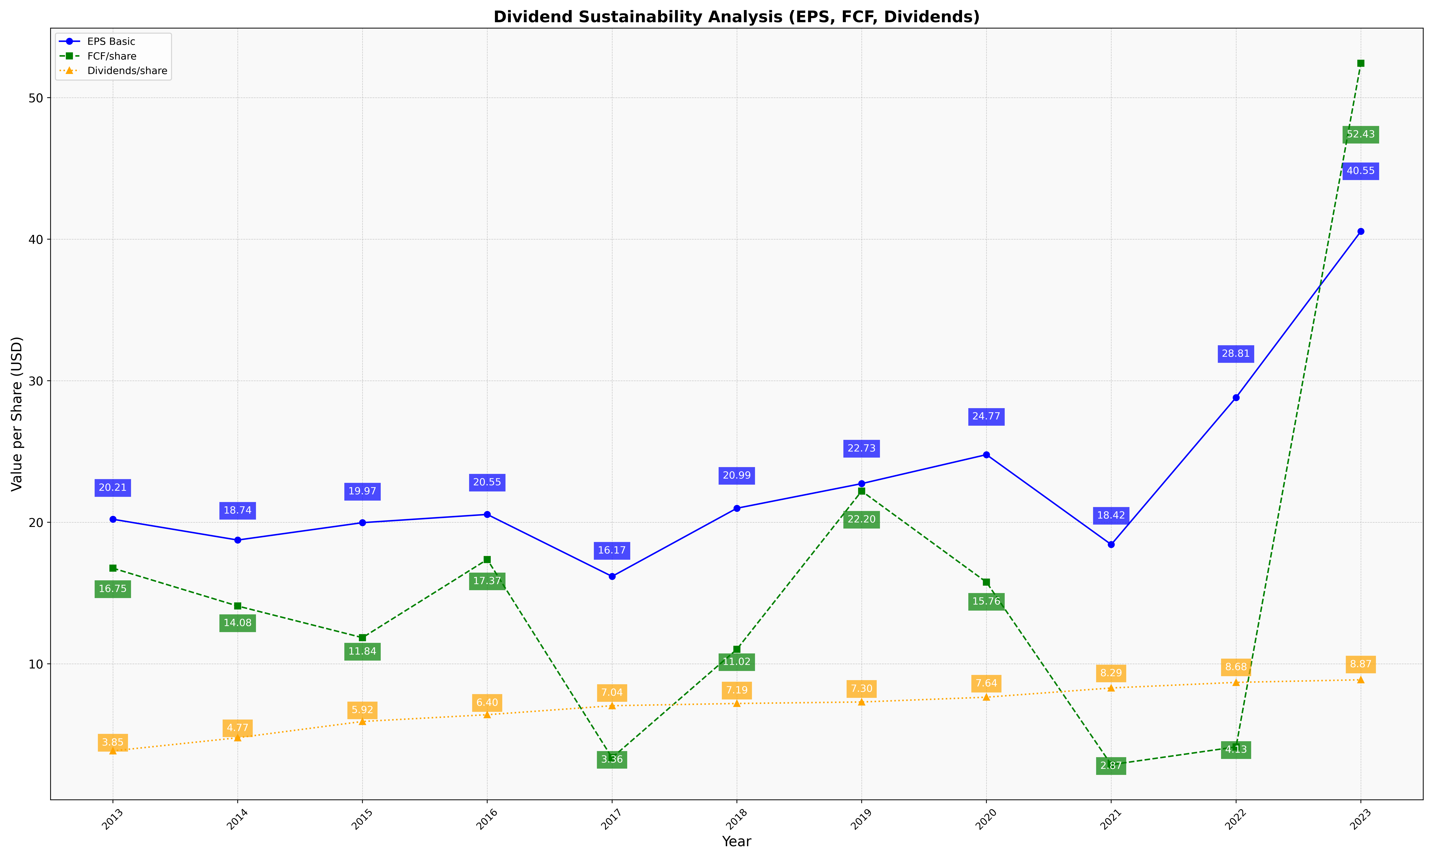
fiscal_date_ending | eps_per_share | free_cash_flow_per_share | dividend_per_share
2013 | 20.210306522 | 16.753342683 | 3.8450745212
2014 | 18.740813081 | 14.079773492 | 4.7724777475
2015 | 19.969375097 | 11.844887611 | 5.9223601128
2016 | 20.55052975 | 17.368773115 | 6.401247614
2017 | 16.172271289 | 3.3597685836 | 7.0360912389
2018 | 20.987471749 | 11.021788939 | 7.1928230561
2019 | 22.727343823 | 22.201002114 | 7.299963561
2020 | 24.774165382 | 15.763763123 | 7.637956276
2021 | 18.422572756 | 2.8713498249 | 8.29029284
2022 | 28.811973267 | 4.126303178 | 8.6849848802
2023 | 40.548541483 | 52.425598686 | 8.8668652189

