Dividend Data Analysis
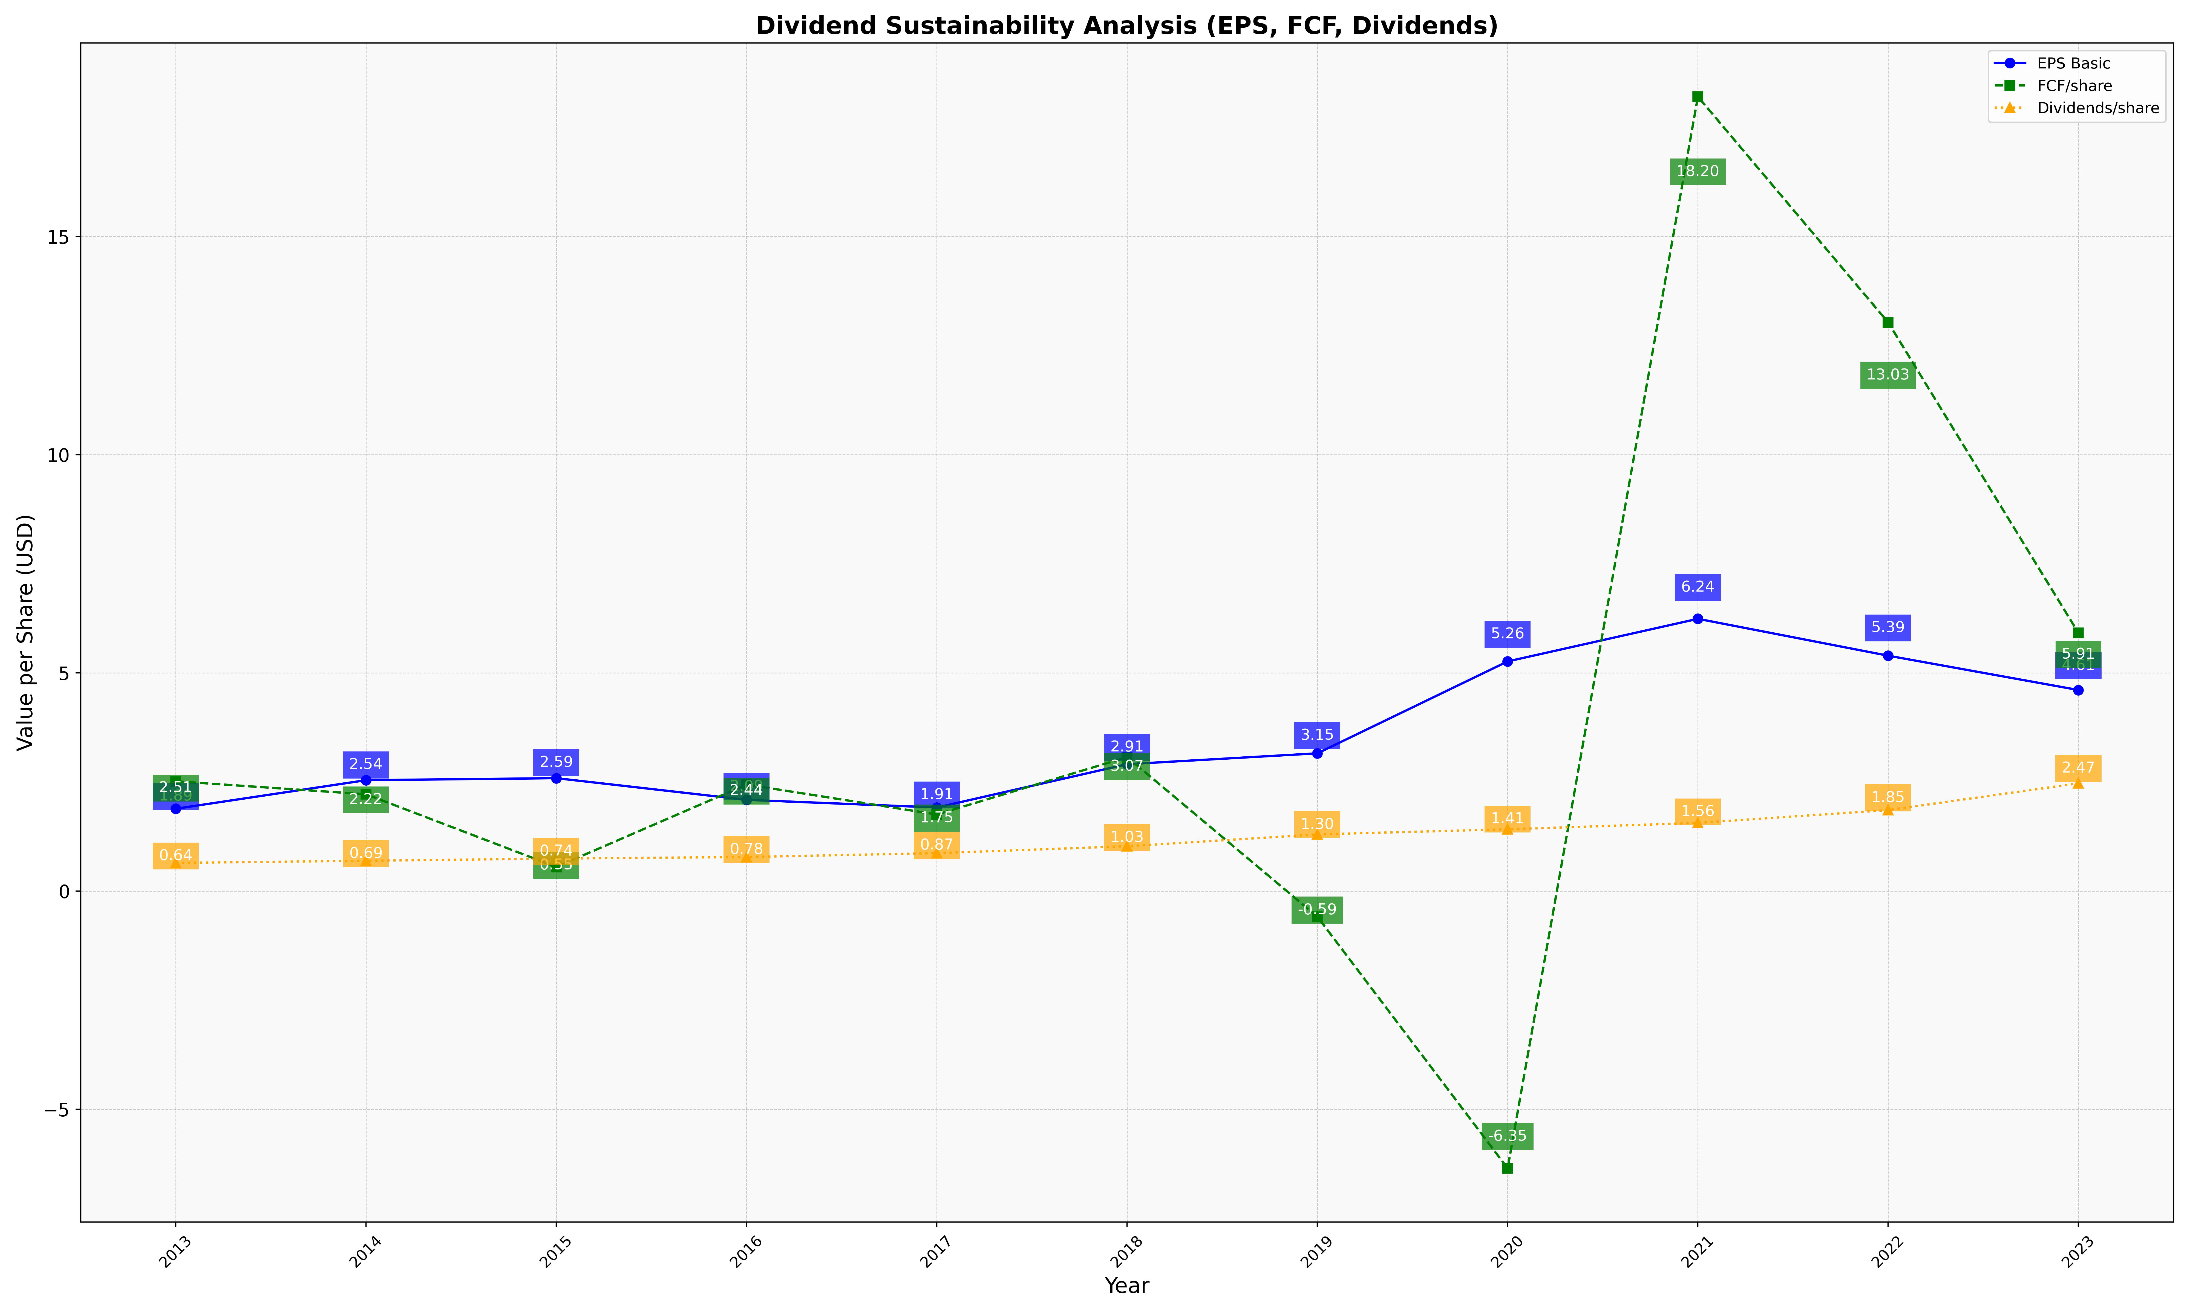
fiscal_date_ending | eps_per_share | free_cash_flow_per_share | dividend_per_share
2013 | 1.8852334141 | 2.5145113261 | 0.6447268836
2014 | 2.5397607215 | 2.2170383688 | 0.69300686048
2015 | 2.5858132887 | 0.55211904949 | 0.74405930372
2016 | 2.0891895928 | 2.439876542 | 0.77878887602
2017 | 1.9137181035 | 1.7533563554 | 0.86801980744
2018 | 2.9061996602 | 3.0686237363 | 1.0262644671
2019 | 3.1546886028 | -0.58852148309 | 1.2977965969
2020 | 5.2612348352 | -6.3540192903 | 1.4148127245
2021 | 6.237434148 | 18.201895886 | 1.5608132788
2022 | 5.3924691724 | 13.029213111 | 1.8543245705
2023 | 4.6058200487 | 5.9144359285 | 2.4683234246

