Dividend Data Analysis
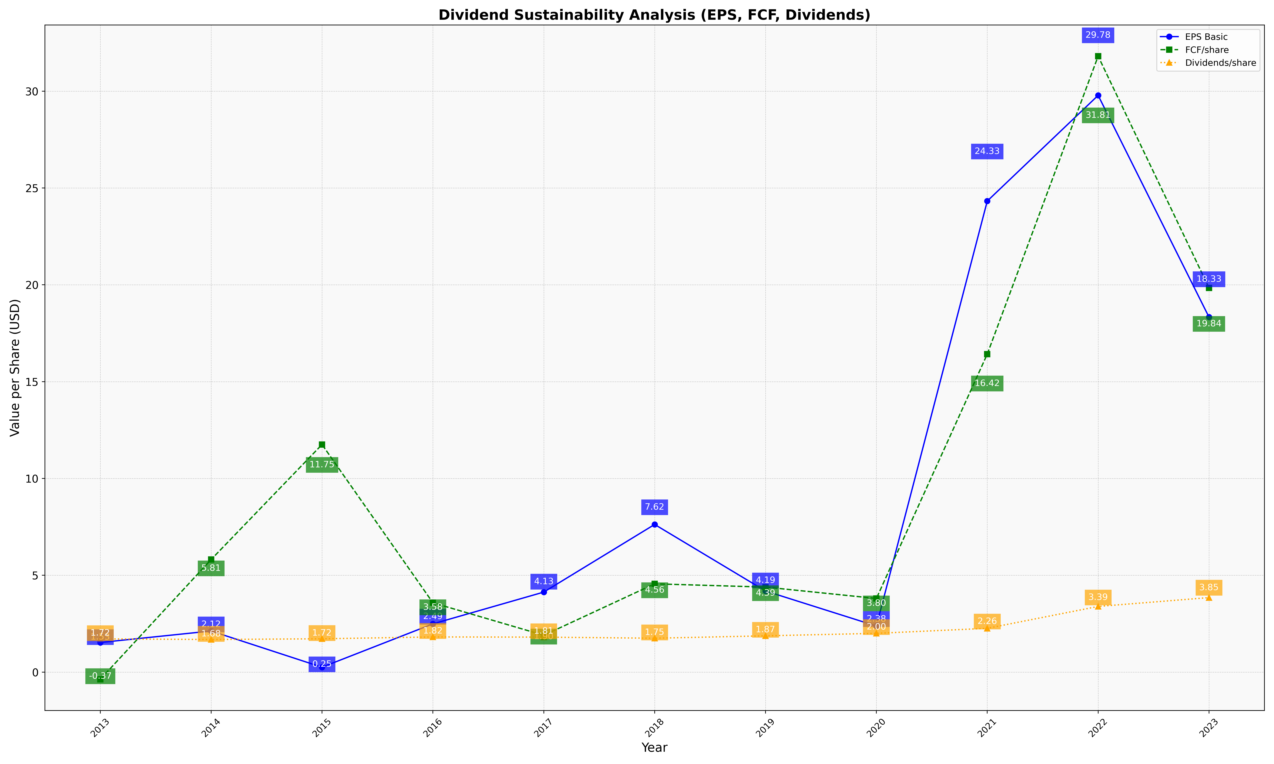
fiscal_date_ending | eps_per_share | free_cash_flow_per_share | dividend_per_share
2013 | 1.5280817607 | -0.3726167999 | 1.7153279415
2014 | 2.1219931218 | 5.8140756729 | 1.6830958859
2015 | 0.25176840451 | 11.751453398 | 1.7196564243
2016 | 2.4889691173 | 3.5795230058 | 1.8150506377
2017 | 4.1312151278 | 1.9009432928 | 1.8054298076
2018 | 7.6240343874 | 4.5581466698 | 1.7489375032
2019 | 4.188266266 | 4.3891782894 | 1.8728406167
2020 | 2.3775110724 | 3.8017307287 | 2.000827138
2021 | 24.325494975 | 16.42060277 | 2.2594746162
2022 | 29.782822489 | 31.806179456 | 3.3899391998
2023 | 18.331203714 | 19.842219125 | 3.8470117811

