Dividend Data Analysis
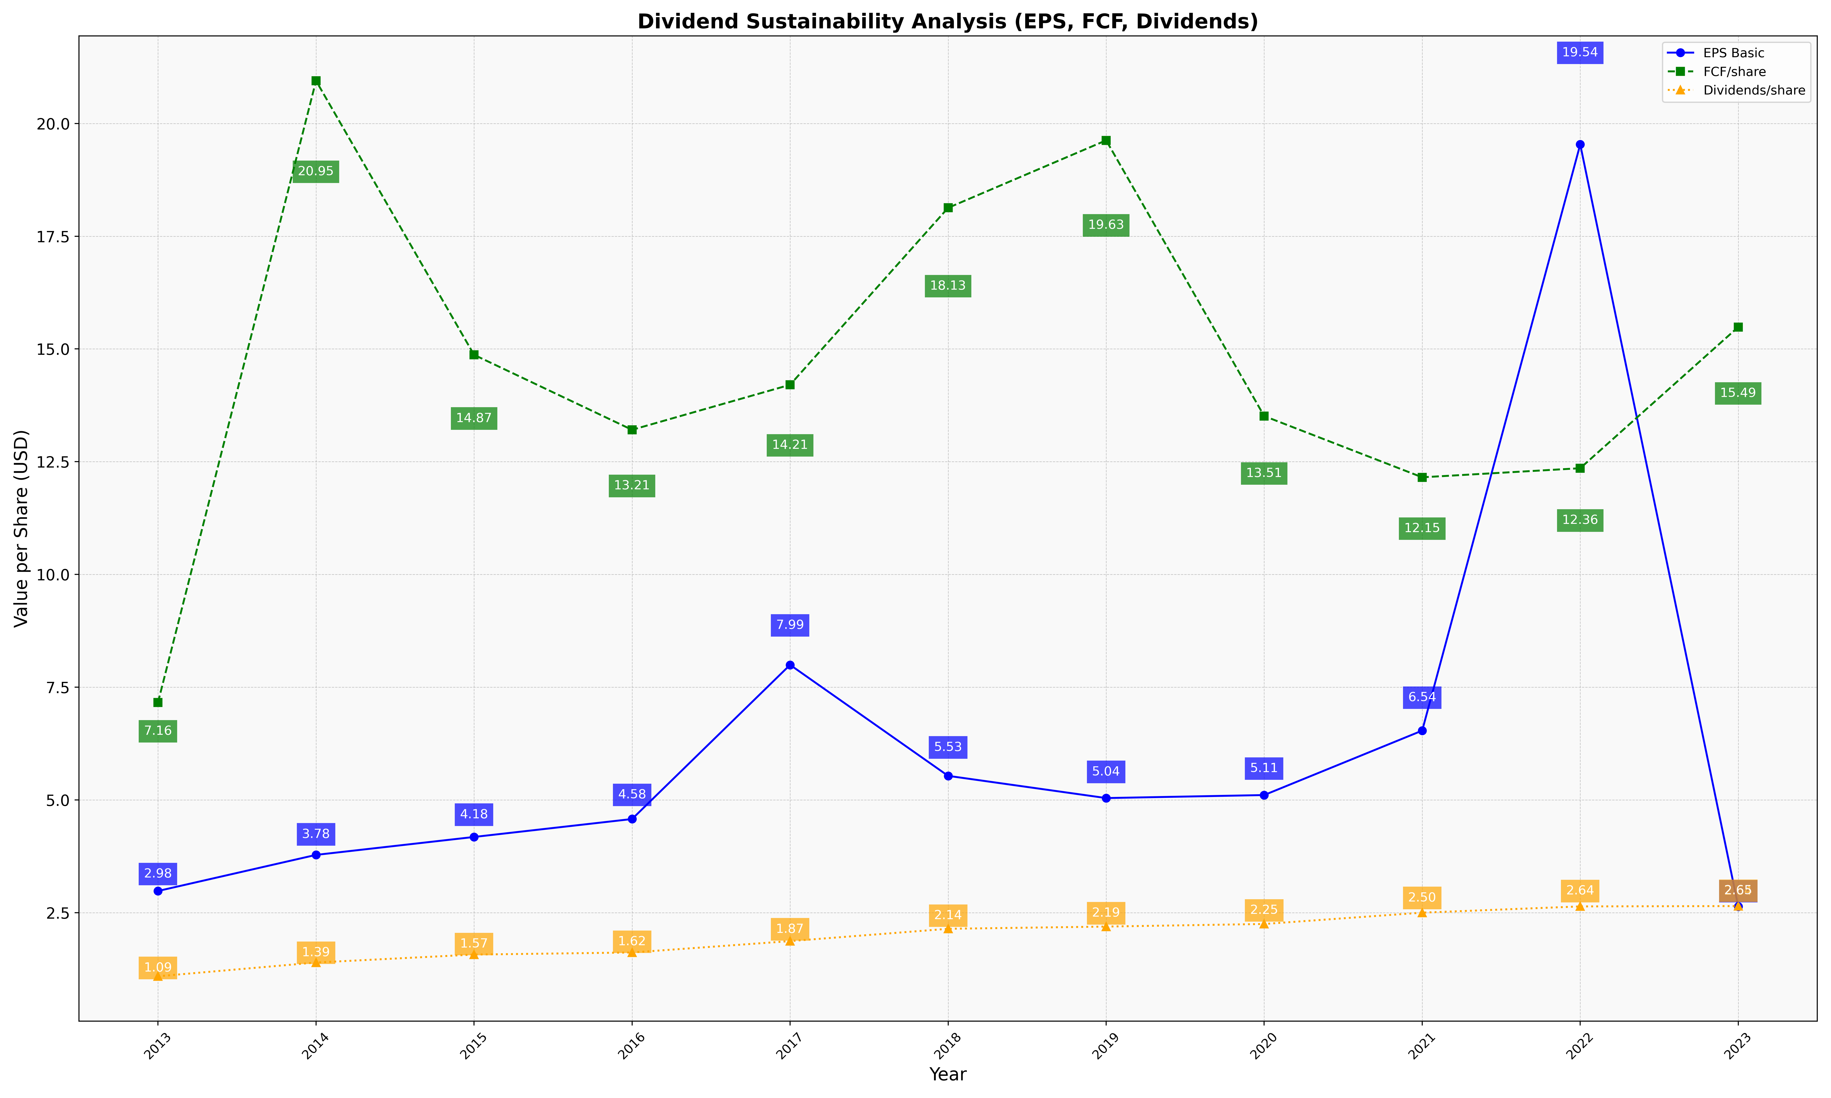
fiscal_date_ending | eps_per_share | free_cash_flow_per_share | dividend_per_share
2013 | 2.9800135501 | 7.1612466125 | 1.0887533875
2014 | 3.7805375978 | 20.947260973 | 1.3936713168
2015 | 4.1781056966 | 14.869595058 | 1.5700068634
2016 | 4.5759471672 | 13.206812652 | 1.6159193604
2017 | 7.9944636678 | 14.205536332 | 1.8685121107
2018 | 5.5330948122 | 18.129874776 | 2.1416815742
2019 | 5.0404916847 | 19.625813449 | 2.1908893709
2020 | 5.1072081961 | 13.512257592 | 2.2484449323
2021 | 6.5364921666 | 12.153993122 | 2.4994268246
2022 | 19.535523614 | 12.35523614 | 2.6377823409
2023 | 2.6357828483 | 15.486493064 | 2.6455105449

