Dividend Data Analysis
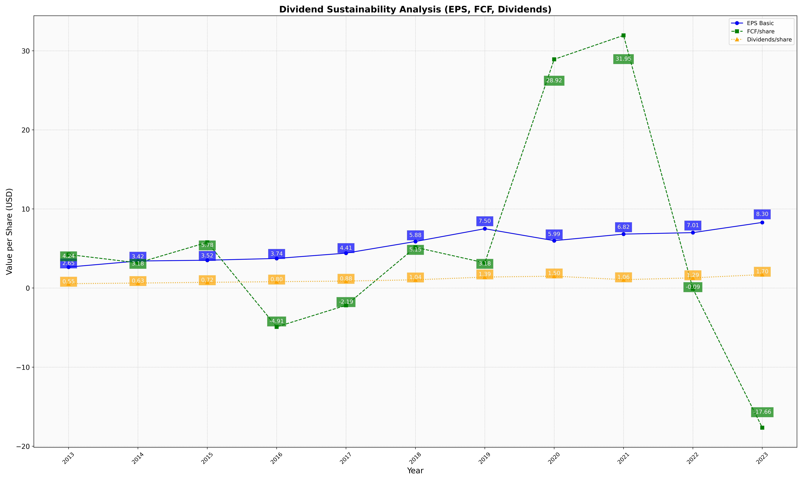
fiscal_date_ending | eps_per_share | free_cash_flow_per_share | dividend_per_share
2013 | 2.6519079228 | 4.2392938916 | 0.55322176397
2014 | 3.4181595599 | 3.1846347661 | 0.62706496132
2015 | 3.5176021226 | 5.7763868863 | 0.72253960197
2016 | 3.7398129836 | -4.9104765355 | 0.80140868197
2017 | 4.4137082255 | -2.1859930956 | 0.88275552468
2018 | 5.8842739634 | 5.1524405624 | 1.0390927474
2019 | 7.5013447285 | 3.1848069012 | 1.385644916
2020 | 5.9901919468 | 28.918420535 | 1.5012094732
2021 | 6.8193255565 | 31.948272903 | 1.0595958456
2022 | 7.0053101785 | -0.088321760711 | 1.2876383009
2023 | 8.2950191571 | -17.658045977 | 1.7001915709

