Dividend Data Analysis
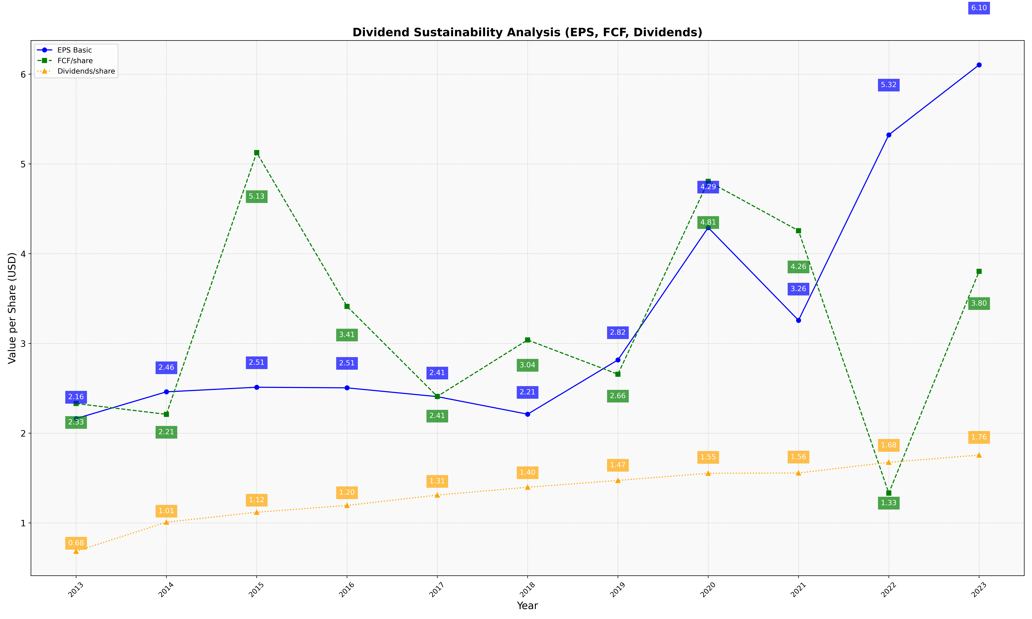
fiscal_date_ending | eps_per_share | free_cash_flow_per_share | dividend_per_share
2013 | 2.1626989887 | 2.3310488809 | 0.68446891901
2014 | 2.4608825214 | 2.2102776657 | 1.0086487292
2015 | 2.5120963949 | 5.126075901 | 1.1195040417
2016 | 2.5053795502 | 3.4132009784 | 1.1952857724
2017 | 2.4074884084 | 2.4095492529 | 1.3106830438
2018 | 2.2118644096 | 3.0387588889 | 1.3982163901
2019 | 2.8164176589 | 2.6571261126 | 1.473754833
2020 | 4.2907455405 | 4.8059257143 | 1.5535743588
2021 | 3.257880875 | 4.2560864298 | 1.5565777954
2022 | 5.3236333697 | 1.3326278203 | 1.6757037895
2023 | 6.1031514851 | 3.8030903057 | 1.7562108135

