Dividend Data Analysis
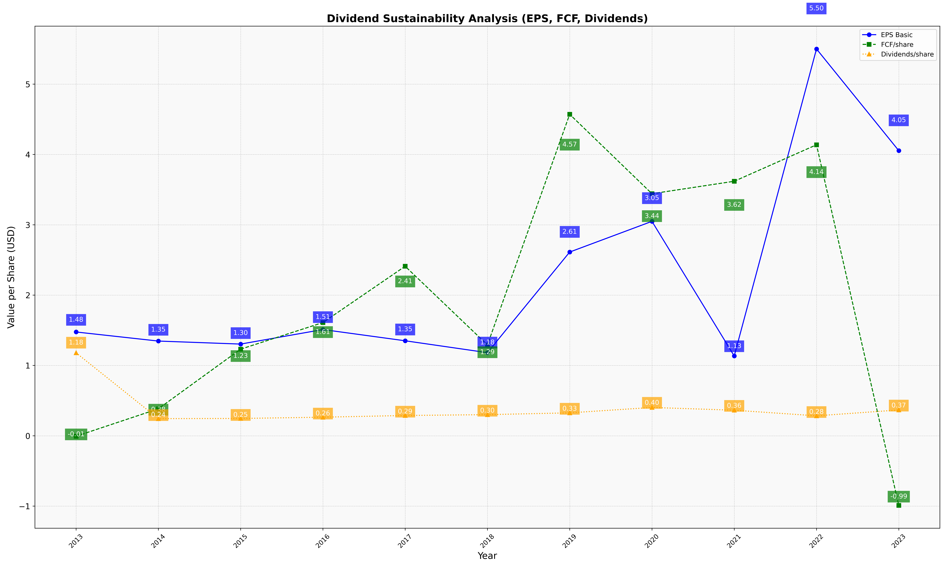
fiscal_date_ending | eps_per_share | free_cash_flow_per_share | dividend_per_share
2013 | 1.4759030084 | -0.0063889727337 | 1.1801992152
2014 | 1.3469172932 | 0.38365914787 | 0.24395989975
2015 | 1.3039946874 | 1.2316612178 | 0.24662852472
2016 | 1.5107131604 | 1.6098098939 | 0.26452053356
2017 | 1.3509306066 | 2.4102136949 | 0.28883272059
2018 | 1.1819089831 | 1.2919033648 | 0.30083026406
2019 | 2.6123441567 | 4.5710371284 | 0.32627757227
2020 | 3.0487354362 | 3.441673771 | 0.40288434214
2021 | 1.1346767899 | 3.6187468956 | 0.36386858724
2022 | 5.4998402045 | 4.1371400163 | 0.28400980079
2023 | 4.0540699816 | -0.98913443831 | 0.36729281768

