Dividend Data Analysis
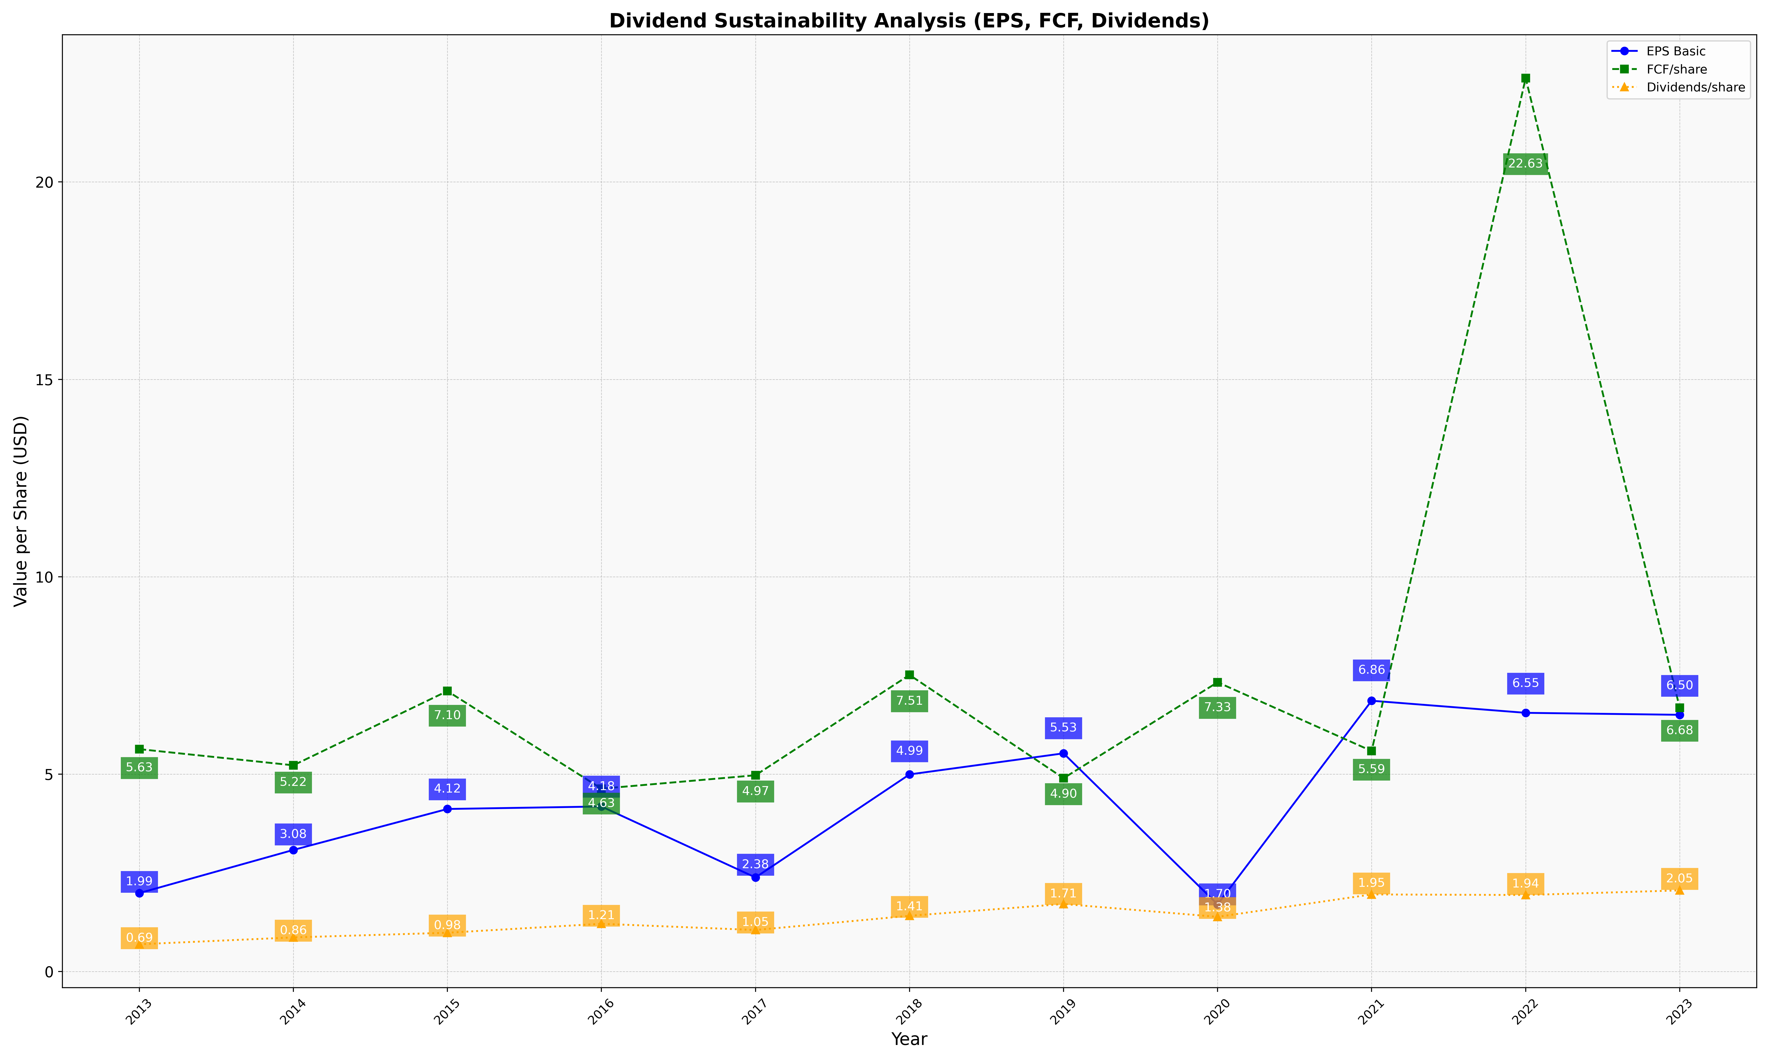
fiscal_date_ending | eps_per_share | free_cash_flow_per_share | dividend_per_share
2013 | 1.9857597812 | 5.6326460982 | 0.6898404605
2014 | 3.0791651522 | 5.2232436142 | 0.86366019505
2015 | 4.1168071872 | 7.1036475831 | 0.98126625727
2016 | 4.1799571381 | 4.6311673373 | 1.2086061175
2017 | 2.3817959559 | 4.970857181 | 1.0506899194
2018 | 4.992276068 | 7.5125980514 | 1.4110420424
2019 | 5.5263416417 | 4.8965183393 | 1.7097955704
2020 | 1.6996771907 | 7.3268638086 | 1.3844044868
2021 | 6.8588957899 | 5.5857229135 | 1.9520051384
2022 | 6.5524319848 | 22.630379625 | 1.9373204756
2023 | 6.5021670887 | 6.6805890329 | 2.0544568661

