Dividend Data Analysis
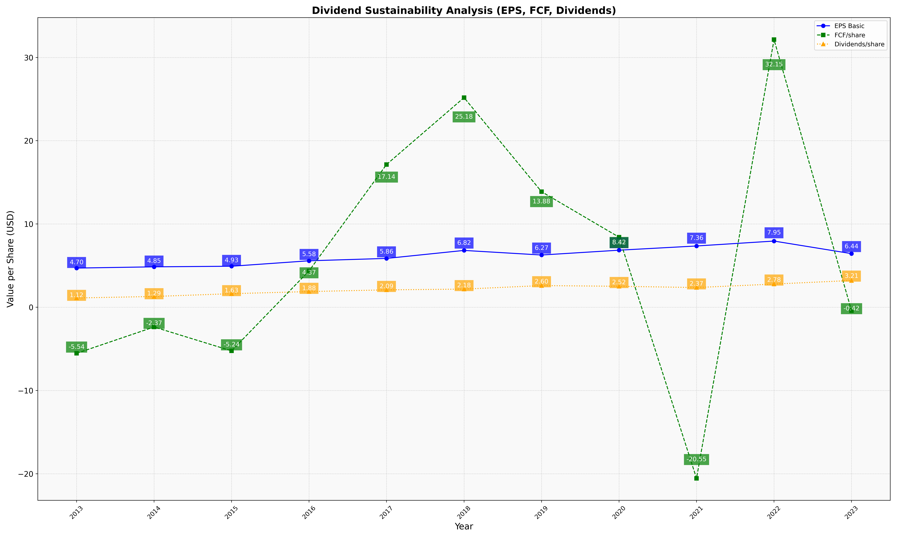
fiscal_date_ending | eps_per_share | free_cash_flow_per_share | dividend_per_share
2013 | 4.7044892302 | -5.535233182 | 1.1153081785
2014 | 4.8539610675 | -2.3717673267 | 1.2939095032
2015 | 4.925667204 | -5.2391187534 | 1.6294505145
2016 | 5.5798137285 | 4.3664711258 | 1.8825036517
2017 | 5.8642753508 | 17.144029469 | 2.0889440953
2018 | 6.8246410252 | 25.177214056 | 2.1792528997
2019 | 6.2732691558 | 13.878418828 | 2.6022035303
2020 | 6.8524903673 | 8.4155377569 | 2.5172991473
2021 | 7.3582688936 | -20.550144949 | 2.3662312892
2022 | 7.947873707 | 32.146771086 | 2.7849074417
2023 | 6.4382790291 | -0.417295863 | 3.2125157707

