Dividend Data Analysis
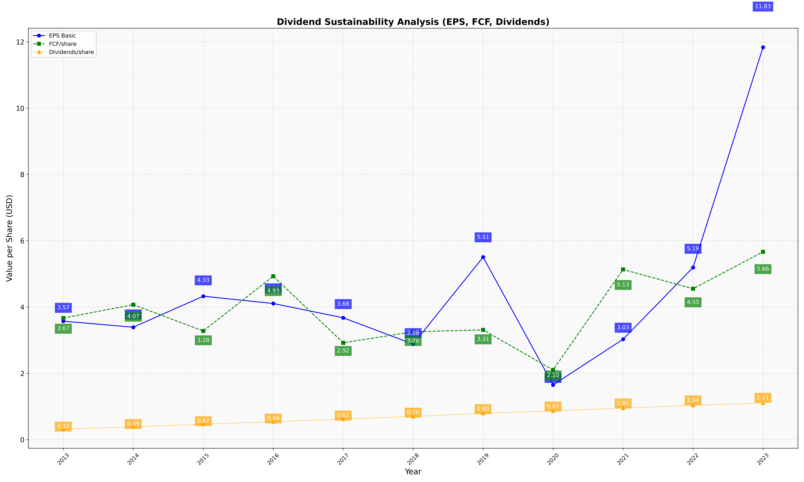
fiscal_date_ending | eps_per_share | free_cash_flow_per_share | dividend_per_share
2013 | 3.5736010581 | 3.6681045109 | 0.31713637645
2014 | 3.3914007666 | 4.071880354 | 0.38632505816
2015 | 4.327000903 | 3.2785076348 | 0.46579501162
2016 | 4.1071578761 | 4.9290470646 | 0.54014144037
2017 | 3.6757676763 | 2.9212659172 | 0.62009083241
2018 | 2.8809430075 | 3.2551098487 | 0.6995361559
2019 | 5.5059719373 | 3.3109283498 | 0.7966204355
2020 | 1.6499144395 | 2.1021126064 | 0.86680169137
2021 | 3.0282110241 | 5.1335038966 | 0.95056584364
2022 | 5.1921799223 | 4.5521327239 | 1.0359326286
2023 | 11.834151256 | 5.6646275846 | 1.1055776884

