Dividend Data Analysis
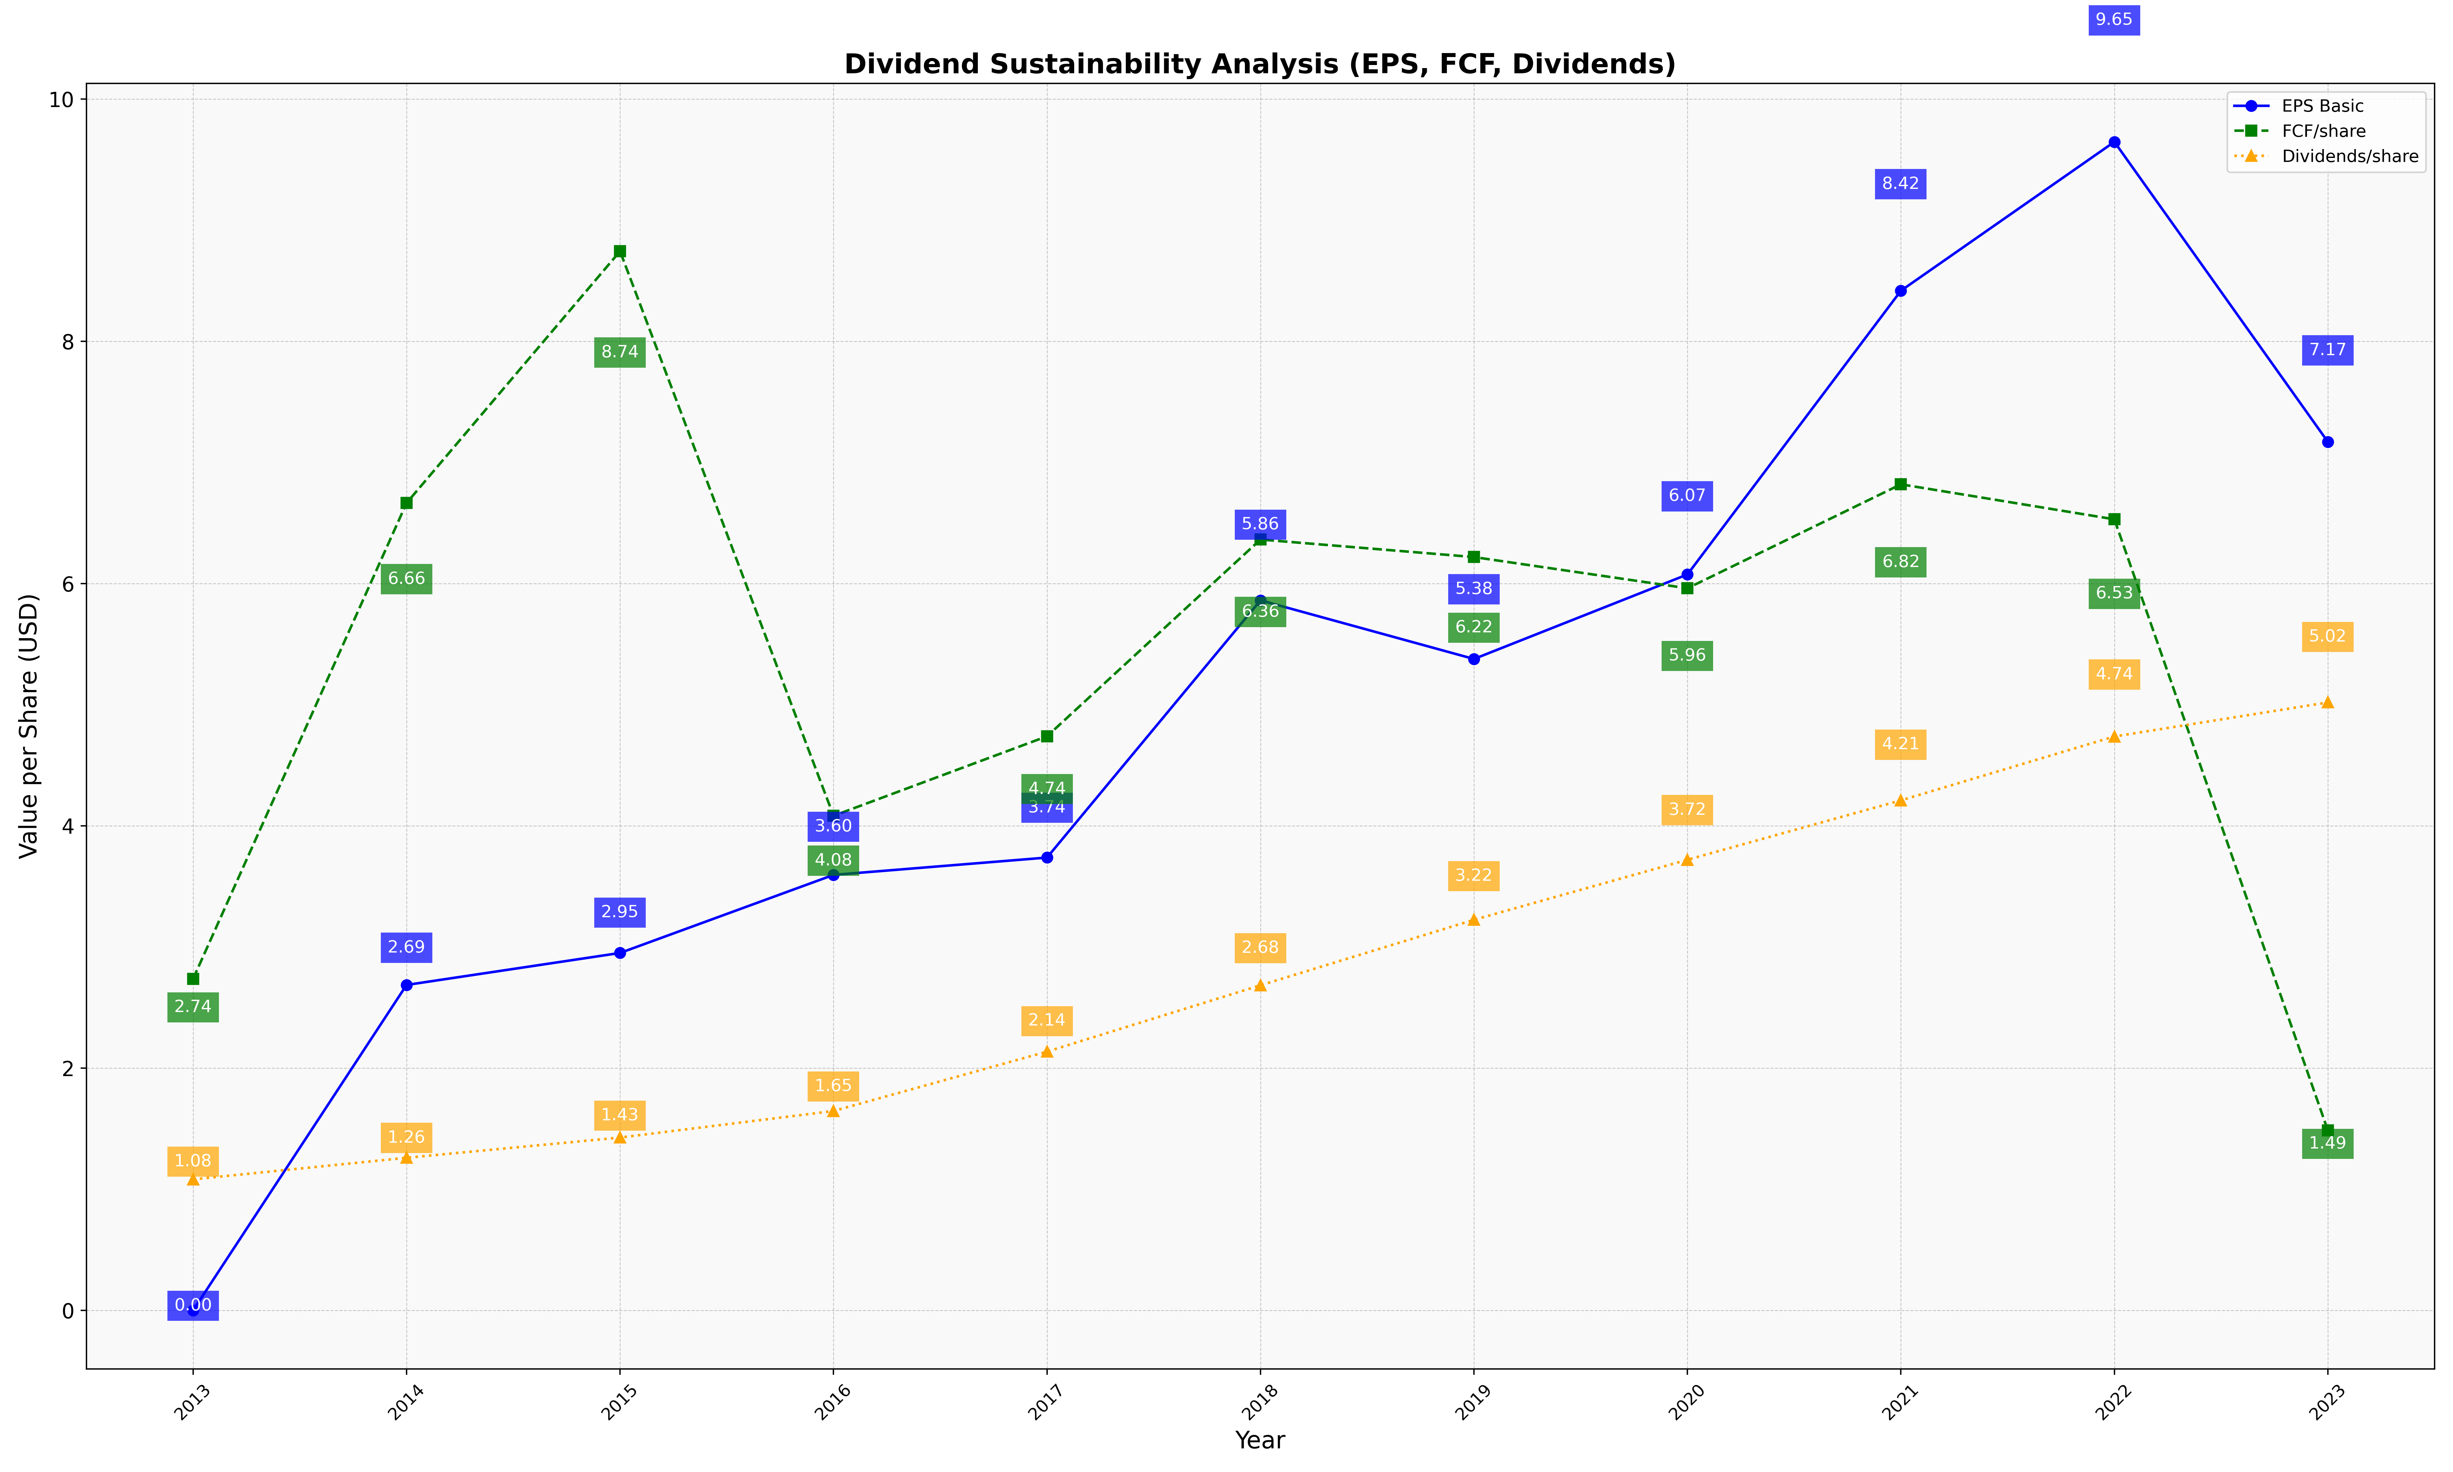
fiscal_date_ending | eps_per_share | free_cash_flow_per_share | dividend_per_share
2013 | 0 | 2.7366482505 | 1.0819521179
2014 | 2.6866666667 | 6.6647619048 | 1.26
2015 | 2.9505928854 | 8.743083004 | 1.4268774704
2016 | 3.595 | 4.083 | 1.646
2017 | 3.738071066 | 4.7390862944 | 2.1360406091
2018 | 5.8613445378 | 6.3634453782 | 2.6838235294
2019 | 5.3772775991 | 6.2186495177 | 3.2240085745
2020 | 6.0749185668 | 5.9609120521 | 3.7198697068
2021 | 8.4171180932 | 6.8190682557 | 4.210184182
2022 | 9.6460859978 | 6.5303197354 | 4.7375964719
2023 | 7.1696035242 | 1.4856828194 | 5.018722467

