Dividend Data Analysis
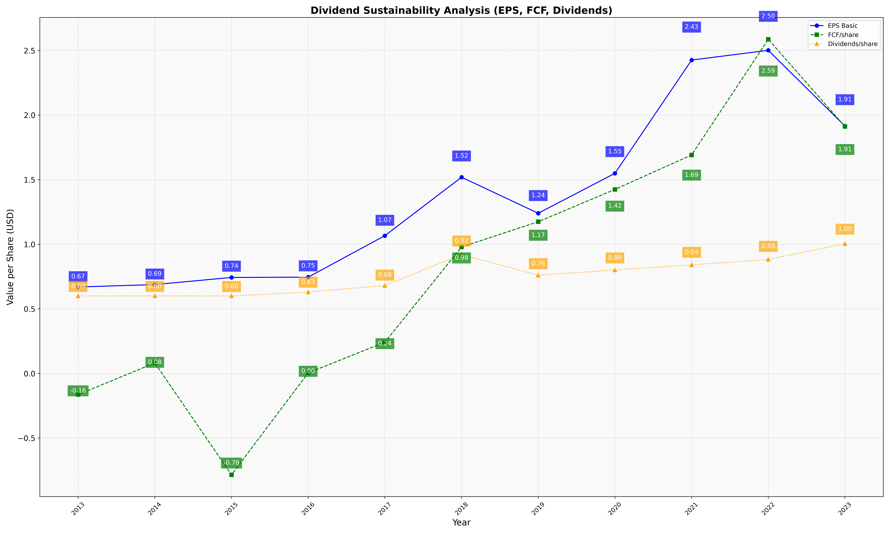
fiscal_date_ending | eps_per_share | free_cash_flow_per_share | dividend_per_share
2013 | 0.66934485509 | -0.163822128 | 0.60017551215
2014 | 0.68786394767 | 0.081307795232 | 0.60055970254
2015 | 0.74304871911 | -0.78462357888 | 0.59998228992
2016 | 0.7453870804 | 0.0042938221611 | 0.63047622066
2017 | 1.0663489803 | 0.24192657487 | 0.68052135177
2018 | 1.51887176 | 0.97894984724 | 0.92020667292
2019 | 1.2401160664 | 1.174335907 | 0.76024102594
2020 | 1.5489974225 | 1.4246049372 | 0.80067296335
2021 | 2.4257802927 | 1.6913773931 | 0.84068708768
2022 | 2.5014096812 | 2.5867780831 | 0.88256017002
2023 | 1.9147877589 | 1.9115026617 | 1.0036501668

