Dividend Data Analysis
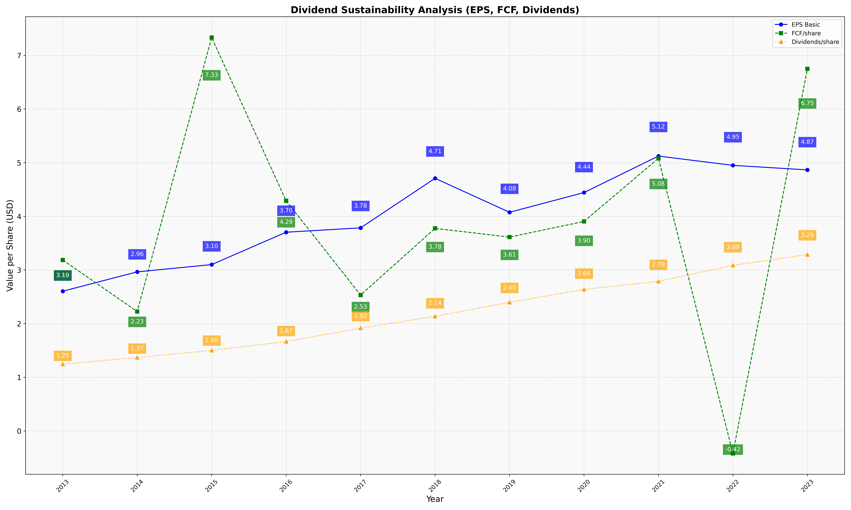
fiscal_date_ending | eps_per_share | free_cash_flow_per_share | dividend_per_share
2013 | 2.6046191642 | 3.1869997886 | 1.2458836903
2014 | 2.9649536862 | 2.2261891094 | 1.368002222
2015 | 3.1007253041 | 7.332208112 | 1.5030632179
2016 | 3.7040222438 | 4.289593899 | 1.6658528253
2017 | 3.7849905139 | 2.5330046096 | 1.917022968
2018 | 4.7085238541 | 3.7754108849 | 2.1360373875
2019 | 4.075324844 | 3.6132535092 | 2.3973914072
2020 | 4.4428064955 | 3.9047080576 | 2.6373629269
2021 | 5.1228517162 | 5.0809813081 | 2.7883211615
2022 | 4.9498079228 | -0.418971845 | 3.0868204646
2023 | 4.8655082481 | 6.7475537537 | 3.2868519875

