Dividend Data Analysis
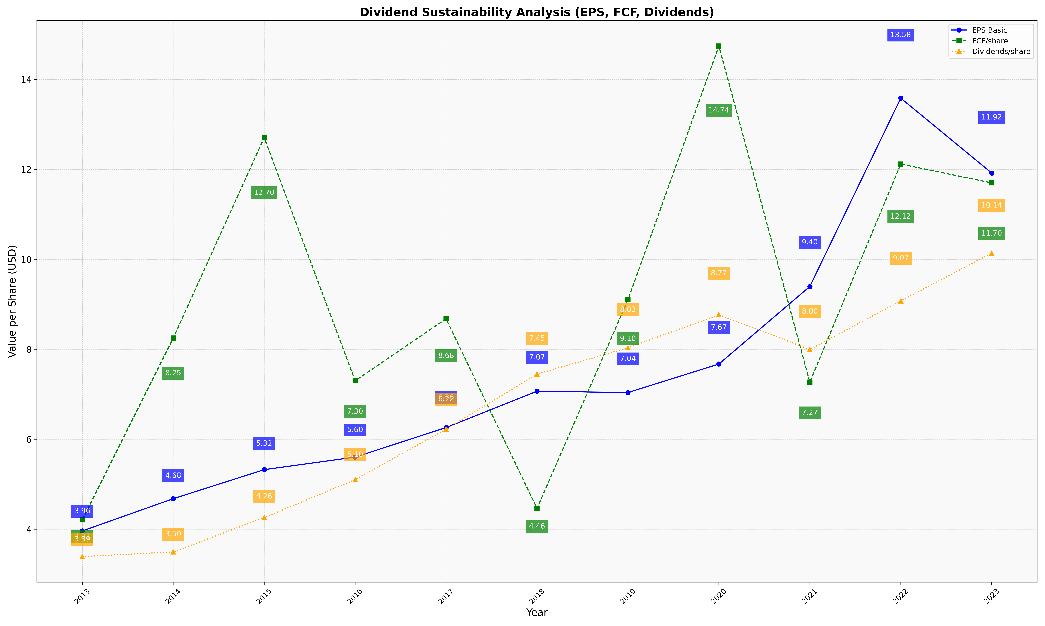
fiscal_date_ending | eps_per_share | free_cash_flow_per_share | dividend_per_share
2013 | 3.9622334683 | 4.2093553791 | 3.3916443013
2014 | 4.6789924714 | 8.2495495619 | 3.49650274
2015 | 5.3242024872 | 12.704483286 | 4.2576008949
2016 | 5.602801321 | 7.2989964761 | 5.1030514258
2017 | 6.2600667324 | 8.677946518 | 6.2226965203
2018 | 7.067206477 | 4.4627210182 | 7.4486224457
2019 | 7.0380971526 | 9.0989046523 | 8.0320441602
2020 | 7.6716590595 | 14.739583233 | 8.7682852131
2021 | 9.3954357933 | 7.2684470073 | 7.9950629586
2022 | 13.581621043 | 12.116410822 | 9.0736850842
2023 | 11.917481081 | 11.69836832 | 10.137603747

