Dividend Data Analysis
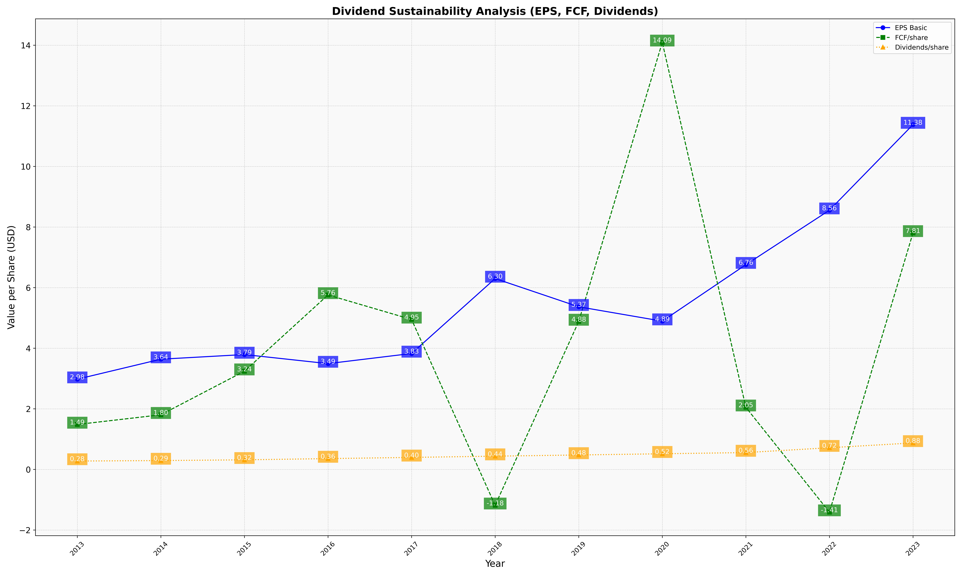
fiscal_date_ending | eps_per_share | free_cash_flow_per_share | dividend_per_share
2013 | 2.9797469832 | 1.4850027355 | 0.27829354132
2014 | 3.639539563 | 1.8046017167 | 0.29434005652
2015 | 3.7928462858 | 3.2424714516 | 0.31846250376
2016 | 3.4935708525 | 5.759920799 | 0.35890998845
2017 | 3.8278324492 | 4.9506575424 | 0.39854719441
2018 | 6.3009488036 | -1.1823174898 | 0.43934983085
2019 | 5.3693215636 | 4.8823617153 | 0.47870629157
2020 | 4.8945268582 | 14.094838528 | 0.51854685626
2021 | 6.757941476 | 2.0515104288 | 0.55810179029
2022 | 8.5553920676 | -1.4079364506 | 0.71756579925
2023 | 11.380720502 | 7.8073877351 | 0.87636587912

