Dividend Data Analysis
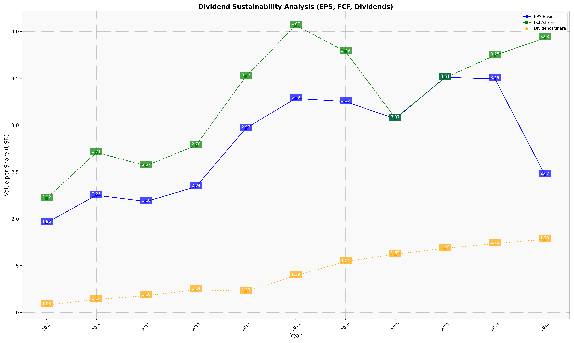
fiscal_date_ending | eps_per_share | free_cash_flow_per_share | dividend_per_share
2013 | 1.9580952854 | 2.2189130111 | 1.0800834617
2014 | 2.252126322 | 2.7075167024 | 1.138426645
2015 | 2.1845741242 | 2.5661741817 | 1.17988075
2016 | 2.3436505249 | 2.7842645897 | 1.2427587764
2017 | 2.9665780927 | 3.5204212184 | 1.2263556737
2018 | 3.2850436341 | 4.0665809568 | 1.3926873929
2019 | 3.2514616509 | 3.7852142472 | 1.5432148627
2020 | 3.0668777354 | 3.074550703 | 1.6227023
2021 | 3.5110313171 | 3.5050344266 | 1.6852557933
2022 | 3.4933969799 | 3.7459462471 | 1.7345604487
2023 | 2.4711810434 | 3.9305984827 | 1.7814367332

