Dividend Data Analysis
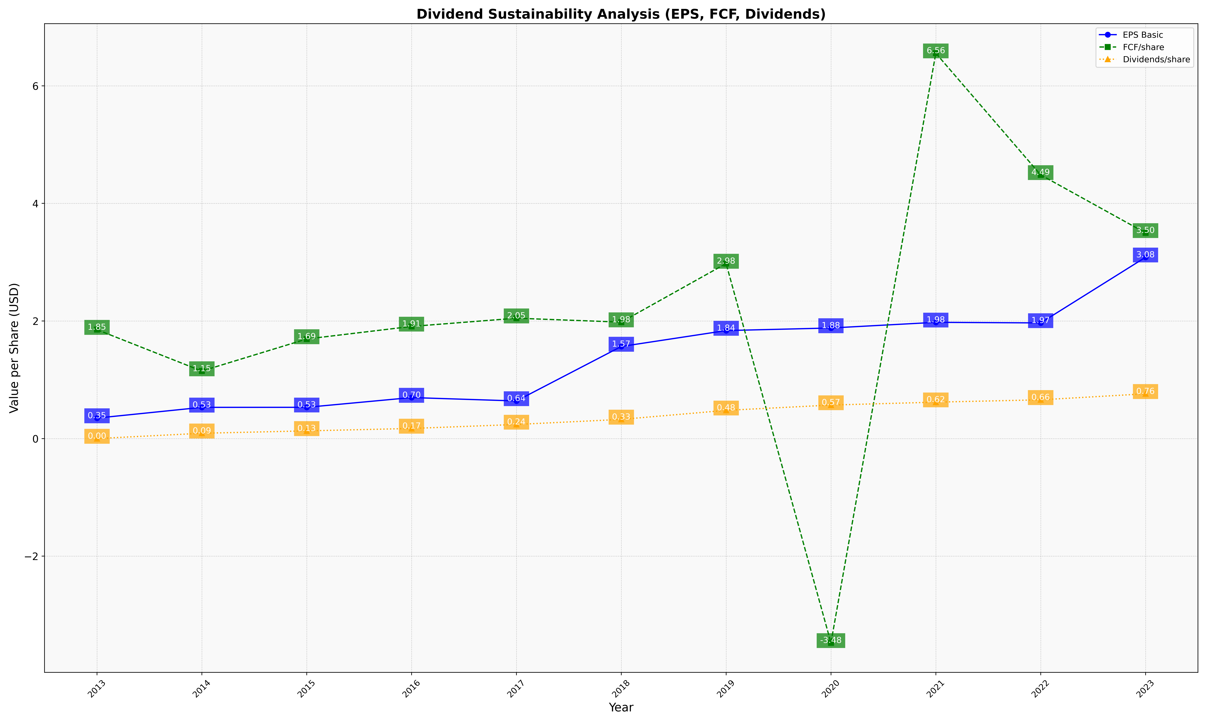
fiscal_date_ending | eps_per_share | free_cash_flow_per_share | dividend_per_share
2013 | 0.34819503069 | 1.8525473246 | 0
2014 | 0.53074348852 | 1.1482629643 | 0.089871035637
2015 | 0.53133082927 | 1.6936607324 | 0.13061785744
2016 | 0.69731140327 | 1.907365748 | 0.17156733828
2017 | 0.63941558252 | 2.0472129209 | 0.23962633125
2018 | 1.5658390103 | 1.9804663017 | 0.32583829619
2019 | 1.8368612932 | 2.9770663929 | 0.47980078638
2020 | 1.8805790606 | -3.4751047507 | 0.56978400916
2021 | 1.9770235247 | 6.5552099626 | 0.61916663805
2022 | 1.9669407719 | 4.485015852 | 0.65880624262
2023 | 3.0830274671 | 3.4987742343 | 0.76134696053

