Dividend Data Analysis
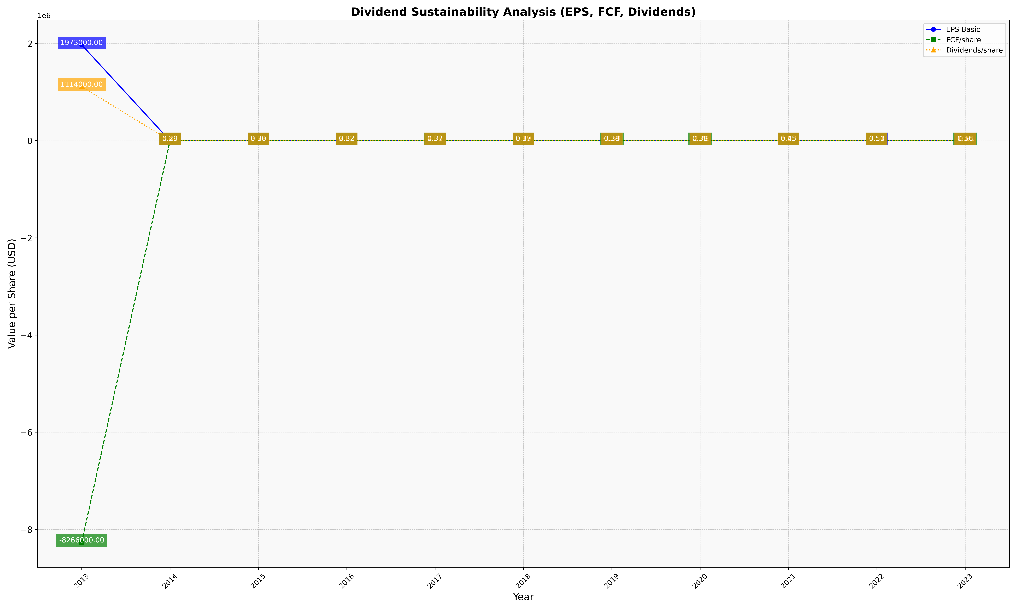
fiscal_date_ending | eps_per_share | free_cash_flow_per_share | dividend_per_share
2013 | 1973000 | -8266000 | 1114000
2014 | 0.54424315268 | 5.4341815122 | 0.2928755194
2015 | 0.67486602732 | 3.7779418731 | 0.30447444023
2016 | 1.3578645014 | 2.8168015359 | 0.3156532249
2017 | 1.0765047782 | 4.3338303499 | 0.36836770863
2018 | 0.9123786822 | 1.1920258616 | 0.36535436993
2019 | 1.6977703335 | -1.5892392093 | 0.37587685731
2020 | 3.1104778484 | -2.7164976776 | 0.38356595178
2021 | 2.1277308449 | 6.5276580662 | 0.44534930924
2022 | 1.323331858 | 3.1100339125 | 0.50220079202
2023 | 1.25886753 | -0.60627440808 | 0.55607493717

