Dividend Data Analysis
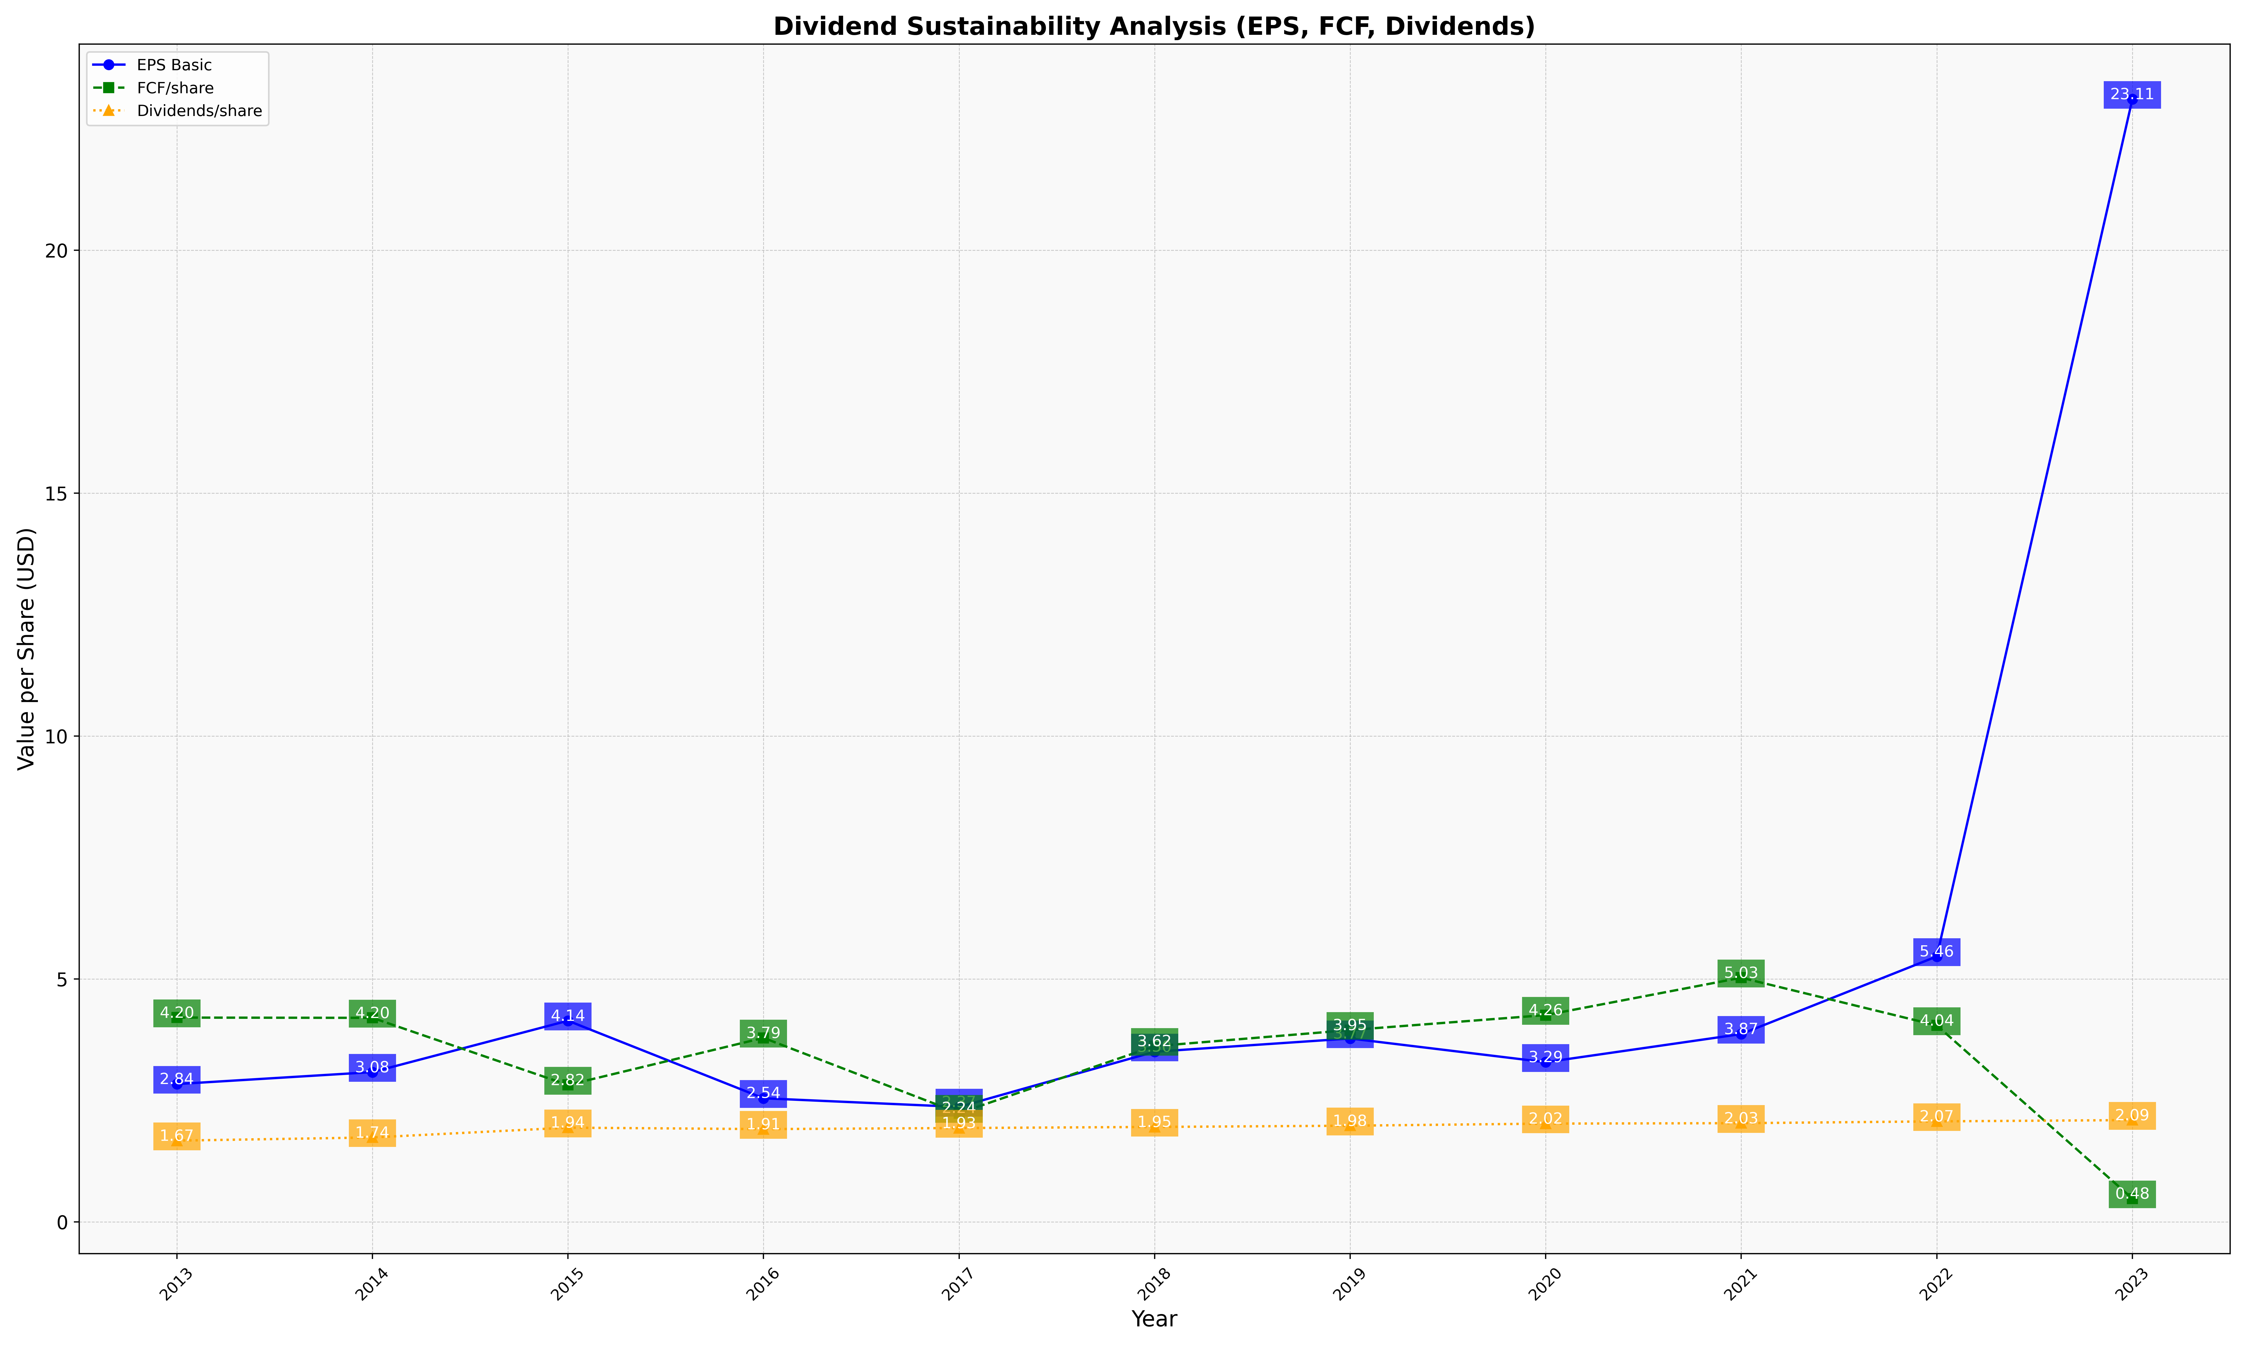
fiscal_date_ending | eps_per_share | free_cash_flow_per_share | dividend_per_share
2013 | 2.8358747708 | 4.2042834052 | 1.671241569
2014 | 3.0820900163 | 4.1989349313 | 1.7369953049
2015 | 4.1398788941 | 2.8169508047 | 1.9385632165
2016 | 2.5435733166 | 3.7865794818 | 1.9088467642
2017 | 2.3656209967 | 2.2378338282 | 1.9308329479
2018 | 3.5012714558 | 3.6157024793 | 1.9532739987
2019 | 3.7741407529 | 3.9476268412 | 1.9787234043
2020 | 3.2859531773 | 4.2558528428 | 2.0217391304
2021 | 3.8653910708 | 5.0251762336 | 2.0308828466
2022 | 5.4633074062 | 4.0429489347 | 2.0679742983
2023 | 23.11013986 | 0.47902097902 | 2.0944055944

