Dividend Data Analysis
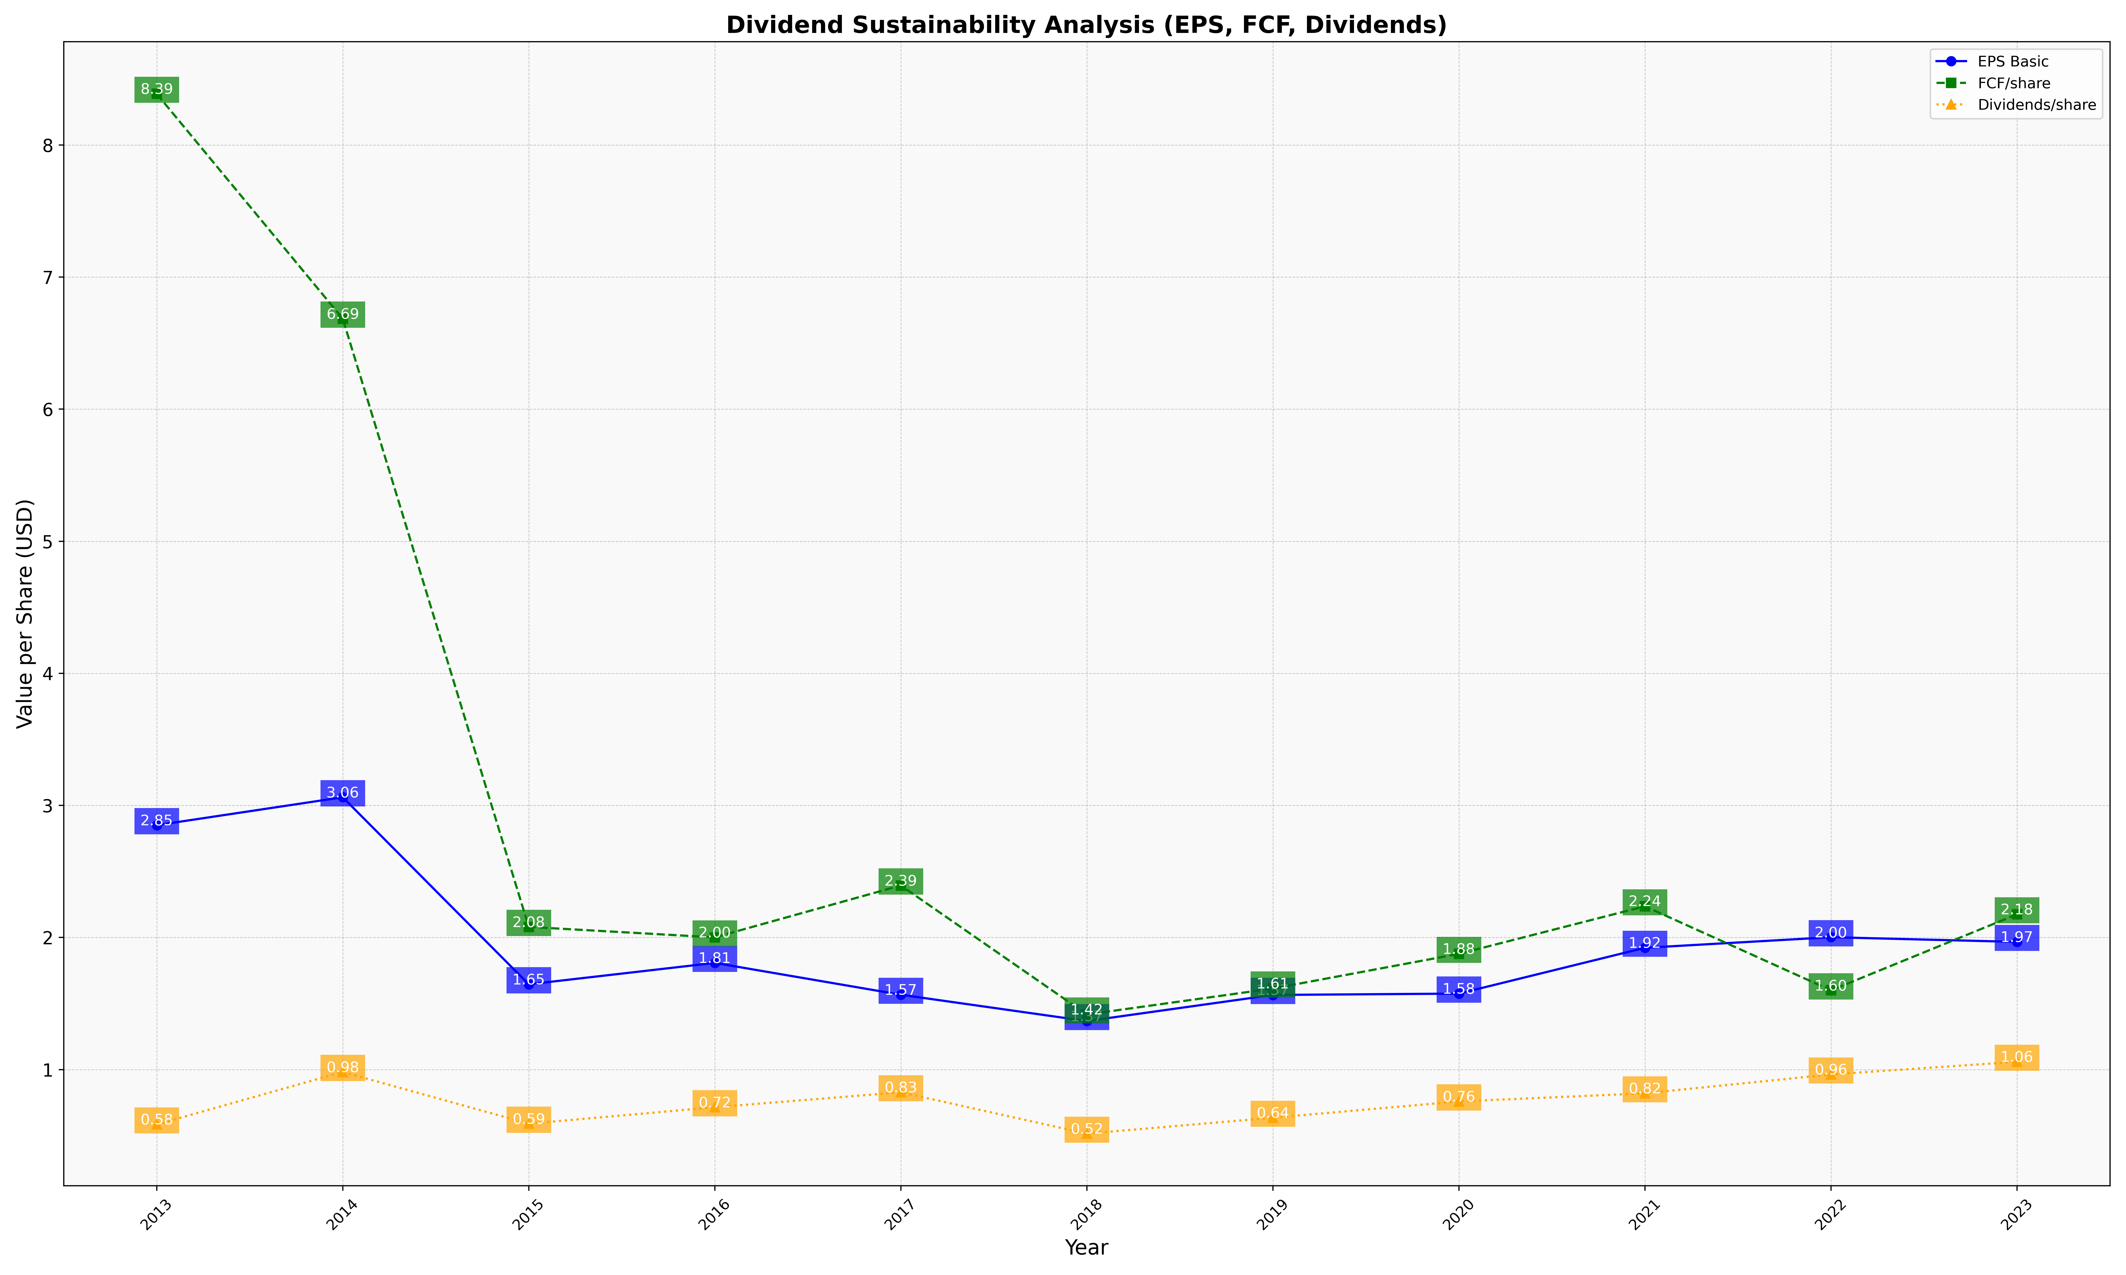
fiscal_date_ending | eps_per_share | free_cash_flow_per_share | dividend_per_share
2013 | 2.8503983476 | 8.3875774565 | 0.58475951608
2014 | 3.0618370571 | 6.6853231024 | 0.98232152261
2015 | 1.6458042354 | 2.0803291684 | 0.59065342947
2016 | 1.80793542 | 2.0011042571 | 0.71513974564
2017 | 1.5667791981 | 2.3939991655 | 0.82824413003
2018 | 1.3674369311 | 1.4173243248 | 0.51514979466
2019 | 1.5652702113 | 1.6138835633 | 0.63595983372
2020 | 1.5753597191 | 1.8763596809 | 0.75903591466
2021 | 1.9222017512 | 2.2363577656 | 0.82049041767
2022 | 2.0023089265 | 1.5998904238 | 0.96342895159
2023 | 1.9667757806 | 2.1756669346 | 1.0593135621

