Dividend Data Analysis
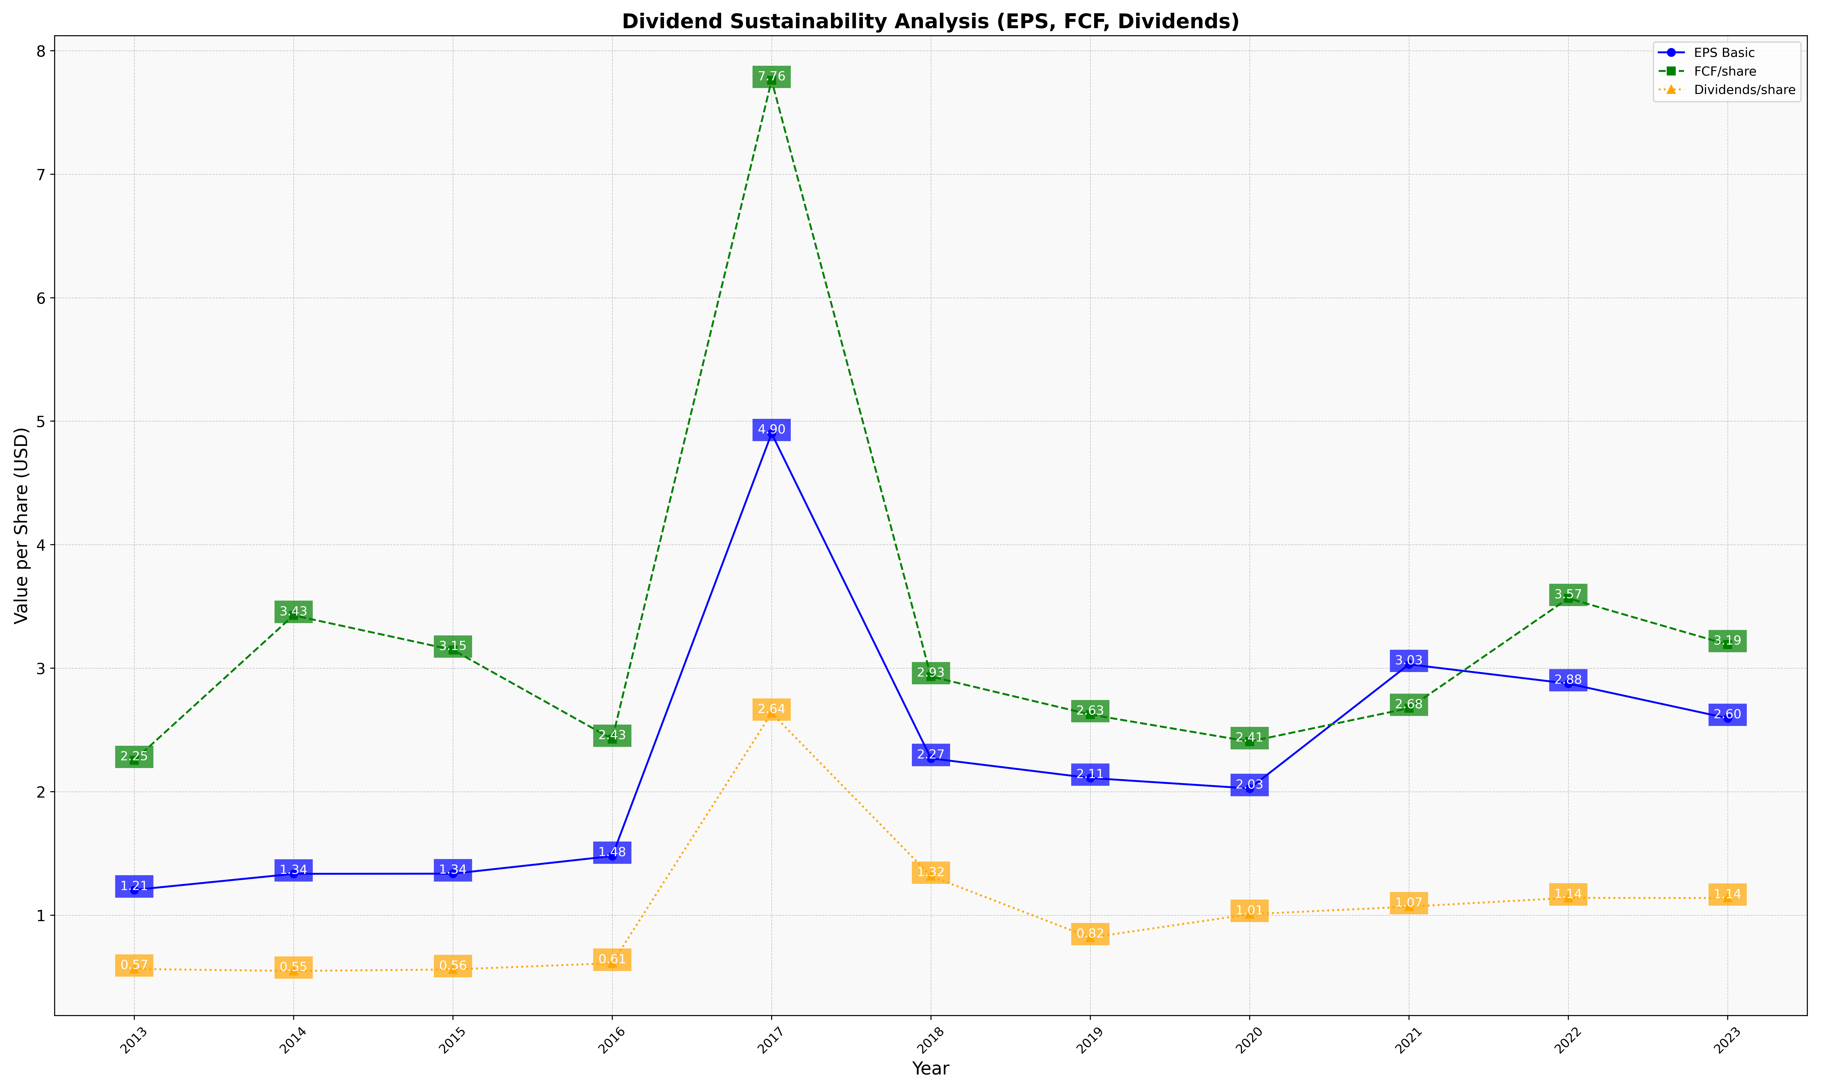
fiscal_date_ending | eps_per_share | free_cash_flow_per_share | dividend_per_share
2013 | 1.2055364586 | 2.2547636649 | 0.56533826667
2014 | 1.3355821973 | 3.4285014436 | 0.54933832443
2015 | 1.3367723025 | 3.1483211006 | 0.56134433311
2016 | 1.4796528593 | 2.4264163321 | 0.61221329002
2017 | 4.9012752897 | 7.7599153016 | 2.6378145764
2018 | 2.2702194623 | 2.9329186382 | 1.3175269251
2019 | 2.1114446865 | 2.625239355 | 0.81950304051
2020 | 2.0271398398 | 2.406487976 | 1.0086609079
2021 | 3.0315993037 | 2.6766448121 | 1.069958799
2022 | 2.8758614811 | 3.5662605277 | 1.1411121539
2023 | 2.5953395441 | 3.1919109287 | 1.1397983267

