Dividend Data Analysis
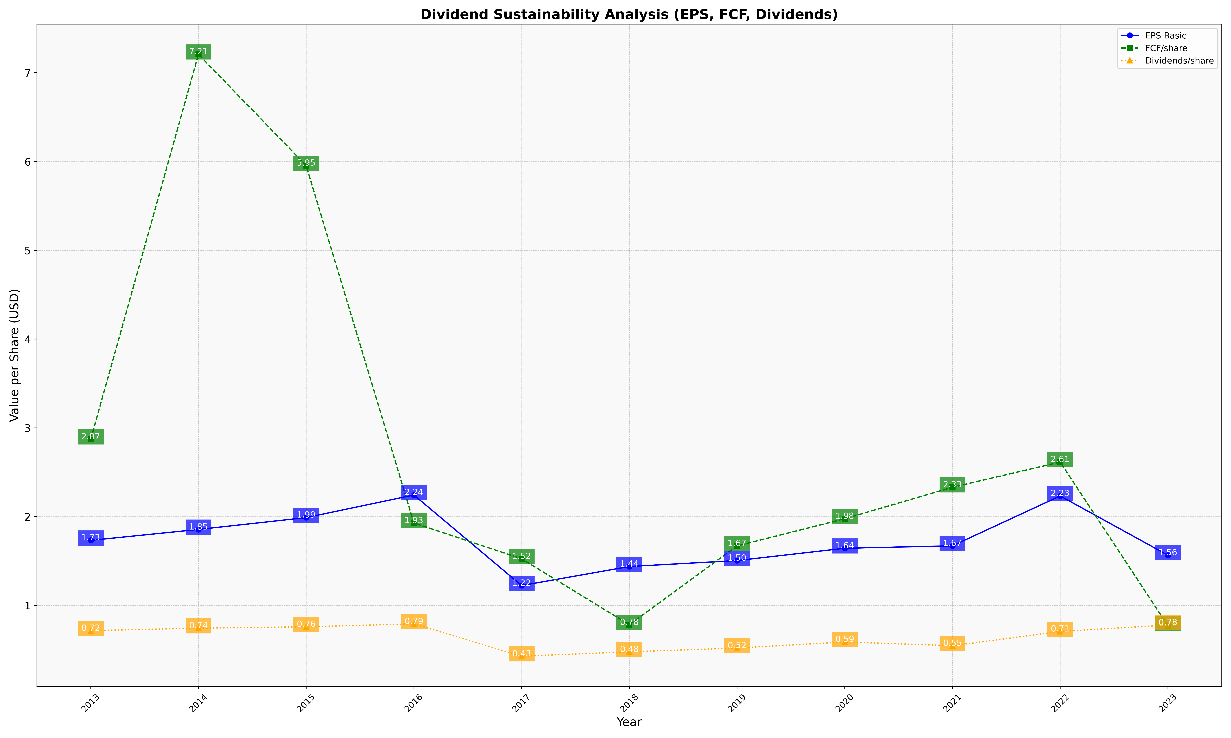
fiscal_date_ending | eps_per_share | free_cash_flow_per_share | dividend_per_share
2013 | 1.7321153846 | 2.8711538462 | 0.71519230769
2014 | 1.855 | 7.2080769231 | 0.74307692308
2015 | 1.9884615385 | 5.9538461538 | 0.75826923077
2016 | 2.2430769231 | 1.9276923077 | 0.79134615385
2017 | 1.2230769231 | 1.5245192308 | 0.42721153846
2018 | 1.4374038462 | 0.78125 | 0.47653846154
2019 | 1.5046606705 | 1.6697465249 | 0.51880621423
2020 | 1.6430907604 | 1.9754701554 | 0.58757154538
2021 | 1.6705774794 | 2.330489358 | 0.54536408883
2022 | 2.2324945887 | 2.6138347377 | 0.7055548022
2023 | 1.5645657141 | 0.7701642873 | 0.7782662206

