Dividend Data Analysis
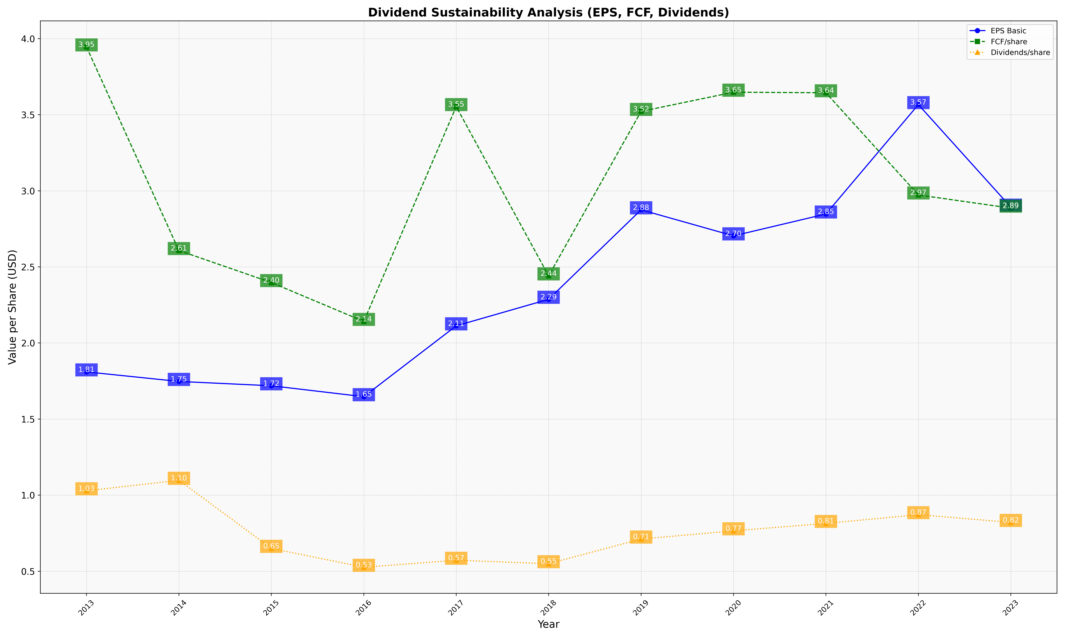
fiscal_date_ending | eps_per_share | free_cash_flow_per_share | dividend_per_share
2013 | 1.8100149184 | 3.9458393062 | 1.0284792415
2014 | 1.747329439 | 2.6077972809 | 1.0976974276
2015 | 1.7188774202 | 2.3971883856 | 0.65023557268
2016 | 1.6471194442 | 2.1418002036 | 0.52593387722
2017 | 2.1127646568 | 3.5534731598 | 0.57229286985
2018 | 2.2872874252 | 2.44121062 | 0.54944893559
2019 | 2.8754047071 | 3.522060393 | 0.71148918591
2020 | 2.7041061018 | 3.6483629884 | 0.76541673489
2021 | 2.8478505034 | 3.6445185681 | 0.8142009567
2022 | 3.5669205377 | 2.9729553182 | 0.87178135196
2023 | 2.8931297957 | 2.88654067 | 0.82078681967

