Dividend Data Analysis
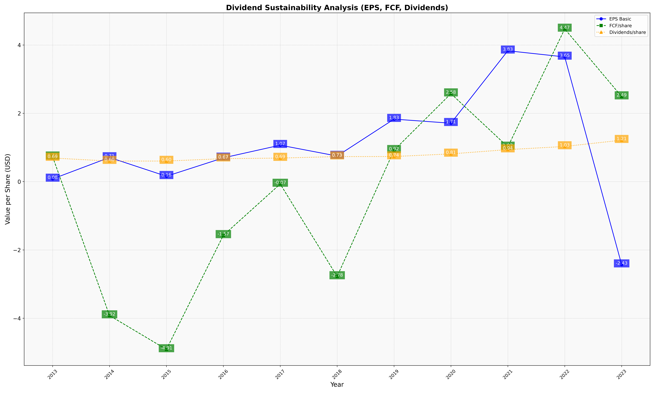
fiscal_date_ending | eps_per_share | free_cash_flow_per_share | dividend_per_share
2013 | 0.079556842007 | 0.72893106523 | 0.69221252276
2014 | 0.7078119547 | -3.9198320903 | 0.60167332982
2015 | 0.15757171785 | -4.9122662773 | 0.60274384757
2016 | 0.69620755463 | -1.5730188693 | 0.67284870869
2017 | 1.0675042011 | -0.069083476805 | 0.68973820493
2018 | 0.74943677131 | -2.7756118696 | 0.73380104011
2019 | 1.8303191489 | 0.91755319149 | 0.73510638298
2020 | 1.7105401154 | 2.57629785 | 0.81227058207
2021 | 3.8313315927 | 1.0177545692 | 0.93785900783
2022 | 3.6508598228 | 4.4710786868 | 1.0297029703
2023 | -2.4291666667 | 2.4906870208 | 1.2135416667

