Dividend Data Analysis
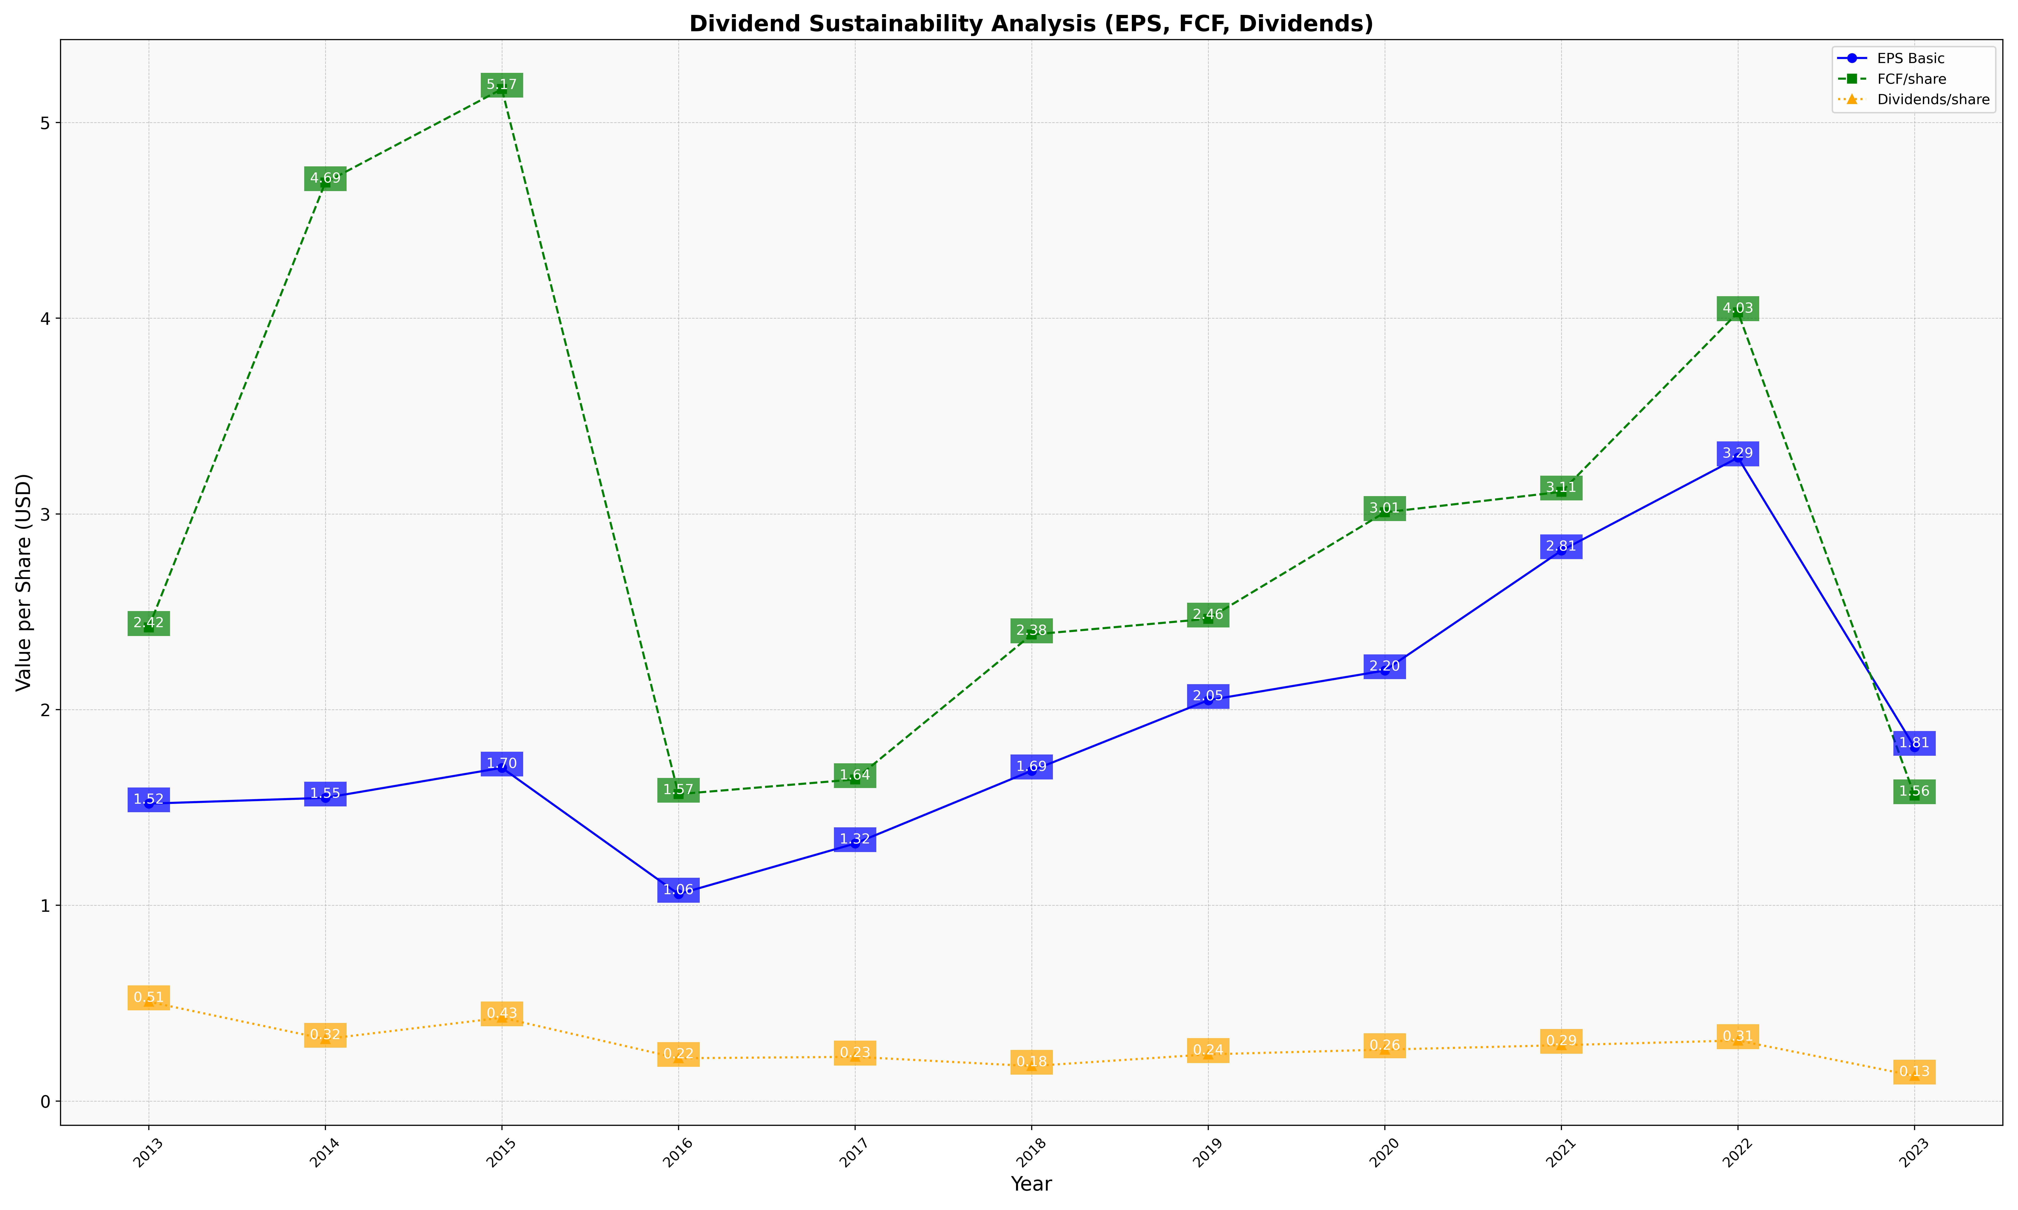
fiscal_date_ending | eps_per_share | free_cash_flow_per_share | dividend_per_share
2013 | 1.5195625492 | 2.4204239129 | 0.50755440349
2014 | 1.5492113095 | 4.6927243313 | 0.31681940843
2015 | 1.7026035458 | 5.1708086266 | 0.42582851237
2016 | 1.0575045065 | 1.5681459774 | 0.21874521421
2017 | 1.3157130266 | 1.6432593553 | 0.22581290883
2018 | 1.6875514037 | 2.3832798419 | 0.17873427554
2019 | 2.0478309787 | 2.4638625297 | 0.23858566139
2020 | 2.1997050772 | 3.0078415075 | 0.26287926324
2021 | 2.8122677929 | 3.1126173354 | 0.28543190781
2022 | 3.2872828691 | 4.0292883677 | 0.30939409266
2023 | 1.8080290704 | 1.5605960194 | 0.1286792819

