Dividend Data Analysis
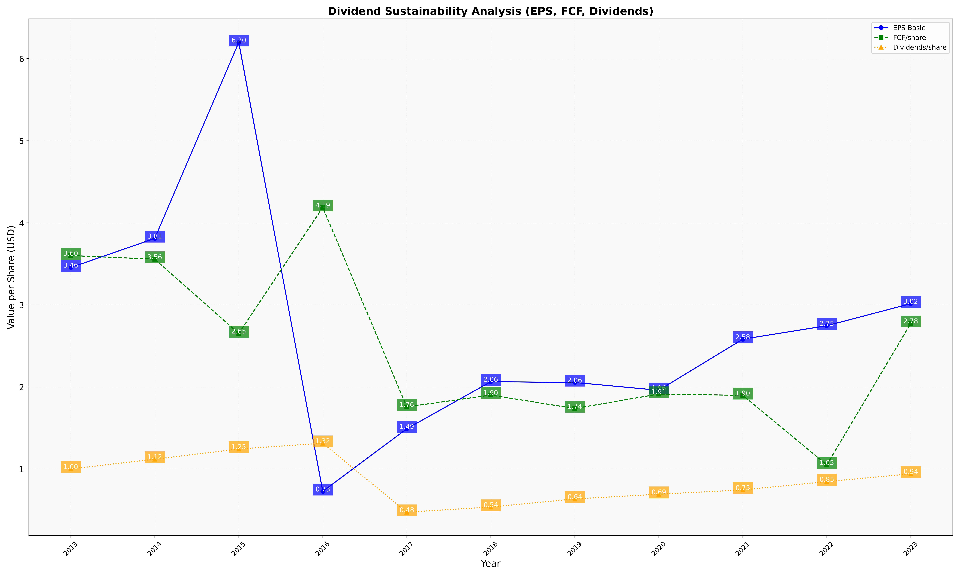
fiscal_date_ending | eps_per_share | free_cash_flow_per_share | dividend_per_share
2013 | 3.4559168967 | 3.6020403716 | 1.0022260634
2014 | 3.8104495404 | 3.5578419037 | 1.1210076224
2015 | 6.1993530823 | 2.6519752724 | 1.2450063641
2016 | 0.72847547853 | 4.1890474283 | 1.3152104118
2017 | 1.4907488842 | 1.7580432798 | 0.47529831367
2018 | 2.0648553999 | 1.9018545205 | 0.53789745321
2019 | 2.0554695649 | 1.7382180628 | 0.63629035341
2020 | 1.9603730174 | 1.914344093 | 0.69398139749
2021 | 2.5827766087 | 1.8985080931 | 0.74635624197
2022 | 2.7468047067 | 1.050869181 | 0.84748476361
2023 | 3.0159146988 | 2.7761412901 | 0.9427014672

