Dividend Data Analysis
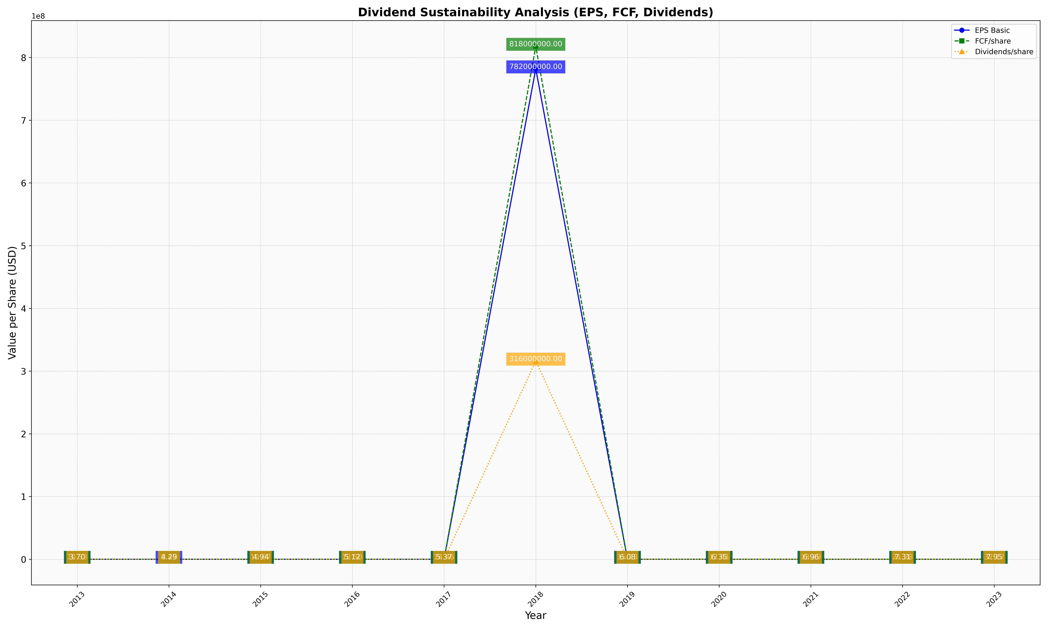
fiscal_date_ending | eps_per_share | free_cash_flow_per_share | dividend_per_share
2013 | 11.52861487 | 10.332658272 | 3.6951519461
2014 | 11.808845031 | 8.4313606068 | 4.2920218649
2015 | 12.390621182 | 10.67050721 | 4.9381313248
2016 | 10.243420867 | 12.504258795 | 5.1212202369
2017 | 10.340706516 | 14.464936729 | 5.3728087628
2018 | 782000000 | 818000000 | 316000000
2019 | 15.747913777 | 15.228547952 | 6.0839996689
2020 | 13.063909774 | 17.406015038 | 6.3533834586
2021 | 20.331384016 | 13.294346979 | 6.9590643275
2022 | 30.57312253 | 21.28458498 | 7.3122529644
2023 | 37.099391481 | 32.170385396 | 7.9513184584

