Dividend Data Analysis
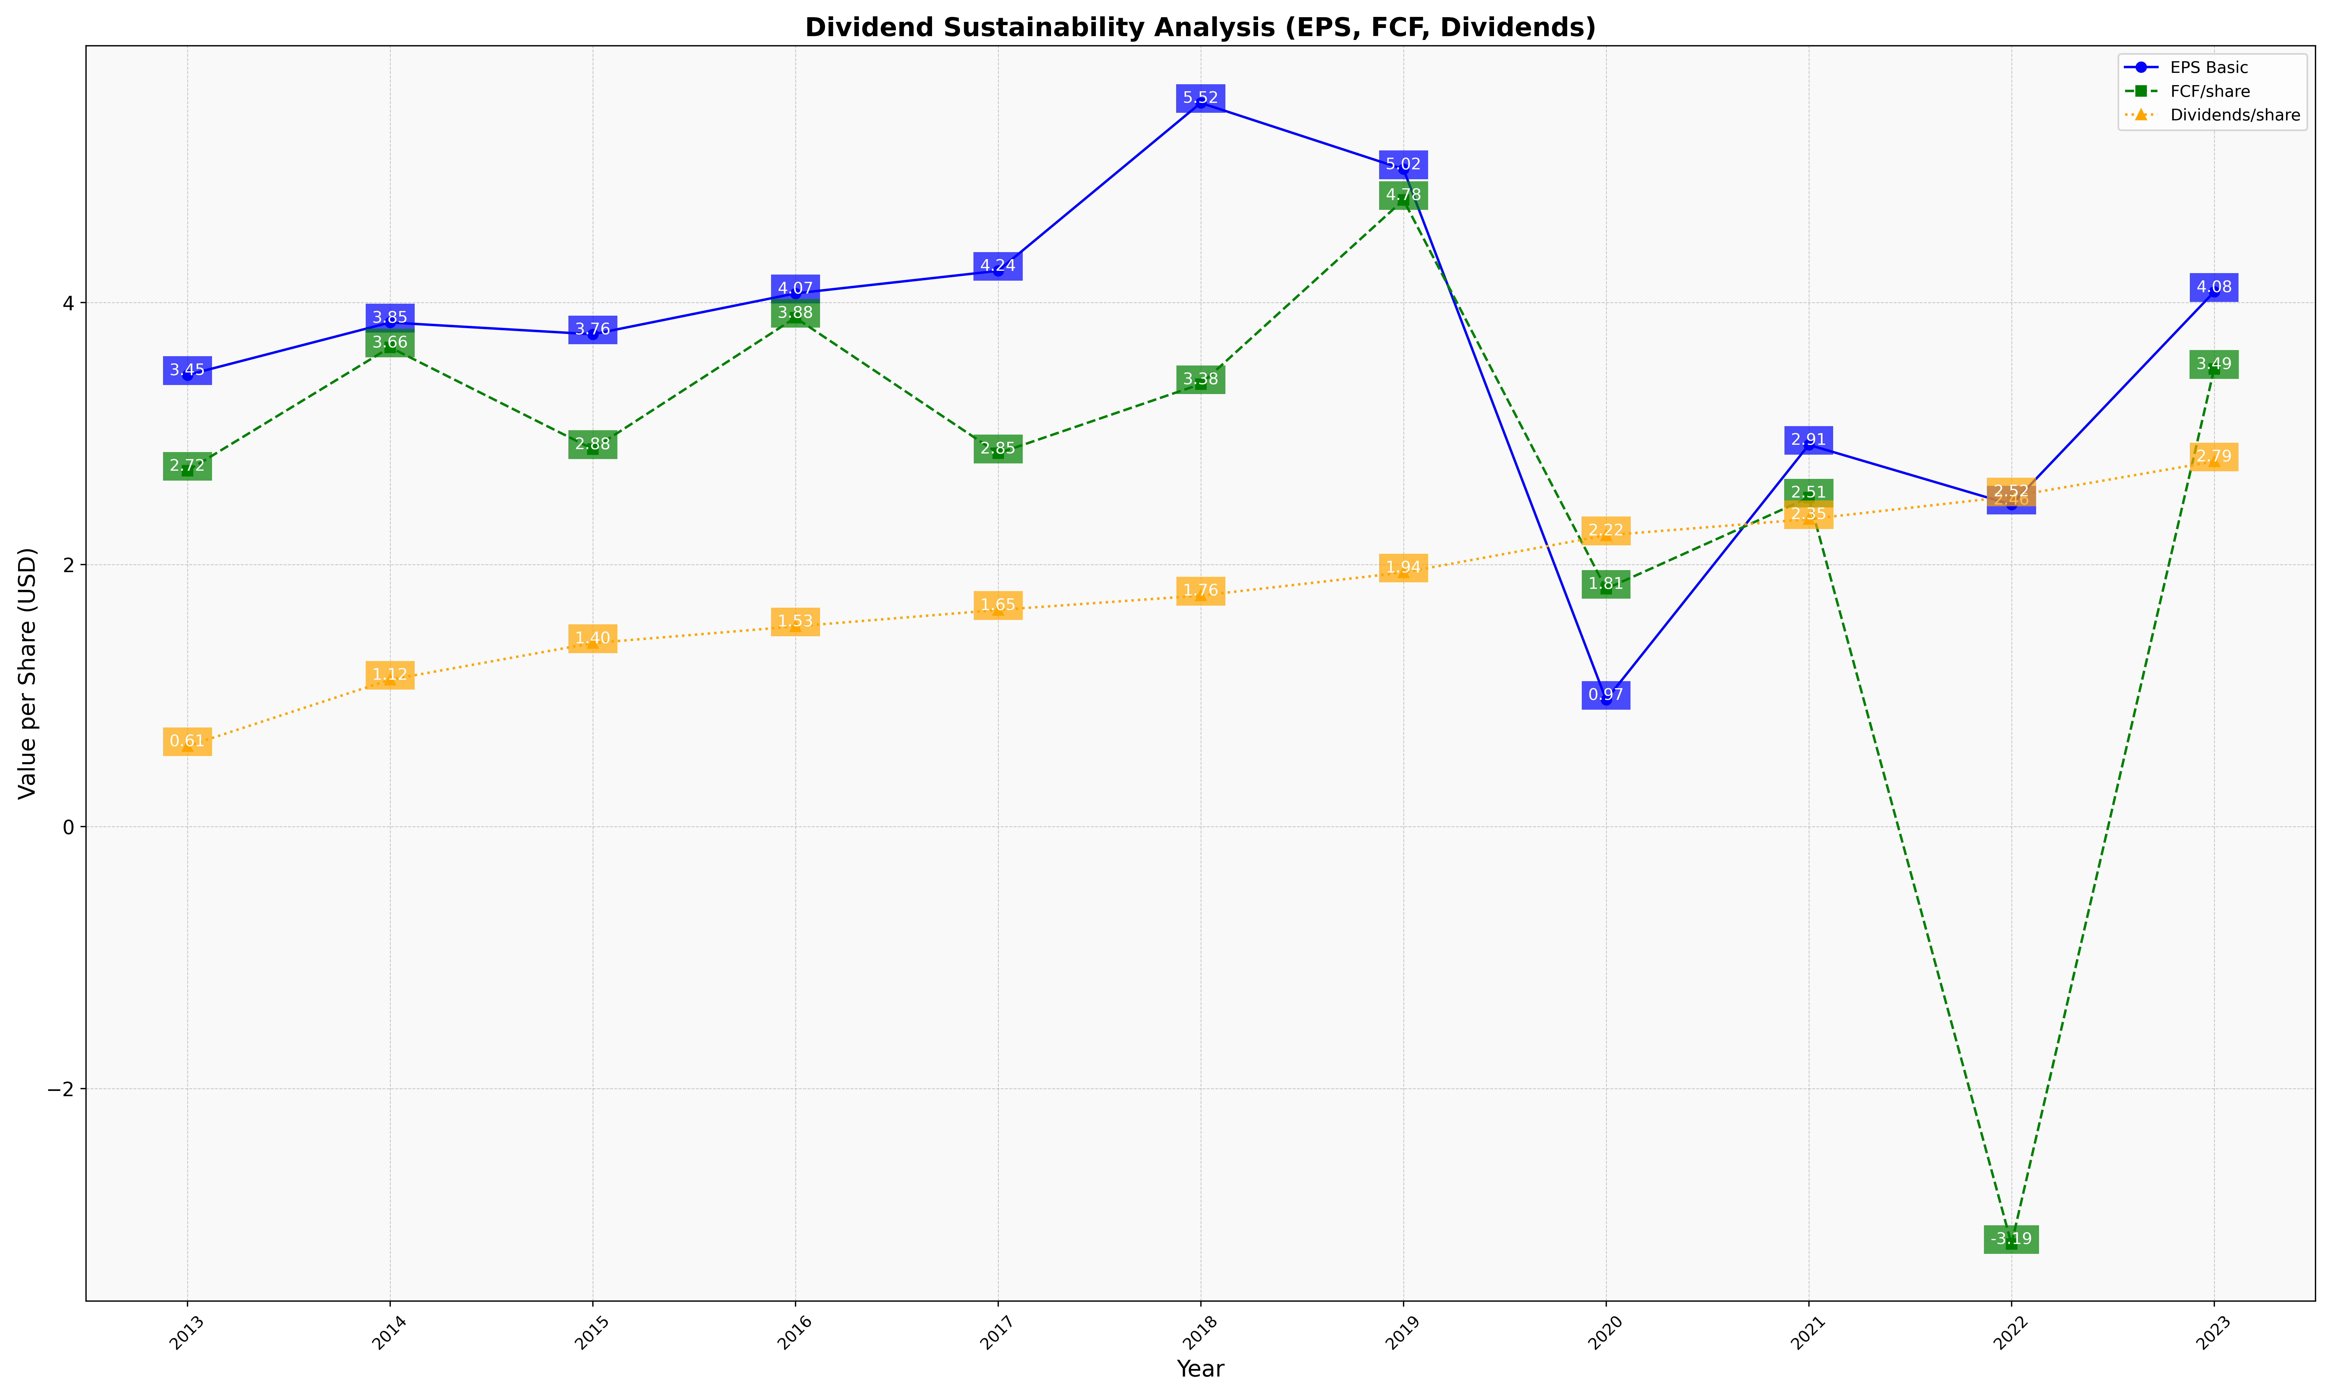
fiscal_date_ending | eps_per_share | free_cash_flow_per_share | dividend_per_share
2013 | 3.4470739412 | 2.7160143492 | 0.61401724046
2014 | 3.8479344157 | 3.6577720624 | 1.1211487971
2015 | 3.7579246091 | 2.8820411223 | 1.4004069394
2016 | 4.0697985858 | 3.8845082494 | 1.5279087208
2017 | 4.2422975942 | 2.8488988909 | 1.6534855061
2018 | 5.5239415591 | 3.3776794284 | 1.7631438626
2019 | 5.0182058746 | 4.7827996825 | 1.9393490341
2020 | 0.9677504626 | 1.8147501983 | 2.2232619614
2021 | 2.9138021379 | 2.5110563823 | 2.3467302452
2022 | 2.4577241272 | -3.1858577449 | 2.520266403
2023 | 4.0816263191 | 3.4937926754 | 2.7869335816

