Dividend Data Analysis
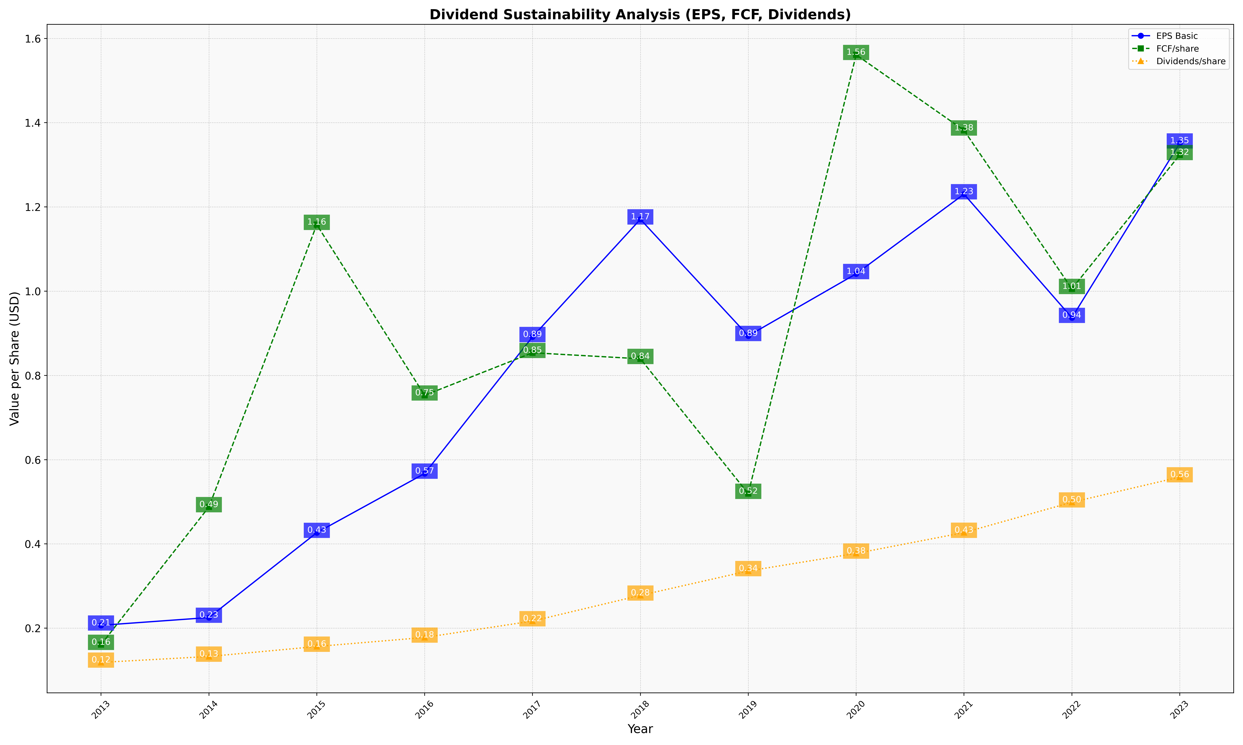
fiscal_date_ending | eps_per_share | free_cash_flow_per_share | dividend_per_share
2013 | 0.20682082418 | 0.160896525 | 0.11871851182
2014 | 0.22523299965 | 0.4876884133 | 0.13278103786
2015 | 0.42670920191 | 1.157912106 | 0.15648204169
2016 | 0.56718975952 | 0.752771678 | 0.17797654116
2017 | 0.89152436809 | 0.85384335911 | 0.2168993616
2018 | 1.1707404195 | 0.83951625249 | 0.2778486503
2019 | 0.89406251558 | 0.5193678648 | 0.33580936238
2020 | 1.0411657917 | 1.5611599038 | 0.37755752907
2021 | 1.2304280227 | 1.3819279312 | 0.42692518749
2022 | 0.93702038778 | 1.0057212914 | 0.49893293375
2023 | 1.3512118492 | 1.3234290844 | 0.55870736086

