Dividend Data Analysis
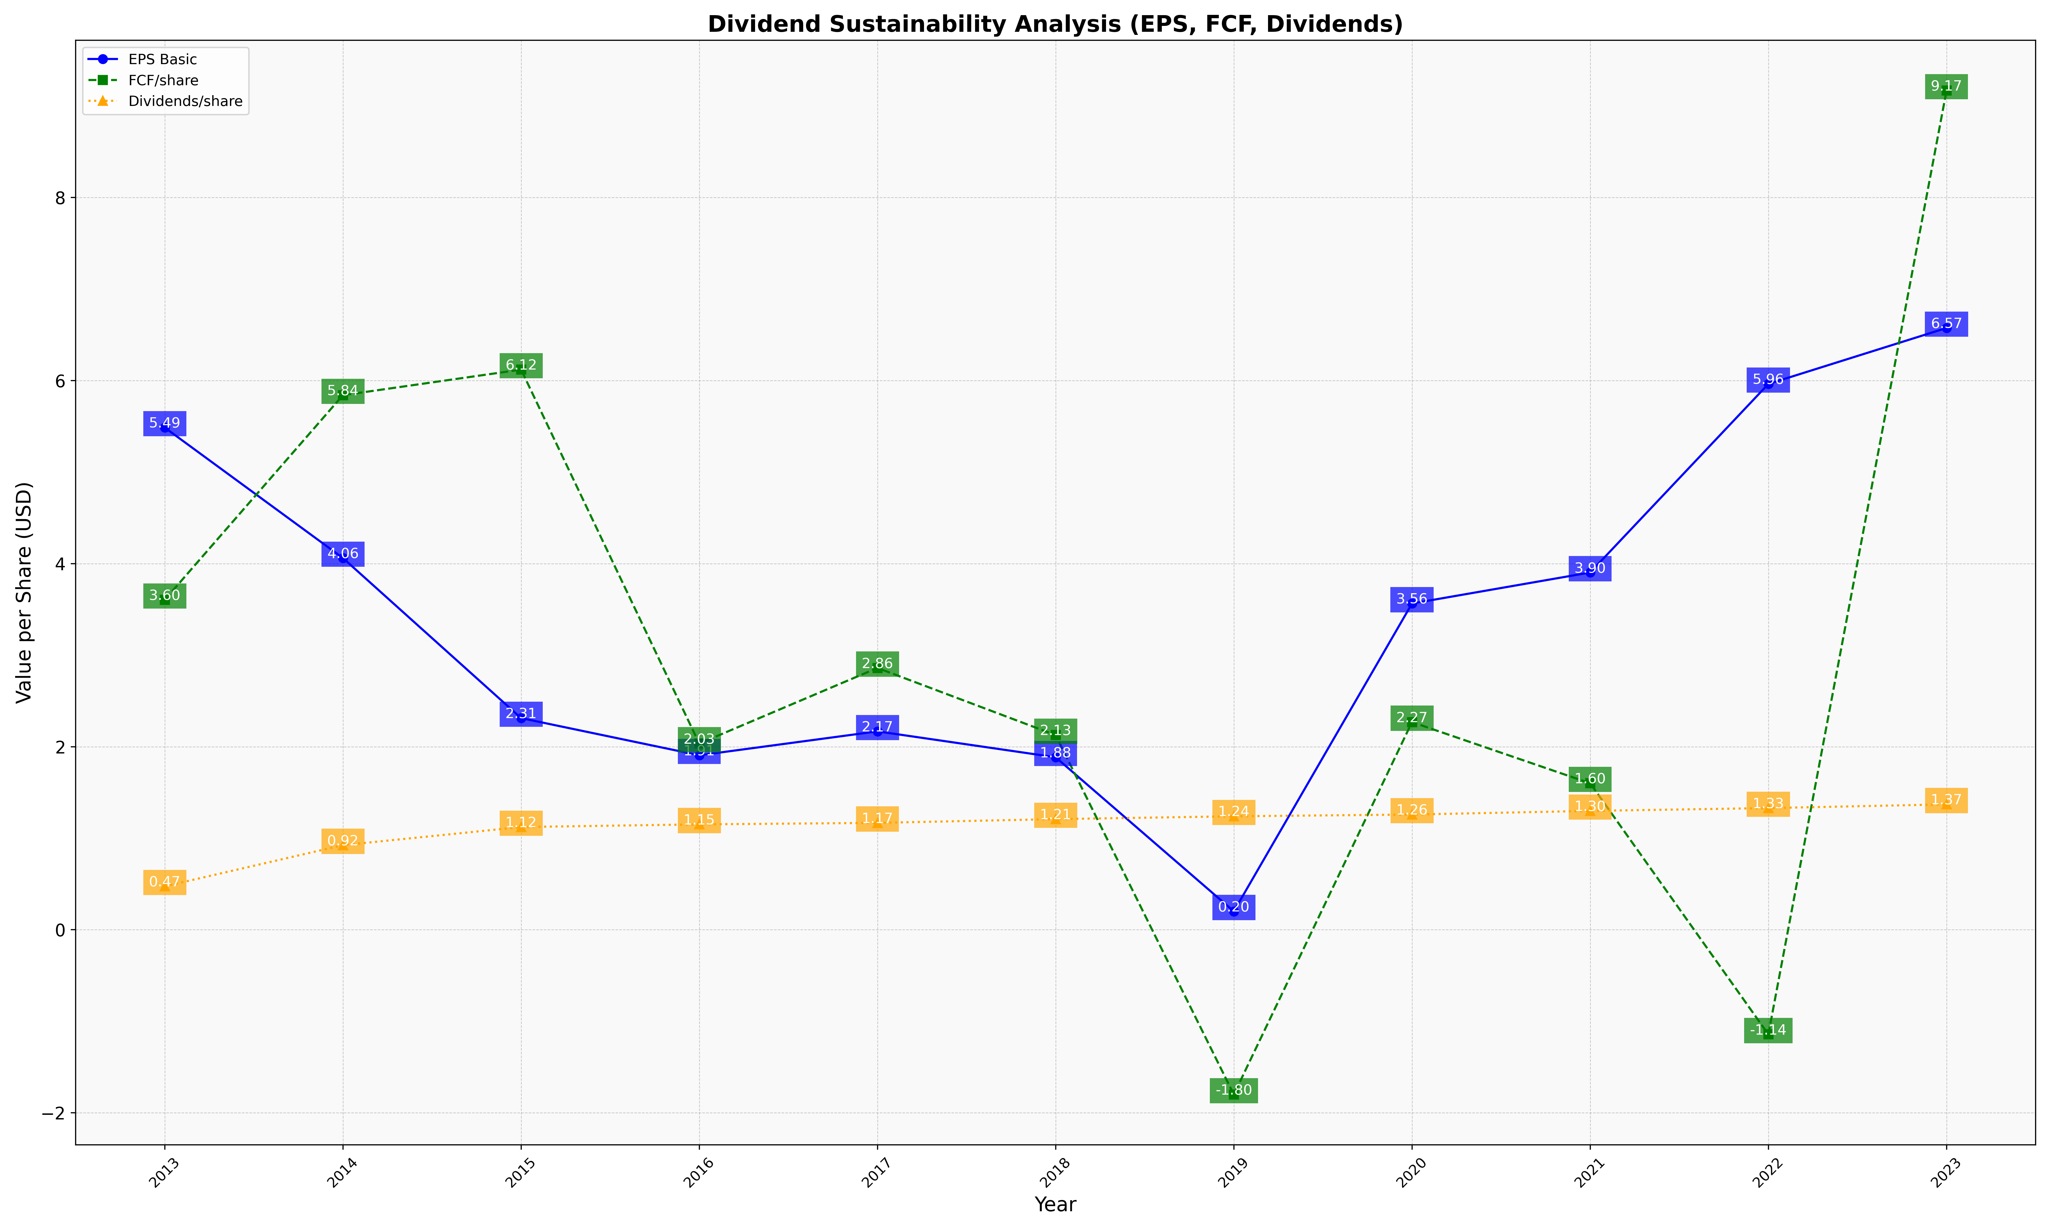
fiscal_date_ending | eps_per_share | free_cash_flow_per_share | dividend_per_share
2013 | 5.4862784731 | 3.6048355749 | 0.47461711887
2014 | 4.0608592826 | 5.8402049665 | 0.92439889633
2015 | 2.3124725323 | 6.1193636284 | 1.1226158038
2016 | 1.9060472115 | 2.0341390012 | 1.1515094517
2017 | 2.1676797905 | 2.8603759469 | 1.168053867
2018 | 1.8846547077 | 2.1265916907 | 1.208848406
2019 | 0.20135348104 | -1.7997589691 | 1.2399184203
2020 | 3.5642184905 | 2.268776527 | 1.2589961247
2021 | 3.9031814431 | 1.6005317686 | 1.2987989365
2022 | 5.962568306 | -1.1427140255 | 1.3295992714
2023 | 6.5745299301 | 9.1681351621 | 1.3699700245

