Dividend Data Analysis
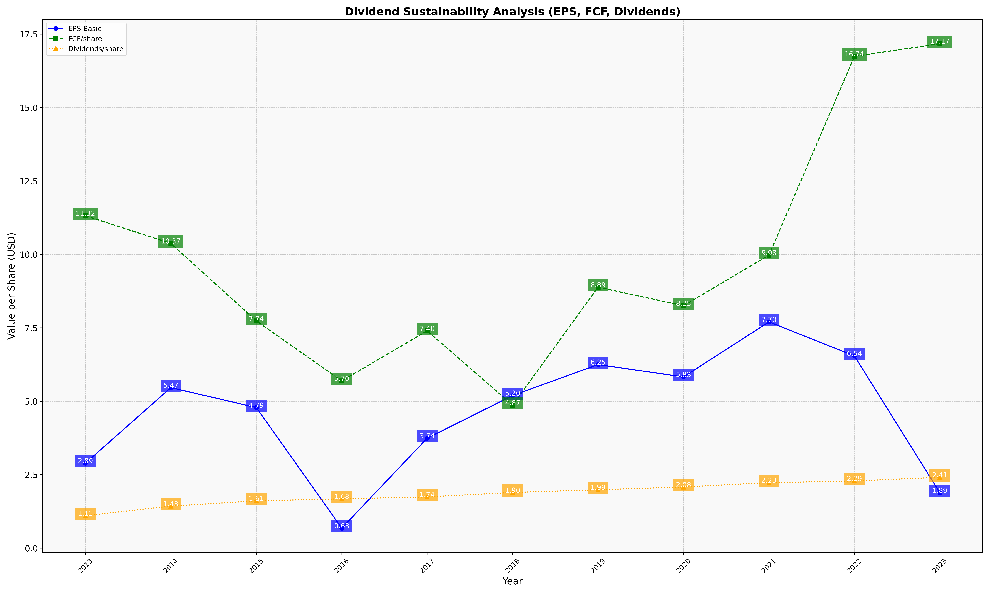
fiscal_date_ending | eps_per_share | free_cash_flow_per_share | dividend_per_share
2013 | 2.892970423 | 11.317877819 | 1.106030898
2014 | 5.4658958692 | 10.374335735 | 1.4320700184
2015 | 4.7876716135 | 7.7365931819 | 1.6110692571
2016 | 0.68186859068 | 5.695930396 | 1.67865641
2017 | 3.7438131882 | 7.3985107822 | 1.743982596
2018 | 5.1970891102 | 4.8705758843 | 1.897532134
2019 | 6.2501495486 | 8.88524144 | 1.9894288285
2020 | 5.8292509911 | 8.2539058222 | 2.0819553492
2021 | 7.7028344397 | 9.9764970035 | 2.2312660855
2022 | 6.544744423 | 16.742429154 | 2.2885427155
2023 | 1.8882869956 | 17.173833392 | 2.413723377

