Dividend Data Analysis
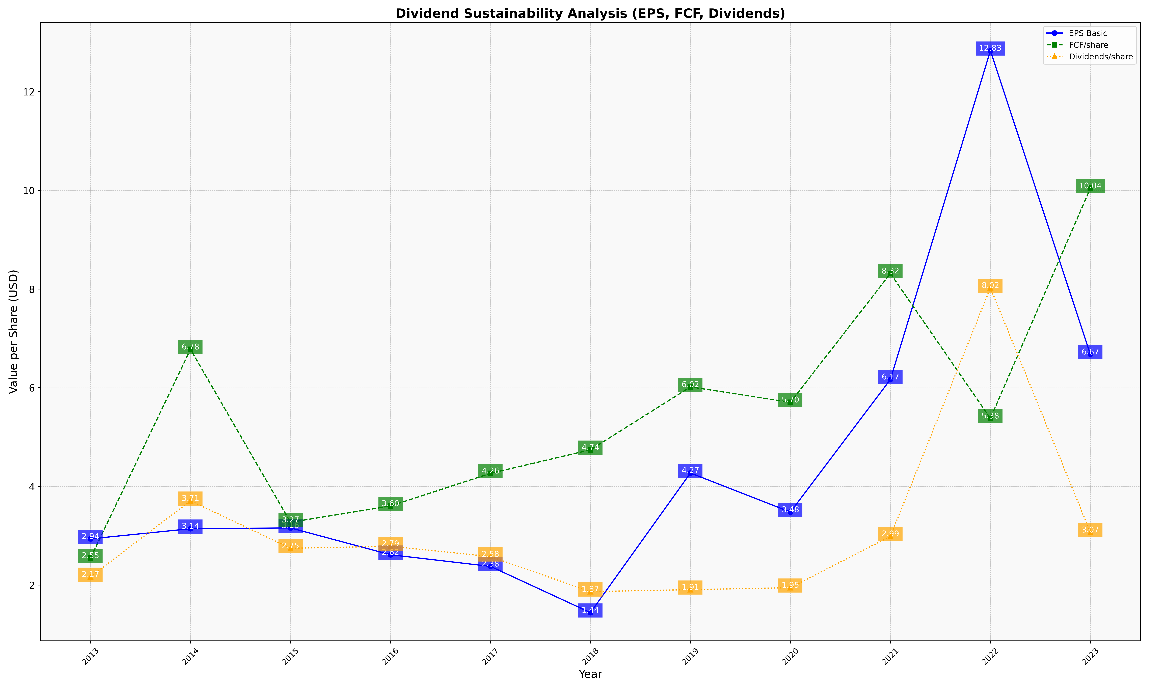
fiscal_date_ending | eps_per_share | free_cash_flow_per_share | dividend_per_share
2013 | 2.9373634209 | 2.5489255794 | 2.1668624366
2014 | 3.1423774581 | 6.7774848986 | 3.7087454932
2015 | 3.1587267059 | 3.2737135074 | 2.7461107959
2016 | 2.6151050717 | 3.6024369448 | 2.7873215282
2017 | 2.3789787864 | 4.264870118 | 2.577966948
2018 | 1.4420936992 | 4.7414793303 | 1.8672460837
2019 | 4.2711434606 | 6.0166687412 | 1.9075747484
2020 | 3.4798852879 | 5.7039495749 | 1.947296765
2021 | 6.1682068784 | 8.3153127192 | 2.9881205812
2022 | 12.83074955 | 5.3784986555 | 8.0239716284
2023 | 6.6742043451 | 10.042583874 | 3.0695191878

