Dividend Data Analysis
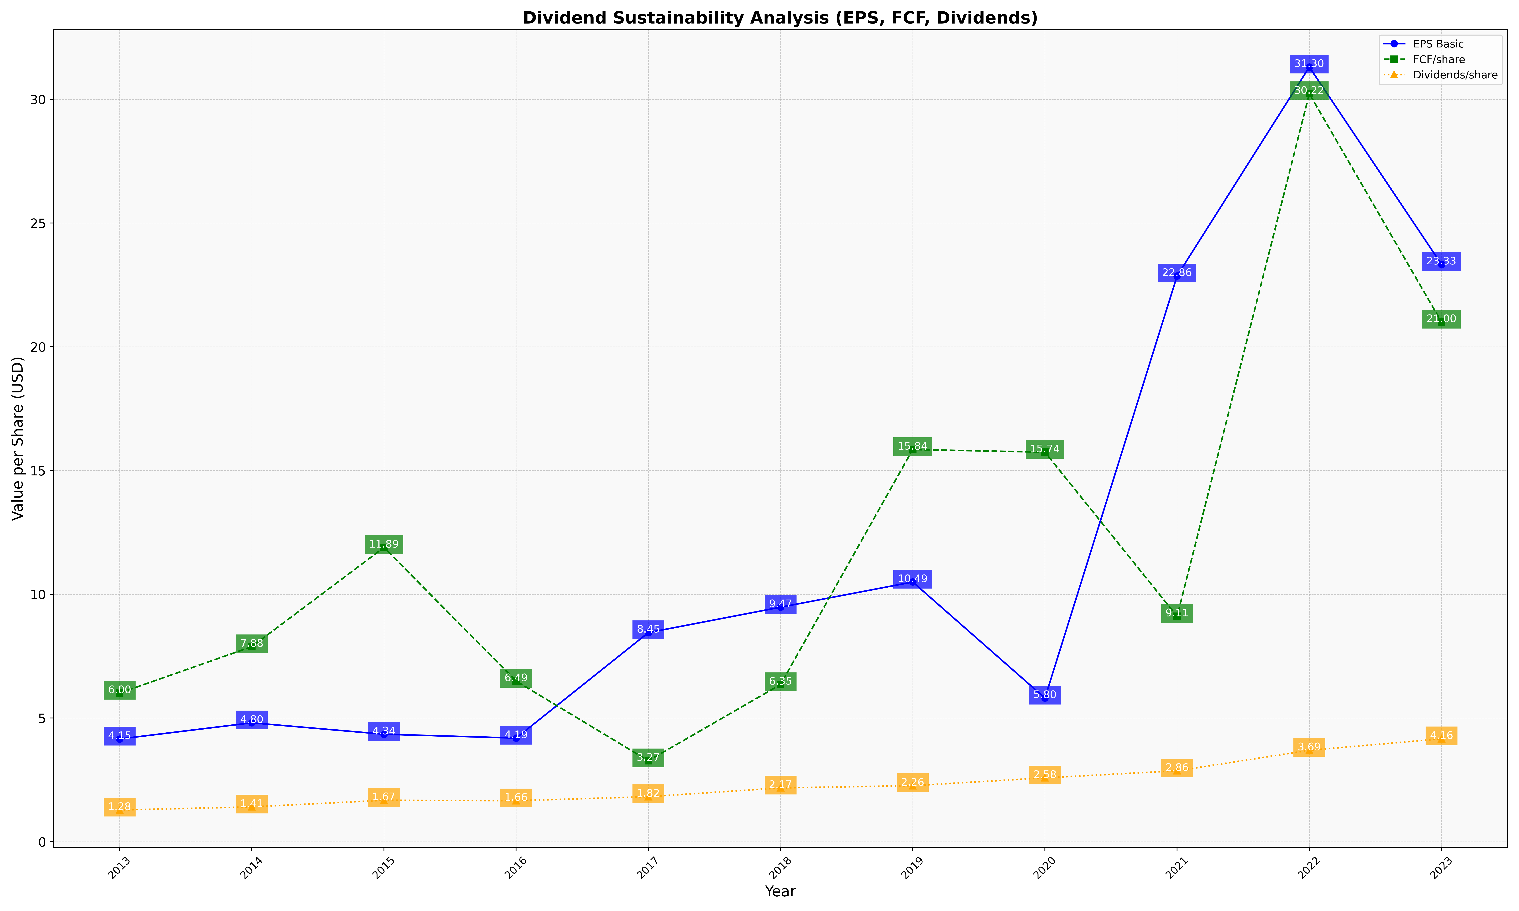
fiscal_date_ending | eps_per_share | free_cash_flow_per_share | dividend_per_share
2013 | 4.1501049069 | 6.0044894689 | 1.2801318618
2014 | 4.8036359606 | 7.8797732286 | 1.4055322447
2015 | 4.342124749 | 11.887524834 | 1.6741225758
2016 | 4.1866855612 | 6.4884683229 | 1.6565131172
2017 | 8.4479257133 | 3.2695428177 | 1.8179429315
2018 | 9.4748960856 | 6.3499895338 | 2.1724828803
2019 | 10.493014629 | 15.844975619 | 2.263140575
2020 | 5.8034591195 | 15.738993711 | 2.5801886792
2021 | 22.861858072 | 9.1059120474 | 2.8637996311
2022 | 31.301138007 | 30.224369333 | 3.6929933489
2023 | 23.325941576 | 20.996664979 | 4.15742697

