Dividend Data Analysis
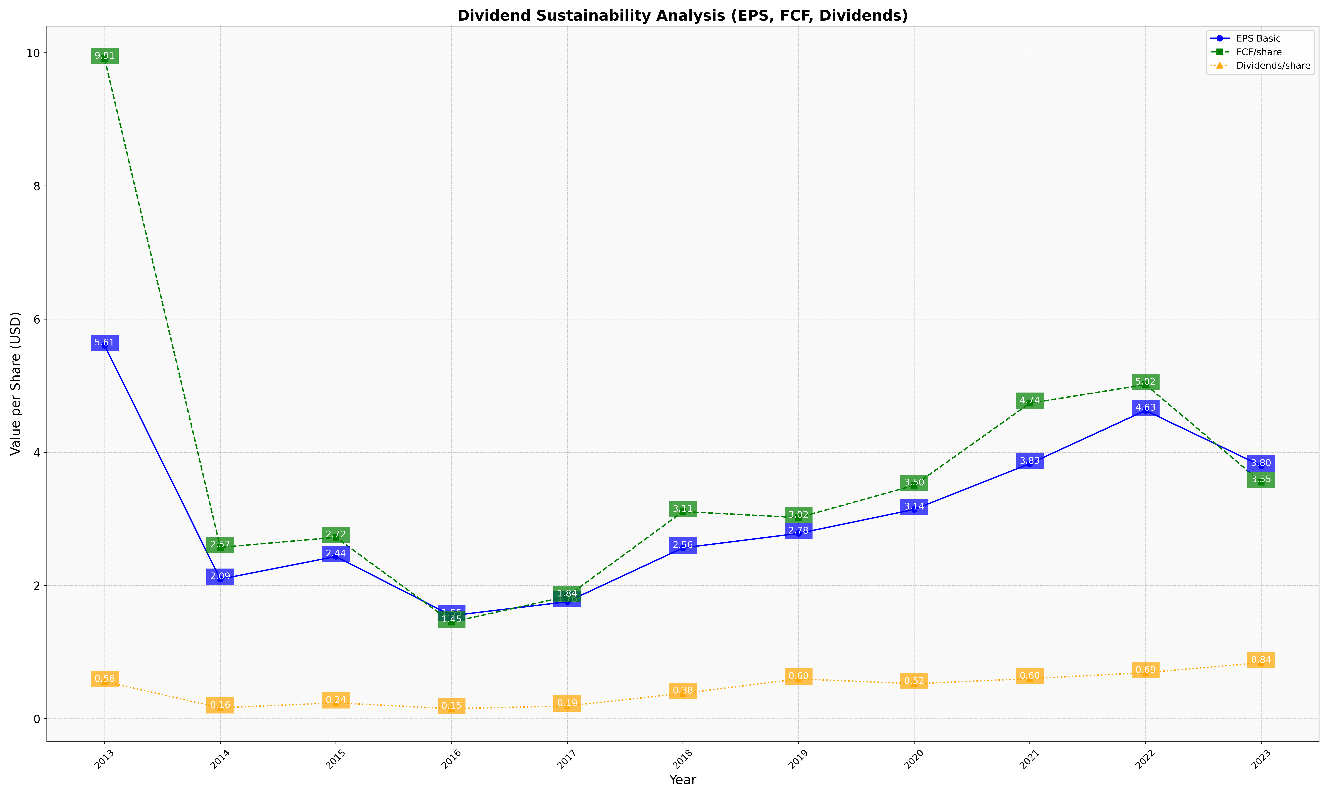
fiscal_date_ending | eps_per_share | free_cash_flow_per_share | dividend_per_share
2013 | 5.6055690793 | 9.9118205521 | 0.55755011012
2014 | 2.0944685724 | 2.5715764656 | 0.16289325516
2015 | 2.4356345267 | 2.7232442313 | 0.2372876318
2016 | 1.5470517106 | 1.4498575296 | 0.15017982823
2017 | 1.7555285941 | 1.8362946092 | 0.19063044027
2018 | 2.5644309121 | 3.1100776306 | 0.3795208617
2019 | 2.7819767886 | 3.0195394801 | 0.59689980594
2020 | 3.142273143 | 3.5033715027 | 0.52449077929
2021 | 3.8296747048 | 4.7371552137 | 0.6008439329
2022 | 4.6283466639 | 5.0165916183 | 0.69085955007
2023 | 3.797006991 | 3.5508701731 | 0.84046404823

