Dividend Data Analysis
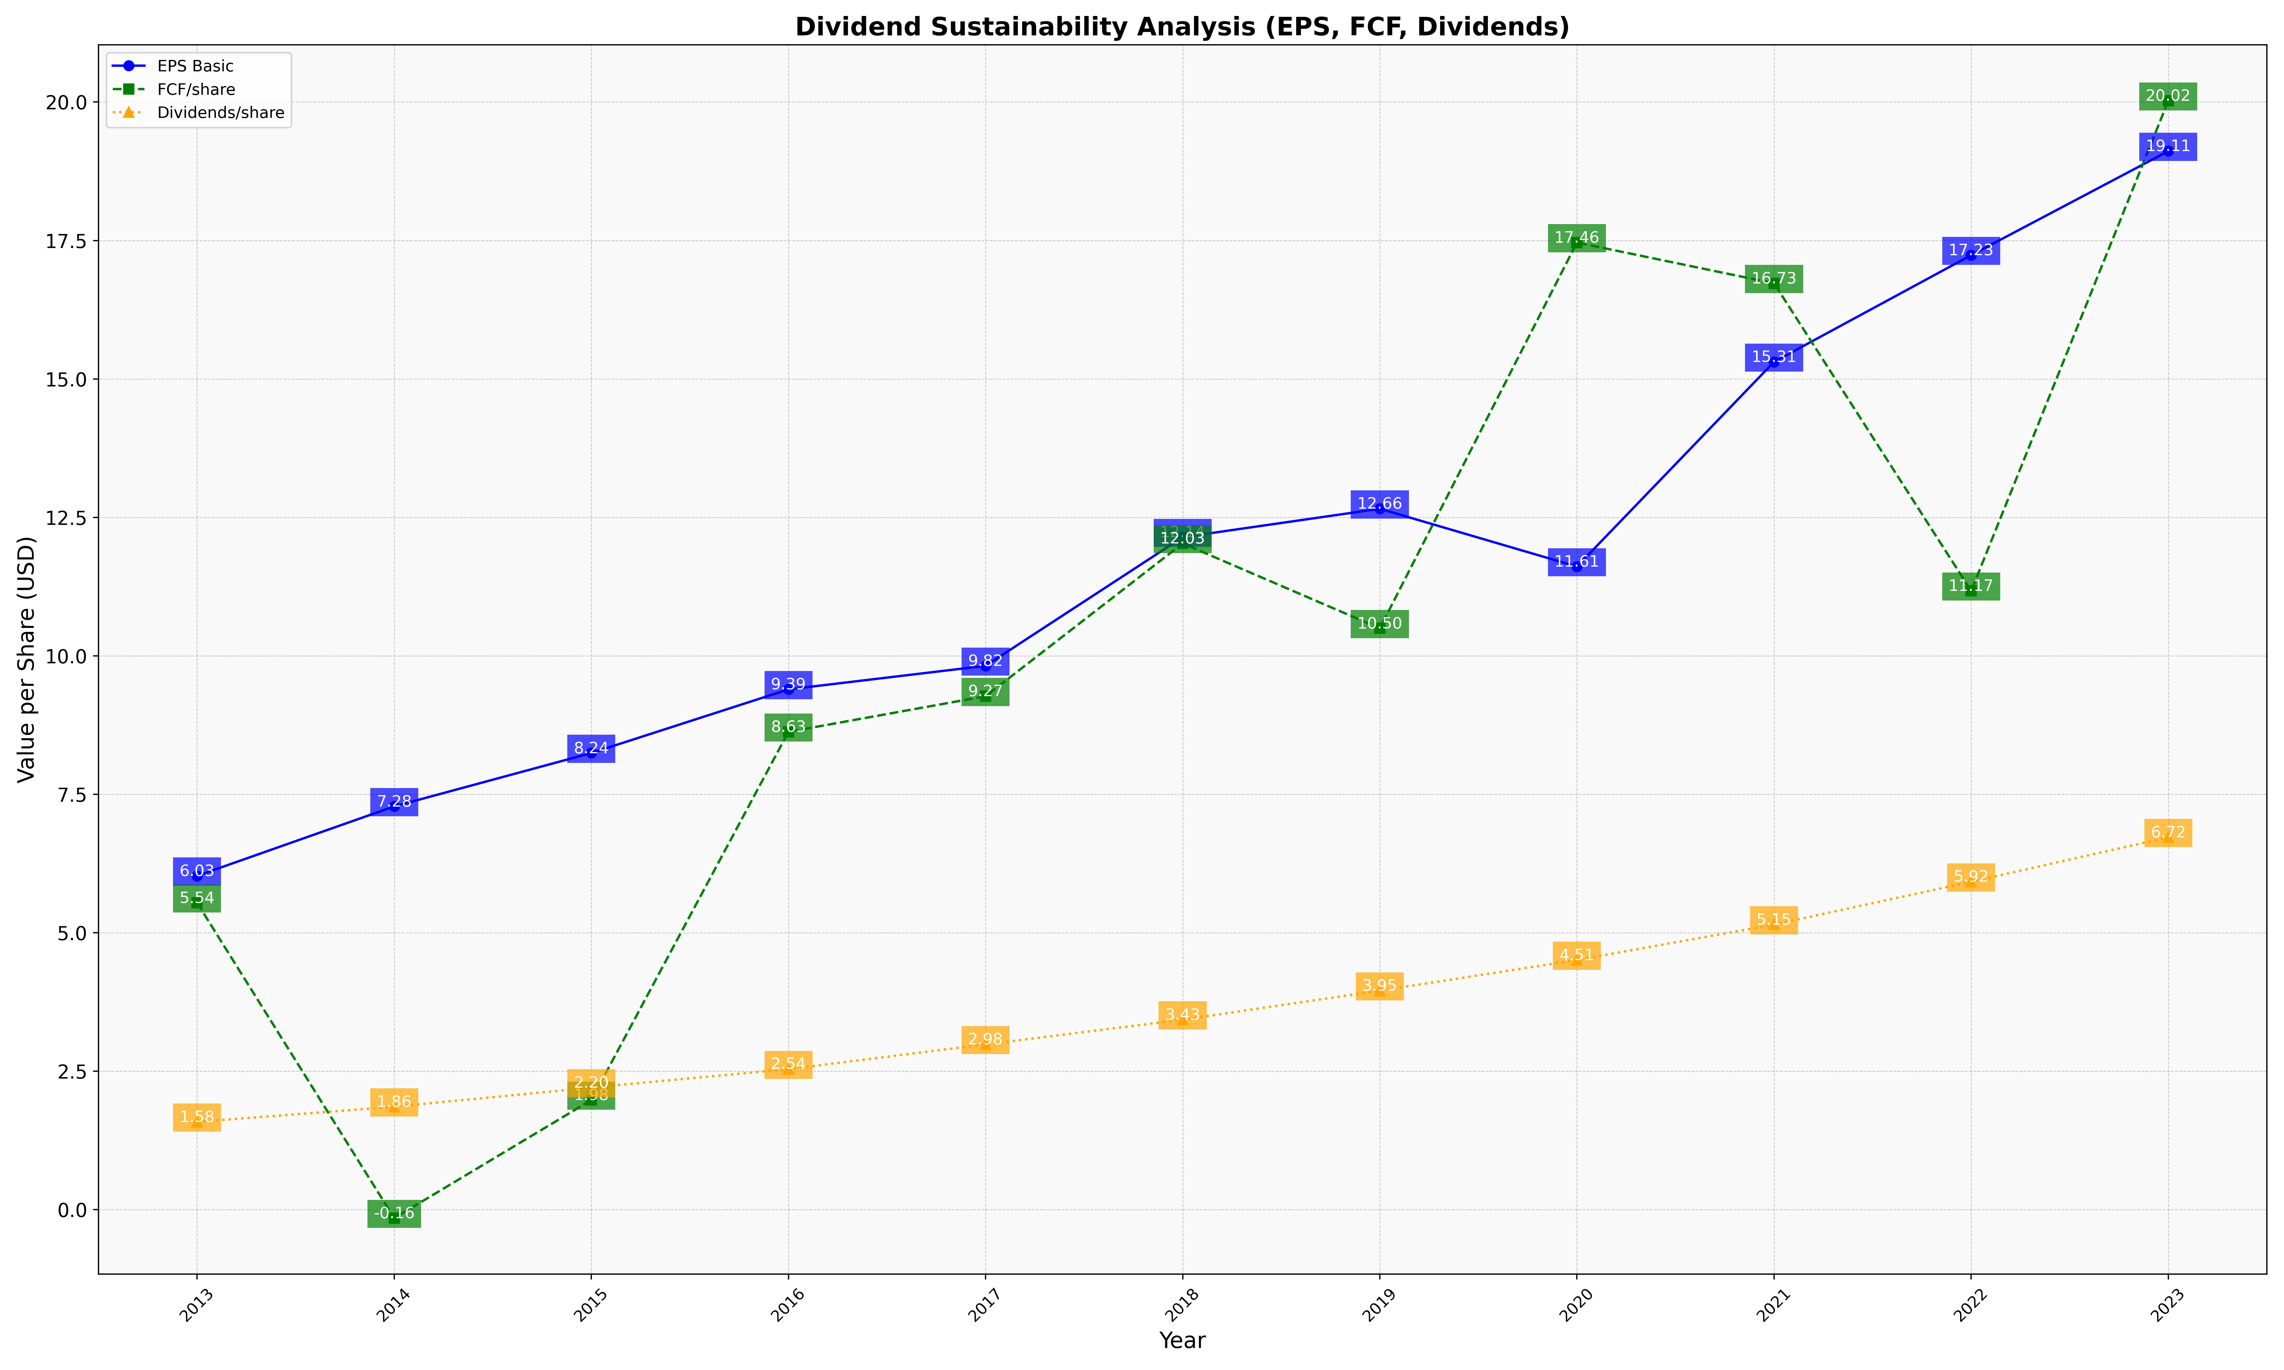
fiscal_date_ending | eps_per_share | free_cash_flow_per_share | dividend_per_share
2013 | 6.025437322 | 5.5386549177 | 1.5824728336
2014 | 7.2797904373 | -0.15529299345 | 1.8566140106
2015 | 8.2437632754 | 1.9769877251 | 2.2025847565
2016 | 9.3931387694 | 8.6264220983 | 2.535666121
2017 | 9.8186619718 | 9.2693661972 | 2.9823943662
2018 | 12.141071429 | 12.028571429 | 3.4285714286
2019 | 12.655109489 | 10.496350365 | 3.9525547445
2020 | 11.611111111 | 17.462962963 | 4.5055555556
2021 | 15.307835821 | 16.725746269 | 5.1455223881
2022 | 17.234404537 | 11.172022684 | 5.9187145558
2023 | 19.11342155 | 20.02268431 | 6.7221172023

