Dividend Data Analysis
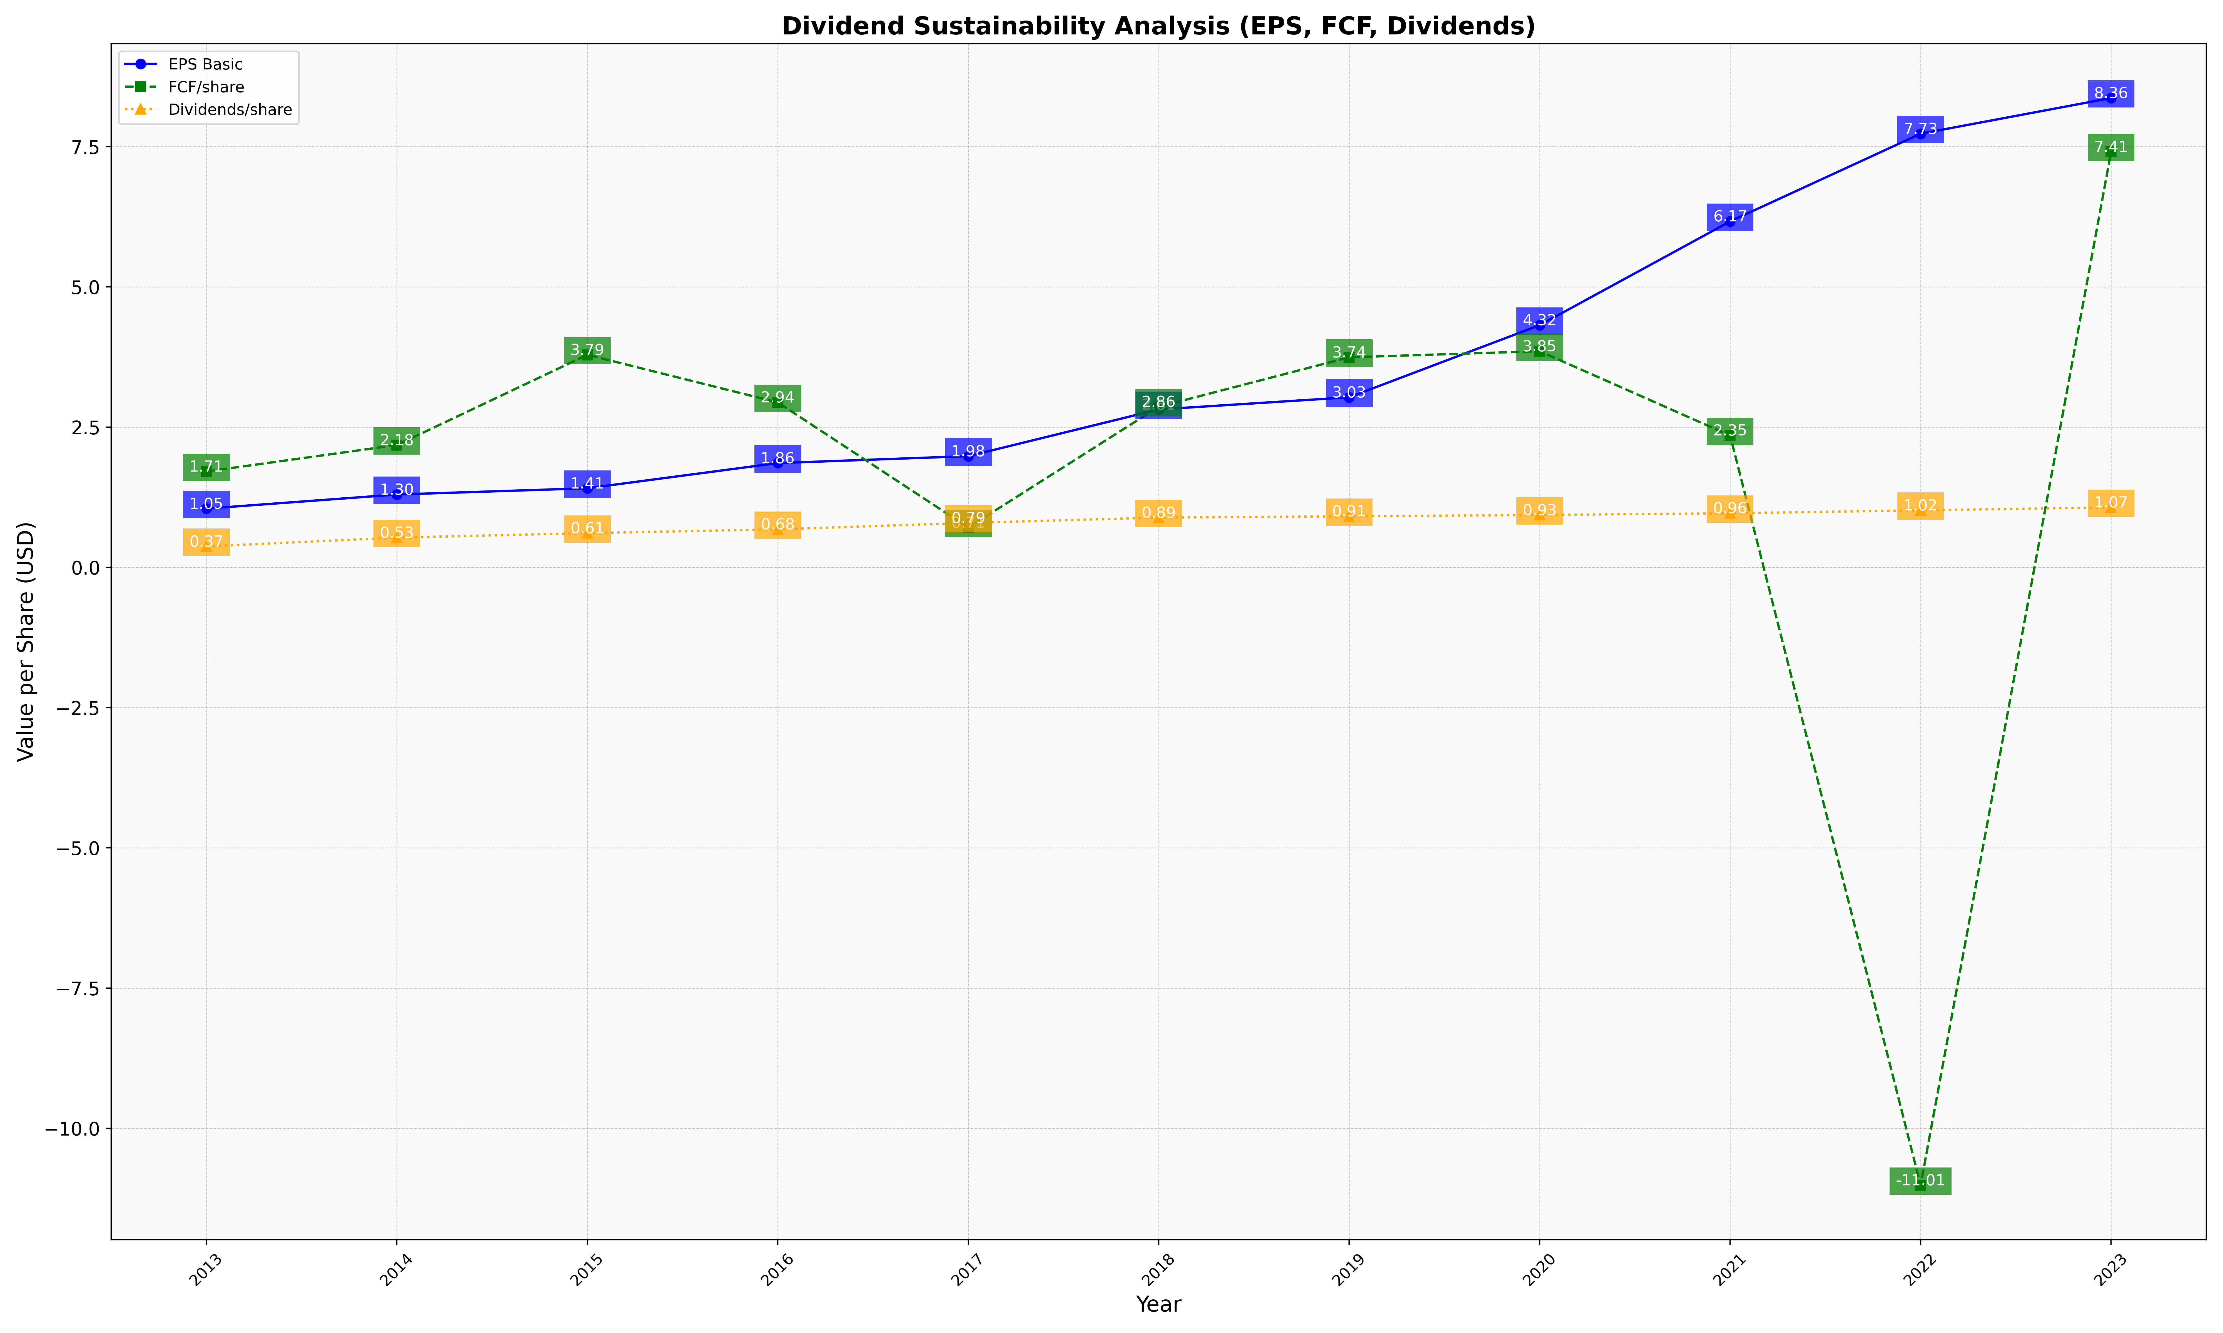
fiscal_date_ending | eps_per_share | free_cash_flow_per_share | dividend_per_share
2013 | 1.04637461 | 1.7081827886 | 0.37218755132
2014 | 1.2974512927 | 2.1791242903 | 0.5293060491
2015 | 1.4089324257 | 3.787813382 | 0.60916486801
2016 | 1.8580391345 | 2.9389170722 | 0.67731649239
2017 | 1.9813242058 | 0.70816130067 | 0.79112204514
2018 | 2.8141917419 | 2.861527179 | 0.88650606694
2019 | 3.0306498677 | 3.7432649461 | 0.90924924789
2020 | 4.3161150349 | 3.8514056225 | 0.93246549416
2021 | 6.1653284587 | 2.3482425897 | 0.96302381007
2022 | 7.7283245019 | -11.013721452 | 1.0156882708
2023 | 8.3641368555 | 7.4080856292 | 1.0680260857

