Dividend Data Analysis
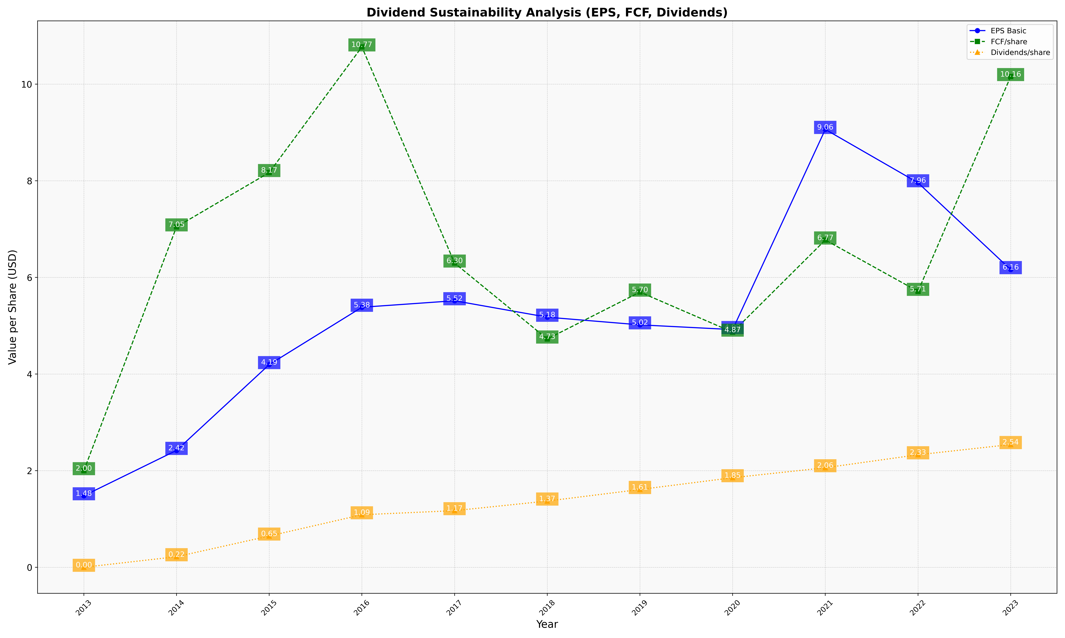
fiscal_date_ending | eps_per_share | free_cash_flow_per_share | dividend_per_share
2013 | 1.4800425758 | 2.000532198 | 0
2014 | 2.4191331924 | 7.0465116279 | 0.21881606765
2015 | 4.1949553337 | 8.1707829743 | 0.64687335786
2016 | 5.382368848 | 10.771227691 | 1.0870740941
2017 | 5.5172037138 | 6.2971054069 | 1.1720371382
2018 | 5.1770011274 | 4.7254791432 | 1.3709131905
2019 | 5.0182245738 | 5.69664903 | 1.6102292769
2020 | 4.9202898551 | 4.8671497585 | 1.8538647343
2021 | 9.0641258318 | 6.7749546279 | 2.0604960678
2022 | 7.9600499376 | 5.7109862672 | 2.3289637953
2023 | 6.1617554859 | 10.15862069 | 2.5404388715

