Dividend Data Analysis
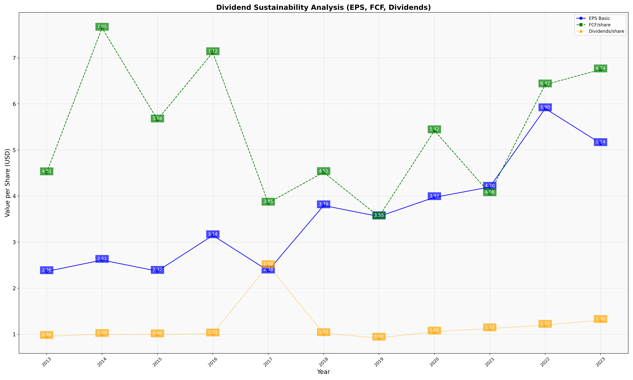
fiscal_date_ending | eps_per_share | free_cash_flow_per_share | dividend_per_share
2013 | 2.3633314445 | 4.5098455531 | 0.95675427221
2014 | 2.6094532024 | 7.6490234447 | 1.0005273457
2015 | 2.3701693357 | 5.6572133572 | 0.99152136206
2016 | 3.1442993827 | 7.1171359364 | 1.0116469963
2017 | 2.3787274433 | 3.8505808697 | 2.4950875616
2018 | 3.793930672 | 4.5148776764 | 1.017730882
2019 | 3.556441739 | 3.5510567192 | 0.92040176614
2020 | 3.9712325343 | 5.4222030723 | 1.0526967157
2021 | 4.1953641254 | 4.0564080788 | 1.1228123627
2022 | 5.9002001665 | 6.4189537904 | 1.1997214728
2023 | 5.1438640566 | 6.7442847085 | 1.3041940398

